ARHGAP17 _multivariate
Reported by Tex Li-Hsing Chi. tex@gate.sinica.edu.tw 2019-08-22

Table 2. The clinicopathological features of HNSCC cohort and ARHGAP17 expression. (Chi square test)
Cutoff at -0.03 (50.0%)
 |  | ARHGAP17 expression |  | ARHGAP17 expression |  | (Optimised)
 | Features | Low | (%) | High | (%) | Case no | P-value | Remark | Matthews
Gender | Female | 160 | 38.6 | 146 | 35.2 | 415 | 0.1254 | 0 | 0
2 | Male | 47 | 11.3 | 62 | 14.9
Age at diagnosis | <=65y | 135 | 32.5 | 139 | 33.5 | 415 | 0.8084 | 0 | 0
4 | >65y | 72 | 17.3 | 69 | 16.6
Clinical T Status | T1+T2 | 68 | 16.4 | 81 | 19.5 | 415 | 0.2336 | 0 | 0
6 | T3+T4 | 139 | 33.5 | 127 | 30.6
Clinical N Status | N0 | 107 | 25.8 | 109 | 26.3 | 415 | 0.9624 | 0 | 0
8 | N1-3 | 100 | 24.1 | 99 | 23.9
Clinical M Status | M0 | 206 | 49.6 | 206 | 49.6 | 415 | 1 | 0 | 0
10 | M1 | 1 | 0.2 | 2 | 0.5
Clinical Stage | Stage I+II | 46 | 11.1 | 56 | 13.5 | 415 | 0.3182 | 0 | 0
12 | Stage III+IV | 161 | 38.8 | 152 | 36.6
Surgical Margin status | Negative | 145 | 34.9 | 173 | 41.7 | 415 | 0.0017 | 1 | 0
14 | Positive | 62 | 14.9 | 35 | 8.4
Tobacco Exposure | Low | 65 | 15.7 | 96 | 23.1 | 415 | 0.0025 | 1 | 0
16 | High | 142 | 34.2 | 112 | 27

Table 3. Univariate/Multivariate Cox's proportional hazards regression analyses on OS time of ARHGAP17 gene expression in HNSCC

 |  | Univariate |  |  |  | Multivariate
 | Features | HR | CI95%(L) | CI95%(H) | P-value | HR | CI95%(L) | CI95%(H) | P-value
1 | Female | 1 |  |  |  | 1
Gender | Male | 1.157 | 0.843 | 1.587 | 0.367 | 1.207 | 0.864 | 1.688 | 0.27
11 | <=65y | 1 |  |  |  | 1
Age at diagnosis | >65y | 1.329 | 0.99 | 1.784 | 0.058 | 1.384 | 1.017 | 1.882 | 0.039
12 | T1+T2 | 1 |  |  |  | 1
Clinical T Status | T3+T4 | 1.409 | 1.028 | 1.931 | 0.033 | 2.193 | 1.16 | 4.147 | 0.016
13 | N0 | 1 |  |  |  | 1
Clinical N Status | N1-3 | 1.185 | 0.89 | 1.577 | 0.246 | 1.239 | 0.868 | 1.769 | 0.237
14 | M0 | 1 |  |  |  | 1
Clinical M Status | M1 | 4.097 | 1.009 | 16.644 | 0.049 | 9.588 | 2.088 | 44.033 | 0.004
15 | Stage I+II | 1 |  |  |  | 1
Clinical Stage | Stage III+IV | 1.245 | 0.882 | 1.759 | 0.213 | 0.504 | 0.235 | 1.082 | 0.079
16 | Negative | 1 |  |  |  | 1
Surgical Margin status | Positive | 1.591 | 1.155 | 2.191 | 0.004 | 1.656 | 1.196 | 2.293 | 0.002
17 | Low | 1 |  |  |  | 1
Tobacco Exposure | High | 1.364 | 1.008 | 1.844 | 0.044 | 1.438 | 1.041 | 1.987 | 0.027
18 | Low | 1 |  |  |  | 1
RNAseq(z-score) | High | 0.843 | 0.632 | 1.123 | 0.242 | 0.93 | 0.692 | 1.248 | 0.628

Table 4. Univariate/Multivariate Cox's proportional hazards regression analyses on RFS time of ARHGAP17 gene expression in HNSCC

 |  | Univariate |  |  |  | Multivariate
 | Features | HR | CI95%(L) | CI95%(H) | P-value | HR | CI95%(L) | CI95%(H) | P-value
1 | Female | 1 |  |  |  | 1
Gender | Male | 1.157 | 0.843 | 1.587 | 0.367 | 1.207 | 0.864 | 1.688 | 0.27
11 | <=65y | 1 |  |  |  | 1
Age at diagnosis | >65y | 1.329 | 0.99 | 1.784 | 0.058 | 1.384 | 1.017 | 1.882 | 0.039
12 | T1+T2 | 1 |  |  |  | 1
Clinical T Status | T3+T4 | 1.409 | 1.028 | 1.931 | 0.033 | 2.193 | 1.16 | 4.147 | 0.016
13 | N0 | 1 |  |  |  | 1
Clinical N Status | N1-3 | 1.185 | 0.89 | 1.577 | 0.246 | 1.239 | 0.868 | 1.769 | 0.237
14 | M0 | 1 |  |  |  | 1
Clinical M Status | M1 | 4.097 | 1.009 | 16.644 | 0.049 | 9.588 | 2.088 | 44.033 | 0.004
15 | Stage I+II | 1 |  |  |  | 1
Clinical Stage | Stage III+IV | 1.245 | 0.882 | 1.759 | 0.213 | 0.504 | 0.235 | 1.082 | 0.079
16 | Negative | 1 |  |  |  | 1
Surgical Margin status | Positive | 1.591 | 1.155 | 2.191 | 0.004 | 1.656 | 1.196 | 2.293 | 0.002
17 | Low | 1 |  |  |  | 1
Tobacco Exposure | High | 1.364 | 1.008 | 1.844 | 0.044 | 1.438 | 1.041 | 1.987 | 0.027
18 | Low | 1 |  |  |  | 1
RNAseq(z-score) | High | 0.843 | 0.632 | 1.123 | 0.242 | 0.93 | 0.692 | 1.248 | 0.628

Kaplan-Meier survival estimate: Cutoff at -0.03 (50.0%)



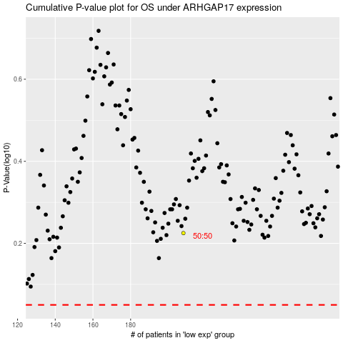

 |  |  |  |  |  | cases_OS | p_OS | rank | exp
 |  |  |  |  |  |  | cases_RFS | p_RFS | rank | exp

