ARHGAP18 _multivariate
Reported by Tex Li-Hsing Chi. tex@gate.sinica.edu.tw 2019-08-22

Table 2. The clinicopathological features of HNSCC cohort and ARHGAP18 expression. (Chi square test)
Cutoff at -0.241 (49.8%)
 |  | ARHGAP18 expression |  | ARHGAP18 expression |  | (Optimised)
 | Features | Low | (%) | High | (%) | Case no | P-value | Remark | Matthews
Gender | Female | 166 | 40 | 140 | 33.7 | 415 | 0.0041 | 1 | 0
2 | Male | 41 | 9.9 | 68 | 16.4
Age at diagnosis | <=65y | 146 | 35.2 | 128 | 30.8 | 415 | 0.0672 | 0 | 0
4 | >65y | 61 | 14.7 | 80 | 19.3
Clinical T Status | T1+T2 | 74 | 17.8 | 75 | 18.1 | 415 | 1 | 0 | 0
6 | T3+T4 | 133 | 32 | 133 | 32
Clinical N Status | N0 | 112 | 27 | 104 | 25.1 | 415 | 0.4599 | 0 | 0
8 | N1-3 | 95 | 22.9 | 104 | 25.1
Clinical M Status | M0 | 204 | 49.2 | 208 | 50.1 | 415 | 0.1232 | 0 | 0
10 | M1 | 3 | 0.7 | 0 | 0
Clinical Stage | Stage I+II | 50 | 12 | 52 | 12.5 | 415 | 0.9315 | 0 | 0
12 | Stage III+IV | 157 | 37.8 | 156 | 37.6
Surgical Margin status | Negative | 156 | 37.6 | 162 | 39 | 415 | 0.5636 | 0 | 0
14 | Positive | 51 | 12.3 | 46 | 11.1
Tobacco Exposure | Low | 72 | 17.3 | 89 | 21.4 | 415 | 0.1071 | 0 | 0
16 | High | 135 | 32.5 | 119 | 28.7

Table 3. Univariate/Multivariate Cox's proportional hazards regression analyses on OS time of ARHGAP18 gene expression in HNSCC

 |  | Univariate |  |  |  | Multivariate
 | Features | HR | CI95%(L) | CI95%(H) | P-value | HR | CI95%(L) | CI95%(H) | P-value
1 | Female | 1 |  |  |  | 1
Gender | Male | 1.157 | 0.843 | 1.587 | 0.367 | 1.181 | 0.845 | 1.65 | 0.33
11 | <=65y | 1 |  |  |  | 1
Age at diagnosis | >65y | 1.329 | 0.99 | 1.784 | 0.058 | 1.377 | 1.012 | 1.873 | 0.041
12 | T1+T2 | 1 |  |  |  | 1
Clinical T Status | T3+T4 | 1.409 | 1.028 | 1.931 | 0.033 | 2.191 | 1.158 | 4.143 | 0.016
13 | N0 | 1 |  |  |  | 1
Clinical N Status | N1-3 | 1.185 | 0.89 | 1.577 | 0.246 | 1.222 | 0.856 | 1.745 | 0.27
14 | M0 | 1 |  |  |  | 1
Clinical M Status | M1 | 4.097 | 1.009 | 16.644 | 0.049 | 10.456 | 2.262 | 48.331 | 0.003
15 | Stage I+II | 1 |  |  |  | 1
Clinical Stage | Stage III+IV | 1.245 | 0.882 | 1.759 | 0.213 | 0.51 | 0.237 | 1.094 | 0.084
16 | Negative | 1 |  |  |  | 1
Surgical Margin status | Positive | 1.591 | 1.155 | 2.191 | 0.004 | 1.701 | 1.229 | 2.353 | 0.001
17 | Low | 1 |  |  |  | 1
Tobacco Exposure | High | 1.364 | 1.008 | 1.844 | 0.044 | 1.477 | 1.071 | 2.037 | 0.018
18 | Low | 1 |  |  |  | 1
RNAseq(z-score) | High | 1.183 | 0.888 | 1.577 | 0.251 | 1.228 | 0.917 | 1.646 | 0.169

Table 4. Univariate/Multivariate Cox's proportional hazards regression analyses on RFS time of ARHGAP18 gene expression in HNSCC

 |  | Univariate |  |  |  | Multivariate
 | Features | HR | CI95%(L) | CI95%(H) | P-value | HR | CI95%(L) | CI95%(H) | P-value
1 | Female | 1 |  |  |  | 1
Gender | Male | 1.157 | 0.843 | 1.587 | 0.367 | 1.181 | 0.845 | 1.65 | 0.33
11 | <=65y | 1 |  |  |  | 1
Age at diagnosis | >65y | 1.329 | 0.99 | 1.784 | 0.058 | 1.377 | 1.012 | 1.873 | 0.041
12 | T1+T2 | 1 |  |  |  | 1
Clinical T Status | T3+T4 | 1.409 | 1.028 | 1.931 | 0.033 | 2.191 | 1.158 | 4.143 | 0.016
13 | N0 | 1 |  |  |  | 1
Clinical N Status | N1-3 | 1.185 | 0.89 | 1.577 | 0.246 | 1.222 | 0.856 | 1.745 | 0.27
14 | M0 | 1 |  |  |  | 1
Clinical M Status | M1 | 4.097 | 1.009 | 16.644 | 0.049 | 10.456 | 2.262 | 48.331 | 0.003
15 | Stage I+II | 1 |  |  |  | 1
Clinical Stage | Stage III+IV | 1.245 | 0.882 | 1.759 | 0.213 | 0.51 | 0.237 | 1.094 | 0.084
16 | Negative | 1 |  |  |  | 1
Surgical Margin status | Positive | 1.591 | 1.155 | 2.191 | 0.004 | 1.701 | 1.229 | 2.353 | 0.001
17 | Low | 1 |  |  |  | 1
Tobacco Exposure | High | 1.364 | 1.008 | 1.844 | 0.044 | 1.477 | 1.071 | 2.037 | 0.018
18 | Low | 1 |  |  |  | 1
RNAseq(z-score) | High | 1.183 | 0.888 | 1.577 | 0.251 | 1.228 | 0.917 | 1.646 | 0.169

Kaplan-Meier survival estimate: Cutoff at -0.241 (49.8%)



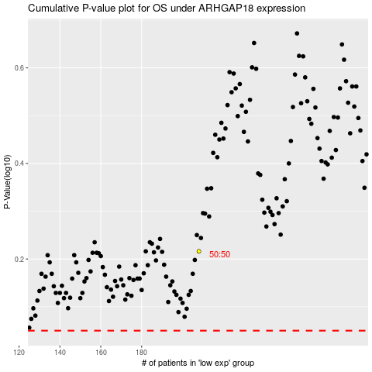

 |  |  |  |  |  | cases_OS | p_OS | rank | exp
 |  |  |  |  |  |  | cases_RFS | p_RFS | rank | exp

