ARHGAP21 _multivariate
Reported by Tex Li-Hsing Chi. tex@gate.sinica.edu.tw 2019-08-22

Table 2. The clinicopathological features of HNSCC cohort and ARHGAP21 expression. (Chi square test)
Cutoff at -0.007 (50.7%)
 |  | ARHGAP21 expression |  | ARHGAP21 expression |  | (Optimised)
 | Features | Low | (%) | High | (%) | Case no | P-value | Remark | Matthews
Gender | Female | 164 | 39.5 | 142 | 34.2 | 415 | 0.0534 | 0 | 0
2 | Male | 46 | 11.1 | 63 | 15.2
Age at diagnosis | <=65y | 142 | 34.2 | 132 | 31.8 | 415 | 0.5547 | 0 | 0
4 | >65y | 68 | 16.4 | 73 | 17.6
Clinical T Status | T1+T2 | 74 | 17.8 | 75 | 18.1 | 415 | 0.8542 | 0 | 0
6 | T3+T4 | 136 | 32.8 | 130 | 31.3
Clinical N Status | N0 | 111 | 26.7 | 105 | 25.3 | 415 | 0.8137 | 0 | 0
8 | N1-3 | 99 | 23.9 | 100 | 24.1
Clinical M Status | M0 | 208 | 50.1 | 204 | 49.2 | 415 | 1 | 0 | 0
10 | M1 | 2 | 0.5 | 1 | 0.2
Clinical Stage | Stage I+II | 47 | 11.3 | 55 | 13.3 | 415 | 0.3481 | 0 | 0
12 | Stage III+IV | 163 | 39.3 | 150 | 36.1
Surgical Margin status | Negative | 161 | 38.8 | 157 | 37.8 | 415 | 1 | 0 | 0
14 | Positive | 49 | 11.8 | 48 | 11.6
Tobacco Exposure | Low | 82 | 19.8 | 79 | 19 | 415 | 0.9201 | 0 | 0
16 | High | 128 | 30.8 | 126 | 30.4

Table 3. Univariate/Multivariate Cox's proportional hazards regression analyses on OS time of ARHGAP21 gene expression in HNSCC

 |  | Univariate |  |  |  | Multivariate
 | Features | HR | CI95%(L) | CI95%(H) | P-value | HR | CI95%(L) | CI95%(H) | P-value
1 | Female | 1 |  |  |  | 1
Gender | Male | 1.157 | 0.843 | 1.587 | 0.367 | 1.182 | 0.847 | 1.649 | 0.325
11 | <=65y | 1 |  |  |  | 1
Age at diagnosis | >65y | 1.329 | 0.99 | 1.784 | 0.058 | 1.396 | 1.027 | 1.898 | 0.033
12 | T1+T2 | 1 |  |  |  | 1
Clinical T Status | T3+T4 | 1.409 | 1.028 | 1.931 | 0.033 | 2.233 | 1.181 | 4.225 | 0.013
13 | N0 | 1 |  |  |  | 1
Clinical N Status | N1-3 | 1.185 | 0.89 | 1.577 | 0.246 | 1.241 | 0.87 | 1.77 | 0.234
14 | M0 | 1 |  |  |  | 1
Clinical M Status | M1 | 4.097 | 1.009 | 16.644 | 0.049 | 9.786 | 2.132 | 44.912 | 0.003
15 | Stage I+II | 1 |  |  |  | 1
Clinical Stage | Stage III+IV | 1.245 | 0.882 | 1.759 | 0.213 | 0.512 | 0.239 | 1.099 | 0.086
16 | Negative | 1 |  |  |  | 1
Surgical Margin status | Positive | 1.591 | 1.155 | 2.191 | 0.004 | 1.697 | 1.227 | 2.346 | 0.001
17 | Low | 1 |  |  |  | 1
Tobacco Exposure | High | 1.364 | 1.008 | 1.844 | 0.044 | 1.417 | 1.028 | 1.953 | 0.033
18 | Low | 1 |  |  |  | 1
RNAseq(z-score) | High | 1.353 | 1.011 | 1.81 | 0.042 | 1.367 | 1.019 | 1.834 | 0.037

Table 4. Univariate/Multivariate Cox's proportional hazards regression analyses on RFS time of ARHGAP21 gene expression in HNSCC

 |  | Univariate |  |  |  | Multivariate
 | Features | HR | CI95%(L) | CI95%(H) | P-value | HR | CI95%(L) | CI95%(H) | P-value
1 | Female | 1 |  |  |  | 1
Gender | Male | 1.157 | 0.843 | 1.587 | 0.367 | 1.182 | 0.847 | 1.649 | 0.325
11 | <=65y | 1 |  |  |  | 1
Age at diagnosis | >65y | 1.329 | 0.99 | 1.784 | 0.058 | 1.396 | 1.027 | 1.898 | 0.033
12 | T1+T2 | 1 |  |  |  | 1
Clinical T Status | T3+T4 | 1.409 | 1.028 | 1.931 | 0.033 | 2.233 | 1.181 | 4.225 | 0.013
13 | N0 | 1 |  |  |  | 1
Clinical N Status | N1-3 | 1.185 | 0.89 | 1.577 | 0.246 | 1.241 | 0.87 | 1.77 | 0.234
14 | M0 | 1 |  |  |  | 1
Clinical M Status | M1 | 4.097 | 1.009 | 16.644 | 0.049 | 9.786 | 2.132 | 44.912 | 0.003
15 | Stage I+II | 1 |  |  |  | 1
Clinical Stage | Stage III+IV | 1.245 | 0.882 | 1.759 | 0.213 | 0.512 | 0.239 | 1.099 | 0.086
16 | Negative | 1 |  |  |  | 1
Surgical Margin status | Positive | 1.591 | 1.155 | 2.191 | 0.004 | 1.697 | 1.227 | 2.346 | 0.001
17 | Low | 1 |  |  |  | 1
Tobacco Exposure | High | 1.364 | 1.008 | 1.844 | 0.044 | 1.417 | 1.028 | 1.953 | 0.033
18 | Low | 1 |  |  |  | 1
RNAseq(z-score) | High | 1.353 | 1.011 | 1.81 | 0.042 | 1.367 | 1.019 | 1.834 | 0.037

Kaplan-Meier survival estimate: Cutoff at -0.007 (50.7%)



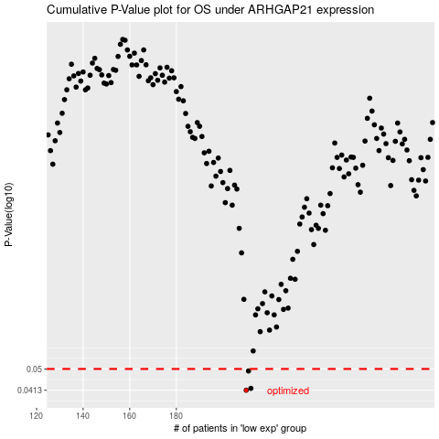

 |  |  |  |  |  | cases_OS | p_OS | rank | exp
 |  |  |  |  |  | 210 | 0.0413 | 82 | -0.0074774049154
 |  |  |  |  |  | 212 | 0.042 | 99 | 0.0020161844745
 |  |  |  |  |  | 211 | 0.0491 | 162 | 0.00040659613248
 |  |  |  |  |  |  | cases_RFS | p_RFS | rank | exp
 |  |  |  |  |  |  | 209 | 0.0413 | 271 | -0.0094649309709
 |  |  |  |  |  |  | 211 | 0.042 | 162 | 0.00040659613248
 |  |  |  |  |  |  | 210 | 0.0491 | 82 | -0.0074774049154

