ARHGAP22 _multivariate
Reported by Tex Li-Hsing Chi. tex@gate.sinica.edu.tw 2019-08-22

Table 2. The clinicopathological features of HNSCC cohort and ARHGAP22 expression. (Chi square test)
Cutoff at -0.204 (49.8%)
 |  | ARHGAP22 expression |  | ARHGAP22 expression |  | (Optimised)
 | Features | Low | (%) | High | (%) | Case no | P-value | Remark | Matthews
Gender | Female | 160 | 38.6 | 146 | 35.2 | 415 | 0.1254 | 0 | 0
2 | Male | 47 | 11.3 | 62 | 14.9
Age at diagnosis | <=65y | 136 | 32.8 | 138 | 33.3 | 415 | 0.9719 | 0 | 0
4 | >65y | 71 | 17.1 | 70 | 16.9
Clinical T Status | T1+T2 | 71 | 17.1 | 78 | 18.8 | 415 | 0.5638 | 0 | 0
6 | T3+T4 | 136 | 32.8 | 130 | 31.3
Clinical N Status | N0 | 98 | 23.6 | 118 | 28.4 | 415 | 0.0694 | 0 | 0
8 | N1-3 | 109 | 26.3 | 90 | 21.7
Clinical M Status | M0 | 204 | 49.2 | 208 | 50.1 | 415 | 0.1232 | 0 | 0
10 | M1 | 3 | 0.7 | 0 | 0
Clinical Stage | Stage I+II | 45 | 10.8 | 57 | 13.7 | 415 | 0.2202 | 0 | 0
12 | Stage III+IV | 162 | 39 | 151 | 36.4
Surgical Margin status | Negative | 161 | 38.8 | 157 | 37.8 | 415 | 0.6429 | 0 | 0
14 | Positive | 46 | 11.1 | 51 | 12.3
Tobacco Exposure | Low | 69 | 16.6 | 92 | 22.2 | 415 | 0.0266 | 1 | 0
16 | High | 138 | 33.3 | 116 | 28

Table 3. Univariate/Multivariate Cox's proportional hazards regression analyses on OS time of ARHGAP22 gene expression in HNSCC

 |  | Univariate |  |  |  | Multivariate
 | Features | HR | CI95%(L) | CI95%(H) | P-value | HR | CI95%(L) | CI95%(H) | P-value
1 | Female | 1 |  |  |  | 1
Gender | Male | 1.157 | 0.843 | 1.587 | 0.367 | 1.208 | 0.863 | 1.689 | 0.27
11 | <=65y | 1 |  |  |  | 1
Age at diagnosis | >65y | 1.329 | 0.99 | 1.784 | 0.058 | 1.392 | 1.024 | 1.892 | 0.035
12 | T1+T2 | 1 |  |  |  | 1
Clinical T Status | T3+T4 | 1.409 | 1.028 | 1.931 | 0.033 | 2.207 | 1.167 | 4.173 | 0.015
13 | N0 | 1 |  |  |  | 1
Clinical N Status | N1-3 | 1.185 | 0.89 | 1.577 | 0.246 | 1.238 | 0.868 | 1.767 | 0.238
14 | M0 | 1 |  |  |  | 1
Clinical M Status | M1 | 4.097 | 1.009 | 16.644 | 0.049 | 9.223 | 2.003 | 42.467 | 0.004
15 | Stage I+II | 1 |  |  |  | 1
Clinical Stage | Stage III+IV | 1.245 | 0.882 | 1.759 | 0.213 | 0.502 | 0.234 | 1.079 | 0.077
16 | Negative | 1 |  |  |  | 1
Surgical Margin status | Positive | 1.591 | 1.155 | 2.191 | 0.004 | 1.681 | 1.214 | 2.328 | 0.002
17 | Low | 1 |  |  |  | 1
Tobacco Exposure | High | 1.364 | 1.008 | 1.844 | 0.044 | 1.45 | 1.052 | 1.999 | 0.023
18 | Low | 1 |  |  |  | 1
RNAseq(z-score) | High | 0.97 | 0.727 | 1.295 | 0.838 | 0.952 | 0.709 | 1.279 | 0.744

Table 4. Univariate/Multivariate Cox's proportional hazards regression analyses on RFS time of ARHGAP22 gene expression in HNSCC

 |  | Univariate |  |  |  | Multivariate
 | Features | HR | CI95%(L) | CI95%(H) | P-value | HR | CI95%(L) | CI95%(H) | P-value
1 | Female | 1 |  |  |  | 1
Gender | Male | 1.157 | 0.843 | 1.587 | 0.367 | 1.208 | 0.863 | 1.689 | 0.27
11 | <=65y | 1 |  |  |  | 1
Age at diagnosis | >65y | 1.329 | 0.99 | 1.784 | 0.058 | 1.392 | 1.024 | 1.892 | 0.035
12 | T1+T2 | 1 |  |  |  | 1
Clinical T Status | T3+T4 | 1.409 | 1.028 | 1.931 | 0.033 | 2.207 | 1.167 | 4.173 | 0.015
13 | N0 | 1 |  |  |  | 1
Clinical N Status | N1-3 | 1.185 | 0.89 | 1.577 | 0.246 | 1.238 | 0.868 | 1.767 | 0.238
14 | M0 | 1 |  |  |  | 1
Clinical M Status | M1 | 4.097 | 1.009 | 16.644 | 0.049 | 9.223 | 2.003 | 42.467 | 0.004
15 | Stage I+II | 1 |  |  |  | 1
Clinical Stage | Stage III+IV | 1.245 | 0.882 | 1.759 | 0.213 | 0.502 | 0.234 | 1.079 | 0.077
16 | Negative | 1 |  |  |  | 1
Surgical Margin status | Positive | 1.591 | 1.155 | 2.191 | 0.004 | 1.681 | 1.214 | 2.328 | 0.002
17 | Low | 1 |  |  |  | 1
Tobacco Exposure | High | 1.364 | 1.008 | 1.844 | 0.044 | 1.45 | 1.052 | 1.999 | 0.023
18 | Low | 1 |  |  |  | 1
RNAseq(z-score) | High | 0.97 | 0.727 | 1.295 | 0.838 | 0.952 | 0.709 | 1.279 | 0.744

Kaplan-Meier survival estimate: Cutoff at -0.204 (49.8%)



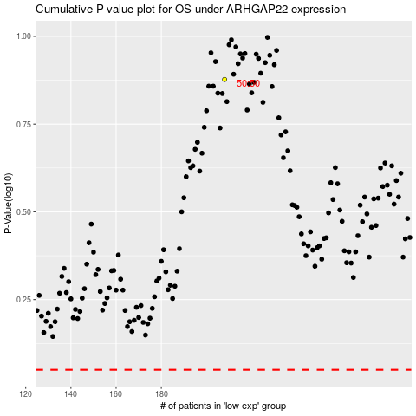

 |  |  |  |  |  | cases_OS | p_OS | rank | exp
 |  |  |  |  |  |  | cases_RFS | p_RFS | rank | exp

