ARHGAP24 _multivariate
Reported by Tex Li-Hsing Chi. tex@gate.sinica.edu.tw 2019-08-22

Table 2. The clinicopathological features of HNSCC cohort and ARHGAP24 expression. (Chi square test)
Cutoff at -0.338 (49.8%)
 |  | ARHGAP24 expression |  | ARHGAP24 expression |  | (Optimised)
 | Features | Low | (%) | High | (%) | Case no | P-value | Remark | Matthews
Gender | Female | 150 | 36.1 | 156 | 37.6 | 415 | 0.6344 | 0 | 0
2 | Male | 57 | 13.7 | 52 | 12.5
Age at diagnosis | <=65y | 139 | 33.5 | 135 | 32.5 | 415 | 0.7044 | 0 | 0
4 | >65y | 68 | 16.4 | 73 | 17.6
Clinical T Status | T1+T2 | 73 | 17.6 | 76 | 18.3 | 415 | 0.8666 | 0 | 0
6 | T3+T4 | 134 | 32.3 | 132 | 31.8
Clinical N Status | N0 | 99 | 23.9 | 117 | 28.2 | 415 | 0.1054 | 0 | 0
8 | N1-3 | 108 | 26 | 91 | 21.9
Clinical M Status | M0 | 204 | 49.2 | 208 | 50.1 | 415 | 0.1232 | 0 | 0
10 | M1 | 3 | 0.7 | 0 | 0
Clinical Stage | Stage I+II | 53 | 12.8 | 49 | 11.8 | 415 | 0.7113 | 0 | 0
12 | Stage III+IV | 154 | 37.1 | 159 | 38.3
Surgical Margin status | Negative | 158 | 38.1 | 160 | 38.6 | 415 | 0.9081 | 0 | 0
14 | Positive | 49 | 11.8 | 48 | 11.6
Tobacco Exposure | Low | 91 | 21.9 | 70 | 16.9 | 415 | 0.0346 | 1 | 0
16 | High | 116 | 28 | 138 | 33.3

Table 3. Univariate/Multivariate Cox's proportional hazards regression analyses on OS time of ARHGAP24 gene expression in HNSCC

 |  | Univariate |  |  |  | Multivariate
 | Features | HR | CI95%(L) | CI95%(H) | P-value | HR | CI95%(L) | CI95%(H) | P-value
1 | Female | 1 |  |  |  | 1
Gender | Male | 1.157 | 0.843 | 1.587 | 0.367 | 1.199 | 0.857 | 1.676 | 0.289
11 | <=65y | 1 |  |  |  | 1
Age at diagnosis | >65y | 1.329 | 0.99 | 1.784 | 0.058 | 1.394 | 1.025 | 1.896 | 0.034
12 | T1+T2 | 1 |  |  |  | 1
Clinical T Status | T3+T4 | 1.409 | 1.028 | 1.931 | 0.033 | 2.181 | 1.15 | 4.134 | 0.017
13 | N0 | 1 |  |  |  | 1
Clinical N Status | N1-3 | 1.185 | 0.89 | 1.577 | 0.246 | 1.233 | 0.862 | 1.763 | 0.251
14 | M0 | 1 |  |  |  | 1
Clinical M Status | M1 | 4.097 | 1.009 | 16.644 | 0.049 | 9.104 | 1.961 | 42.252 | 0.005
15 | Stage I+II | 1 |  |  |  | 1
Clinical Stage | Stage III+IV | 1.245 | 0.882 | 1.759 | 0.213 | 0.514 | 0.237 | 1.112 | 0.091
16 | Negative | 1 |  |  |  | 1
Surgical Margin status | Positive | 1.591 | 1.155 | 2.191 | 0.004 | 1.666 | 1.206 | 2.304 | 0.002
17 | Low | 1 |  |  |  | 1
Tobacco Exposure | High | 1.364 | 1.008 | 1.844 | 0.044 | 1.465 | 1.059 | 2.027 | 0.021
18 | Low | 1 |  |  |  | 1
RNAseq(z-score) | High | 0.932 | 0.7 | 1.24 | 0.627 | 0.952 | 0.707 | 1.281 | 0.745

Table 4. Univariate/Multivariate Cox's proportional hazards regression analyses on RFS time of ARHGAP24 gene expression in HNSCC

 |  | Univariate |  |  |  | Multivariate
 | Features | HR | CI95%(L) | CI95%(H) | P-value | HR | CI95%(L) | CI95%(H) | P-value
1 | Female | 1 |  |  |  | 1
Gender | Male | 1.157 | 0.843 | 1.587 | 0.367 | 1.199 | 0.857 | 1.676 | 0.289
11 | <=65y | 1 |  |  |  | 1
Age at diagnosis | >65y | 1.329 | 0.99 | 1.784 | 0.058 | 1.394 | 1.025 | 1.896 | 0.034
12 | T1+T2 | 1 |  |  |  | 1
Clinical T Status | T3+T4 | 1.409 | 1.028 | 1.931 | 0.033 | 2.181 | 1.15 | 4.134 | 0.017
13 | N0 | 1 |  |  |  | 1
Clinical N Status | N1-3 | 1.185 | 0.89 | 1.577 | 0.246 | 1.233 | 0.862 | 1.763 | 0.251
14 | M0 | 1 |  |  |  | 1
Clinical M Status | M1 | 4.097 | 1.009 | 16.644 | 0.049 | 9.104 | 1.961 | 42.252 | 0.005
15 | Stage I+II | 1 |  |  |  | 1
Clinical Stage | Stage III+IV | 1.245 | 0.882 | 1.759 | 0.213 | 0.514 | 0.237 | 1.112 | 0.091
16 | Negative | 1 |  |  |  | 1
Surgical Margin status | Positive | 1.591 | 1.155 | 2.191 | 0.004 | 1.666 | 1.206 | 2.304 | 0.002
17 | Low | 1 |  |  |  | 1
Tobacco Exposure | High | 1.364 | 1.008 | 1.844 | 0.044 | 1.465 | 1.059 | 2.027 | 0.021
18 | Low | 1 |  |  |  | 1
RNAseq(z-score) | High | 0.932 | 0.7 | 1.24 | 0.627 | 0.952 | 0.707 | 1.281 | 0.745

Kaplan-Meier survival estimate: Cutoff at -0.338 (49.8%)



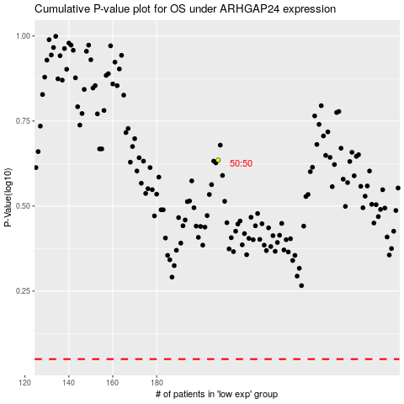

 |  |  |  |  |  | cases_OS | p_OS | rank | exp
 |  |  |  |  |  |  | cases_RFS | p_RFS | rank | exp

