ARHGAP25 _multivariate
Reported by Tex Li-Hsing Chi. tex@gate.sinica.edu.tw 2019-08-22

Table 2. The clinicopathological features of HNSCC cohort and ARHGAP25 expression. (Chi square test)
Cutoff at -0.169 (50.0%)
 |  | ARHGAP25 expression |  | ARHGAP25 expression |  | (Optimised)
 | Features | Low | (%) | High | (%) | Case no | P-value | Remark | Matthews
Gender | Female | 161 | 38.8 | 145 | 34.9 | 415 | 0.0792 | 0 | 0
2 | Male | 46 | 11.1 | 63 | 15.2
Age at diagnosis | <=65y | 137 | 33 | 137 | 33 | 415 | 1 | 0 | 0
4 | >65y | 70 | 16.9 | 71 | 17.1
Clinical T Status | T1+T2 | 66 | 15.9 | 83 | 20 | 415 | 0.1095 | 0 | 0
6 | T3+T4 | 141 | 34 | 125 | 30.1
Clinical N Status | N0 | 110 | 26.5 | 106 | 25.5 | 415 | 0.7294 | 0 | 0
8 | N1-3 | 97 | 23.4 | 102 | 24.6
Clinical M Status | M0 | 206 | 49.6 | 206 | 49.6 | 415 | 1 | 0 | 0
10 | M1 | 1 | 0.2 | 2 | 0.5
Clinical Stage | Stage I+II | 42 | 10.1 | 60 | 14.5 | 415 | 0.0561 | 0 | 0
12 | Stage III+IV | 165 | 39.8 | 148 | 35.7
Surgical Margin status | Negative | 153 | 36.9 | 165 | 39.8 | 415 | 0.2036 | 0 | 0
14 | Positive | 54 | 13 | 43 | 10.4
Tobacco Exposure | Low | 70 | 16.9 | 91 | 21.9 | 415 | 0.0439 | 1 | 0
16 | High | 137 | 33 | 117 | 28.2

Table 3. Univariate/Multivariate Cox's proportional hazards regression analyses on OS time of ARHGAP25 gene expression in HNSCC

 |  | Univariate |  |  |  | Multivariate
 | Features | HR | CI95%(L) | CI95%(H) | P-value | HR | CI95%(L) | CI95%(H) | P-value
1 | Female | 1 |  |  |  | 1
Gender | Male | 1.157 | 0.843 | 1.587 | 0.367 | 1.202 | 0.86 | 1.679 | 0.281
11 | <=65y | 1 |  |  |  | 1
Age at diagnosis | >65y | 1.329 | 0.99 | 1.784 | 0.058 | 1.391 | 1.023 | 1.892 | 0.035
12 | T1+T2 | 1 |  |  |  | 1
Clinical T Status | T3+T4 | 1.409 | 1.028 | 1.931 | 0.033 | 2.202 | 1.165 | 4.164 | 0.015
13 | N0 | 1 |  |  |  | 1
Clinical N Status | N1-3 | 1.185 | 0.89 | 1.577 | 0.246 | 1.241 | 0.869 | 1.773 | 0.234
14 | M0 | 1 |  |  |  | 1
Clinical M Status | M1 | 4.097 | 1.009 | 16.644 | 0.049 | 9.422 | 2.051 | 43.286 | 0.004
15 | Stage I+II | 1 |  |  |  | 1
Clinical Stage | Stage III+IV | 1.245 | 0.882 | 1.759 | 0.213 | 0.504 | 0.234 | 1.085 | 0.08
16 | Negative | 1 |  |  |  | 1
Surgical Margin status | Positive | 1.591 | 1.155 | 2.191 | 0.004 | 1.671 | 1.21 | 2.31 | 0.002
17 | Low | 1 |  |  |  | 1
Tobacco Exposure | High | 1.364 | 1.008 | 1.844 | 0.044 | 1.452 | 1.051 | 2.005 | 0.024
18 | Low | 1 |  |  |  | 1
RNAseq(z-score) | High | 0.936 | 0.703 | 1.246 | 0.649 | 0.994 | 0.74 | 1.335 | 0.968

Table 4. Univariate/Multivariate Cox's proportional hazards regression analyses on RFS time of ARHGAP25 gene expression in HNSCC

 |  | Univariate |  |  |  | Multivariate
 | Features | HR | CI95%(L) | CI95%(H) | P-value | HR | CI95%(L) | CI95%(H) | P-value
1 | Female | 1 |  |  |  | 1
Gender | Male | 1.157 | 0.843 | 1.587 | 0.367 | 1.202 | 0.86 | 1.679 | 0.281
11 | <=65y | 1 |  |  |  | 1
Age at diagnosis | >65y | 1.329 | 0.99 | 1.784 | 0.058 | 1.391 | 1.023 | 1.892 | 0.035
12 | T1+T2 | 1 |  |  |  | 1
Clinical T Status | T3+T4 | 1.409 | 1.028 | 1.931 | 0.033 | 2.202 | 1.165 | 4.164 | 0.015
13 | N0 | 1 |  |  |  | 1
Clinical N Status | N1-3 | 1.185 | 0.89 | 1.577 | 0.246 | 1.241 | 0.869 | 1.773 | 0.234
14 | M0 | 1 |  |  |  | 1
Clinical M Status | M1 | 4.097 | 1.009 | 16.644 | 0.049 | 9.422 | 2.051 | 43.286 | 0.004
15 | Stage I+II | 1 |  |  |  | 1
Clinical Stage | Stage III+IV | 1.245 | 0.882 | 1.759 | 0.213 | 0.504 | 0.234 | 1.085 | 0.08
16 | Negative | 1 |  |  |  | 1
Surgical Margin status | Positive | 1.591 | 1.155 | 2.191 | 0.004 | 1.671 | 1.21 | 2.31 | 0.002
17 | Low | 1 |  |  |  | 1
Tobacco Exposure | High | 1.364 | 1.008 | 1.844 | 0.044 | 1.452 | 1.051 | 2.005 | 0.024
18 | Low | 1 |  |  |  | 1
RNAseq(z-score) | High | 0.936 | 0.703 | 1.246 | 0.649 | 0.994 | 0.74 | 1.335 | 0.968

Kaplan-Meier survival estimate: Cutoff at -0.169 (50.0%)



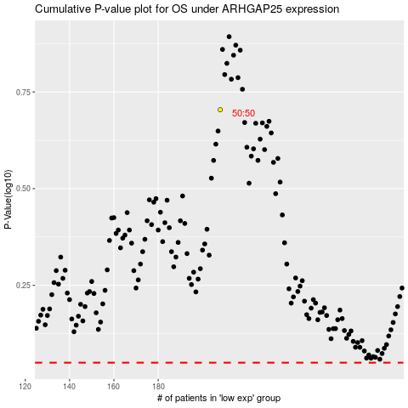

 |  |  |  |  |  | cases_OS | p_OS | rank | exp
 |  |  |  |  |  |  | cases_RFS | p_RFS | rank | exp

