ARHGAP26 _multivariate
Reported by Tex Li-Hsing Chi. tex@gate.sinica.edu.tw 2019-08-22

Table 2. The clinicopathological features of HNSCC cohort and ARHGAP26 expression. (Chi square test)
Cutoff at -0.412 (41.1%)
 |  | ARHGAP26 expression |  | ARHGAP26 expression |  | (Optimised)
 | Features | Low | (%) | High | (%) | Case no | P-value | Remark | Matthews
Gender | Female | 127 | 30.6 | 179 | 43.1 | 415 | 0.9254 | 0 | 0
2 | Male | 44 | 10.6 | 65 | 15.7
Age at diagnosis | <=65y | 113 | 27.2 | 161 | 38.8 | 415 | 1 | 0 | 0
4 | >65y | 58 | 14 | 83 | 20
Clinical T Status | T1+T2 | 51 | 12.3 | 98 | 23.6 | 415 | 0.0397 | 1 | 0
6 | T3+T4 | 120 | 28.9 | 146 | 35.2
Clinical N Status | N0 | 85 | 20.5 | 131 | 31.6 | 415 | 0.4844 | 0 | 0
8 | N1-3 | 86 | 20.7 | 113 | 27.2
Clinical M Status | M0 | 168 | 40.5 | 244 | 58.8 | 415 | 0.0692 | 0 | 0
10 | M1 | 3 | 0.7 | 0 | 0
Clinical Stage | Stage I+II | 39 | 9.4 | 63 | 15.2 | 415 | 0.558 | 0 | 0
12 | Stage III+IV | 132 | 31.8 | 181 | 43.6
Surgical Margin status | Negative | 131 | 31.6 | 187 | 45.1 | 415 | 1 | 0 | 0
14 | Positive | 40 | 9.6 | 57 | 13.7
Tobacco Exposure | Low | 70 | 16.9 | 91 | 21.9 | 415 | 0.4748 | 0 | 0
16 | High | 101 | 24.3 | 153 | 36.9

Table 3. Univariate/Multivariate Cox's proportional hazards regression analyses on OS time of ARHGAP26 gene expression in HNSCC

 |  | Univariate |  |  |  | Multivariate
 | Features | HR | CI95%(L) | CI95%(H) | P-value | HR | CI95%(L) | CI95%(H) | P-value
1 | Female | 1 |  |  |  | 1
Gender | Male | 1.157 | 0.843 | 1.587 | 0.367 | 1.2 | 0.858 | 1.68 | 0.287
11 | <=65y | 1 |  |  |  | 1
Age at diagnosis | >65y | 1.329 | 0.99 | 1.784 | 0.058 | 1.378 | 1.012 | 1.876 | 0.042
12 | T1+T2 | 1 |  |  |  | 1
Clinical T Status | T3+T4 | 1.409 | 1.028 | 1.931 | 0.033 | 2.1 | 1.108 | 3.982 | 0.023
13 | N0 | 1 |  |  |  | 1
Clinical N Status | N1-3 | 1.185 | 0.89 | 1.577 | 0.246 | 1.207 | 0.844 | 1.726 | 0.304
14 | M0 | 1 |  |  |  | 1
Clinical M Status | M1 | 4.097 | 1.009 | 16.644 | 0.049 | 7.904 | 1.703 | 36.682 | 0.008
15 | Stage I+II | 1 |  |  |  | 1
Clinical Stage | Stage III+IV | 1.245 | 0.882 | 1.759 | 0.213 | 0.534 | 0.248 | 1.151 | 0.109
16 | Negative | 1 |  |  |  | 1
Surgical Margin status | Positive | 1.591 | 1.155 | 2.191 | 0.004 | 1.693 | 1.225 | 2.34 | 0.001
17 | Low | 1 |  |  |  | 1
Tobacco Exposure | High | 1.364 | 1.008 | 1.844 | 0.044 | 1.484 | 1.074 | 2.05 | 0.017
18 | Low | 1 |  |  |  | 1
RNAseq(z-score) | High | 0.744 | 0.558 | 0.992 | 0.044 | 0.774 | 0.577 | 1.039 | 0.088

Table 4. Univariate/Multivariate Cox's proportional hazards regression analyses on RFS time of ARHGAP26 gene expression in HNSCC

 |  | Univariate |  |  |  | Multivariate
 | Features | HR | CI95%(L) | CI95%(H) | P-value | HR | CI95%(L) | CI95%(H) | P-value
1 | Female | 1 |  |  |  | 1
Gender | Male | 1.157 | 0.843 | 1.587 | 0.367 | 1.2 | 0.858 | 1.68 | 0.287
11 | <=65y | 1 |  |  |  | 1
Age at diagnosis | >65y | 1.329 | 0.99 | 1.784 | 0.058 | 1.378 | 1.012 | 1.876 | 0.042
12 | T1+T2 | 1 |  |  |  | 1
Clinical T Status | T3+T4 | 1.409 | 1.028 | 1.931 | 0.033 | 2.1 | 1.108 | 3.982 | 0.023
13 | N0 | 1 |  |  |  | 1
Clinical N Status | N1-3 | 1.185 | 0.89 | 1.577 | 0.246 | 1.207 | 0.844 | 1.726 | 0.304
14 | M0 | 1 |  |  |  | 1
Clinical M Status | M1 | 4.097 | 1.009 | 16.644 | 0.049 | 7.904 | 1.703 | 36.682 | 0.008
15 | Stage I+II | 1 |  |  |  | 1
Clinical Stage | Stage III+IV | 1.245 | 0.882 | 1.759 | 0.213 | 0.534 | 0.248 | 1.151 | 0.109
16 | Negative | 1 |  |  |  | 1
Surgical Margin status | Positive | 1.591 | 1.155 | 2.191 | 0.004 | 1.693 | 1.225 | 2.34 | 0.001
17 | Low | 1 |  |  |  | 1
Tobacco Exposure | High | 1.364 | 1.008 | 1.844 | 0.044 | 1.484 | 1.074 | 2.05 | 0.017
18 | Low | 1 |  |  |  | 1
RNAseq(z-score) | High | 0.744 | 0.558 | 0.992 | 0.044 | 0.774 | 0.577 | 1.039 | 0.088

Kaplan-Meier survival estimate: Cutoff at -0.412 (41.1%)



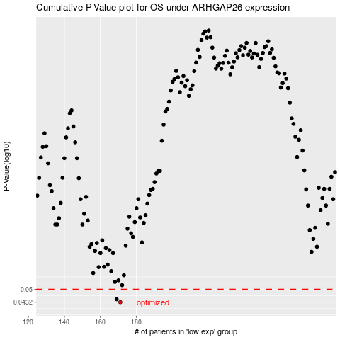

 |  |  |  |  |  | cases_OS | p_OS | rank | exp
 |  |  |  |  |  | 171 | 0.0432 | 350 | -0.41238615386
 |  |  |  |  |  | 169 | 0.0447 | 347 | -0.41415447994
 |  |  |  |  |  |  | cases_RFS | p_RFS | rank | exp
 |  |  |  |  |  |  | 170 | 0.0432 | 284 | -0.41251515672
 |  |  |  |  |  |  | 168 | 0.0447 | 405 | -0.41446817542

