ARHGAP27 _multivariate
Reported by Tex Li-Hsing Chi. tex@gate.sinica.edu.tw 2019-08-22

Table 2. The clinicopathological features of HNSCC cohort and ARHGAP27 expression. (Chi square test)
Cutoff at -0.221 (50.0%)
 |  | ARHGAP27 expression |  | ARHGAP27 expression |  | (Optimised)
 | Features | Low | (%) | High | (%) | Case no | P-value | Remark | Matthews
Gender | Female | 154 | 37.1 | 152 | 36.6 | 415 | 0.8463 | 0 | 0
2 | Male | 53 | 12.8 | 56 | 13.5
Age at diagnosis | <=65y | 137 | 33 | 137 | 33 | 415 | 1 | 0 | 0
4 | >65y | 70 | 16.9 | 71 | 17.1
Clinical T Status | T1+T2 | 74 | 17.8 | 75 | 18.1 | 415 | 1 | 0 | 0
6 | T3+T4 | 133 | 32 | 133 | 32
Clinical N Status | N0 | 95 | 22.9 | 121 | 29.2 | 415 | 0.0162 | 1 | 0
8 | N1-3 | 112 | 27 | 87 | 21
Clinical M Status | M0 | 206 | 49.6 | 206 | 49.6 | 415 | 1 | 0 | 0
10 | M1 | 1 | 0.2 | 2 | 0.5
Clinical Stage | Stage I+II | 53 | 12.8 | 49 | 11.8 | 415 | 0.7113 | 0 | 0
12 | Stage III+IV | 154 | 37.1 | 159 | 38.3
Surgical Margin status | Negative | 163 | 39.3 | 155 | 37.3 | 415 | 0.3537 | 0 | 0
14 | Positive | 44 | 10.6 | 53 | 12.8
Tobacco Exposure | Low | 80 | 19.3 | 81 | 19.5 | 415 | 1 | 0 | 0
16 | High | 127 | 30.6 | 127 | 30.6

Table 3. Univariate/Multivariate Cox's proportional hazards regression analyses on OS time of ARHGAP27 gene expression in HNSCC

 |  | Univariate |  |  |  | Multivariate
 | Features | HR | CI95%(L) | CI95%(H) | P-value | HR | CI95%(L) | CI95%(H) | P-value
1 | Female | 1 |  |  |  | 1
Gender | Male | 1.157 | 0.843 | 1.587 | 0.367 | 1.216 | 0.87 | 1.699 | 0.252
11 | <=65y | 1 |  |  |  | 1
Age at diagnosis | >65y | 1.329 | 0.99 | 1.784 | 0.058 | 1.379 | 1.015 | 1.875 | 0.04
12 | T1+T2 | 1 |  |  |  | 1
Clinical T Status | T3+T4 | 1.409 | 1.028 | 1.931 | 0.033 | 2.11 | 1.114 | 3.996 | 0.022
13 | N0 | 1 |  |  |  | 1
Clinical N Status | N1-3 | 1.185 | 0.89 | 1.577 | 0.246 | 1.15 | 0.796 | 1.663 | 0.457
14 | M0 | 1 |  |  |  | 1
Clinical M Status | M1 | 4.097 | 1.009 | 16.644 | 0.049 | 9.505 | 2.073 | 43.575 | 0.004
15 | Stage I+II | 1 |  |  |  | 1
Clinical Stage | Stage III+IV | 1.245 | 0.882 | 1.759 | 0.213 | 0.556 | 0.257 | 1.206 | 0.137
16 | Negative | 1 |  |  |  | 1
Surgical Margin status | Positive | 1.591 | 1.155 | 2.191 | 0.004 | 1.697 | 1.228 | 2.345 | 0.001
17 | Low | 1 |  |  |  | 1
Tobacco Exposure | High | 1.364 | 1.008 | 1.844 | 0.044 | 1.471 | 1.068 | 2.027 | 0.018
18 | Low | 1 |  |  |  | 1
RNAseq(z-score) | High | 0.793 | 0.594 | 1.058 | 0.114 | 0.794 | 0.588 | 1.072 | 0.132

Table 4. Univariate/Multivariate Cox's proportional hazards regression analyses on RFS time of ARHGAP27 gene expression in HNSCC

 |  | Univariate |  |  |  | Multivariate
 | Features | HR | CI95%(L) | CI95%(H) | P-value | HR | CI95%(L) | CI95%(H) | P-value
1 | Female | 1 |  |  |  | 1
Gender | Male | 1.157 | 0.843 | 1.587 | 0.367 | 1.216 | 0.87 | 1.699 | 0.252
11 | <=65y | 1 |  |  |  | 1
Age at diagnosis | >65y | 1.329 | 0.99 | 1.784 | 0.058 | 1.379 | 1.015 | 1.875 | 0.04
12 | T1+T2 | 1 |  |  |  | 1
Clinical T Status | T3+T4 | 1.409 | 1.028 | 1.931 | 0.033 | 2.11 | 1.114 | 3.996 | 0.022
13 | N0 | 1 |  |  |  | 1
Clinical N Status | N1-3 | 1.185 | 0.89 | 1.577 | 0.246 | 1.15 | 0.796 | 1.663 | 0.457
14 | M0 | 1 |  |  |  | 1
Clinical M Status | M1 | 4.097 | 1.009 | 16.644 | 0.049 | 9.505 | 2.073 | 43.575 | 0.004
15 | Stage I+II | 1 |  |  |  | 1
Clinical Stage | Stage III+IV | 1.245 | 0.882 | 1.759 | 0.213 | 0.556 | 0.257 | 1.206 | 0.137
16 | Negative | 1 |  |  |  | 1
Surgical Margin status | Positive | 1.591 | 1.155 | 2.191 | 0.004 | 1.697 | 1.228 | 2.345 | 0.001
17 | Low | 1 |  |  |  | 1
Tobacco Exposure | High | 1.364 | 1.008 | 1.844 | 0.044 | 1.471 | 1.068 | 2.027 | 0.018
18 | Low | 1 |  |  |  | 1
RNAseq(z-score) | High | 0.793 | 0.594 | 1.058 | 0.114 | 0.794 | 0.588 | 1.072 | 0.132

Kaplan-Meier survival estimate: Cutoff at -0.221 (50.0%)

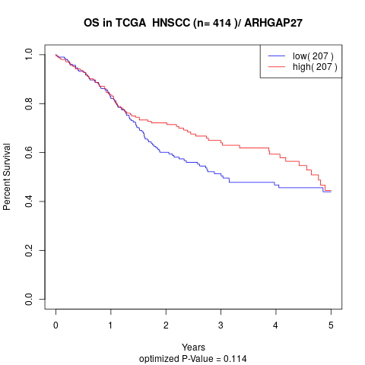

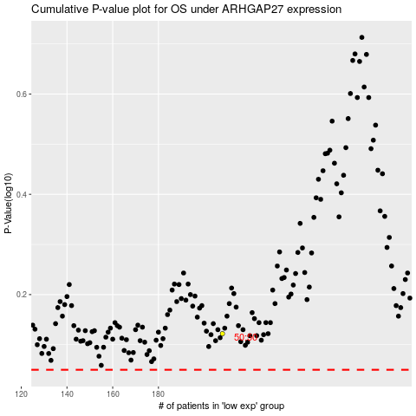

 |  |  |  |  |  | cases_OS | p_OS | rank | exp
 |  |  |  |  |  |  | cases_RFS | p_RFS | rank | exp

