ARHGAP28 _multivariate
Reported by Tex Li-Hsing Chi. tex@gate.sinica.edu.tw 2019-08-22

Table 2. The clinicopathological features of HNSCC cohort and ARHGAP28 expression. (Chi square test)
Cutoff at 0.137 (69.6%)
 |  | ARHGAP28 expression |  | ARHGAP28 expression |  | (Optimised)
 | Features | Low | (%) | High | (%) | Case no | P-value | Remark | Matthews
Gender | Female | 214 | 51.6 | 92 | 22.2 | 415 | 0.9215 | 0 | 0
2 | Male | 75 | 18.1 | 34 | 8.2
Age at diagnosis | <=65y | 191 | 46 | 83 | 20 | 415 | 1 | 0 | 0
4 | >65y | 98 | 23.6 | 43 | 10.4
Clinical T Status | T1+T2 | 97 | 23.4 | 52 | 12.5 | 415 | 0.1635 | 0 | 0
6 | T3+T4 | 192 | 46.3 | 74 | 17.8
Clinical N Status | N0 | 146 | 35.2 | 70 | 16.9 | 415 | 0.4023 | 0 | 0
8 | N1-3 | 143 | 34.5 | 56 | 13.5
Clinical M Status | M0 | 286 | 68.9 | 126 | 30.4 | 415 | 0.5566 | 0 | 0
10 | M1 | 3 | 0.7 | 0 | 0
Clinical Stage | Stage I+II | 67 | 16.1 | 35 | 8.4 | 415 | 0.3813 | 0 | 0
12 | Stage III+IV | 222 | 53.5 | 91 | 21.9
Surgical Margin status | Negative | 220 | 53 | 98 | 23.6 | 415 | 0.8011 | 0 | 0
14 | Positive | 69 | 16.6 | 28 | 6.7
Tobacco Exposure | Low | 111 | 26.7 | 50 | 12 | 415 | 0.8271 | 0 | 0
16 | High | 178 | 42.9 | 76 | 18.3

Table 3. Univariate/Multivariate Cox's proportional hazards regression analyses on OS time of ARHGAP28 gene expression in HNSCC

 |  | Univariate |  |  |  | Multivariate
 | Features | HR | CI95%(L) | CI95%(H) | P-value | HR | CI95%(L) | CI95%(H) | P-value
1 | Female | 1 |  |  |  | 1
Gender | Male | 1.157 | 0.843 | 1.587 | 0.367 | 1.193 | 0.852 | 1.67 | 0.305
11 | <=65y | 1 |  |  |  | 1
Age at diagnosis | >65y | 1.329 | 0.99 | 1.784 | 0.058 | 1.409 | 1.037 | 1.916 | 0.029
12 | T1+T2 | 1 |  |  |  | 1
Clinical T Status | T3+T4 | 1.409 | 1.028 | 1.931 | 0.033 | 2.172 | 1.149 | 4.105 | 0.017
13 | N0 | 1 |  |  |  | 1
Clinical N Status | N1-3 | 1.185 | 0.89 | 1.577 | 0.246 | 1.236 | 0.866 | 1.764 | 0.242
14 | M0 | 1 |  |  |  | 1
Clinical M Status | M1 | 4.097 | 1.009 | 16.644 | 0.049 | 8.569 | 1.864 | 39.391 | 0.006
15 | Stage I+II | 1 |  |  |  | 1
Clinical Stage | Stage III+IV | 1.245 | 0.882 | 1.759 | 0.213 | 0.507 | 0.236 | 1.089 | 0.081
16 | Negative | 1 |  |  |  | 1
Surgical Margin status | Positive | 1.591 | 1.155 | 2.191 | 0.004 | 1.656 | 1.199 | 2.289 | 0.002
17 | Low | 1 |  |  |  | 1
Tobacco Exposure | High | 1.364 | 1.008 | 1.844 | 0.044 | 1.447 | 1.047 | 1.998 | 0.025
18 | Low | 1 |  |  |  | 1
RNAseq(z-score) | High | 0.716 | 0.518 | 0.988 | 0.042 | 0.742 | 0.536 | 1.026 | 0.071

Table 4. Univariate/Multivariate Cox's proportional hazards regression analyses on RFS time of ARHGAP28 gene expression in HNSCC

 |  | Univariate |  |  |  | Multivariate
 | Features | HR | CI95%(L) | CI95%(H) | P-value | HR | CI95%(L) | CI95%(H) | P-value
1 | Female | 1 |  |  |  | 1
Gender | Male | 1.157 | 0.843 | 1.587 | 0.367 | 1.193 | 0.852 | 1.67 | 0.305
11 | <=65y | 1 |  |  |  | 1
Age at diagnosis | >65y | 1.329 | 0.99 | 1.784 | 0.058 | 1.409 | 1.037 | 1.916 | 0.029
12 | T1+T2 | 1 |  |  |  | 1
Clinical T Status | T3+T4 | 1.409 | 1.028 | 1.931 | 0.033 | 2.172 | 1.149 | 4.105 | 0.017
13 | N0 | 1 |  |  |  | 1
Clinical N Status | N1-3 | 1.185 | 0.89 | 1.577 | 0.246 | 1.236 | 0.866 | 1.764 | 0.242
14 | M0 | 1 |  |  |  | 1
Clinical M Status | M1 | 4.097 | 1.009 | 16.644 | 0.049 | 8.569 | 1.864 | 39.391 | 0.006
15 | Stage I+II | 1 |  |  |  | 1
Clinical Stage | Stage III+IV | 1.245 | 0.882 | 1.759 | 0.213 | 0.507 | 0.236 | 1.089 | 0.081
16 | Negative | 1 |  |  |  | 1
Surgical Margin status | Positive | 1.591 | 1.155 | 2.191 | 0.004 | 1.656 | 1.199 | 2.289 | 0.002
17 | Low | 1 |  |  |  | 1
Tobacco Exposure | High | 1.364 | 1.008 | 1.844 | 0.044 | 1.447 | 1.047 | 1.998 | 0.025
18 | Low | 1 |  |  |  | 1
RNAseq(z-score) | High | 0.716 | 0.518 | 0.988 | 0.042 | 0.742 | 0.536 | 1.026 | 0.071

Kaplan-Meier survival estimate: Cutoff at 0.137 (69.6%)

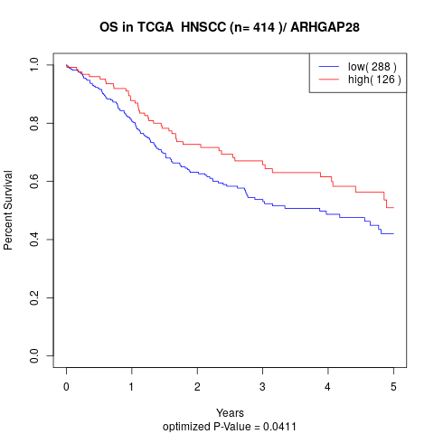

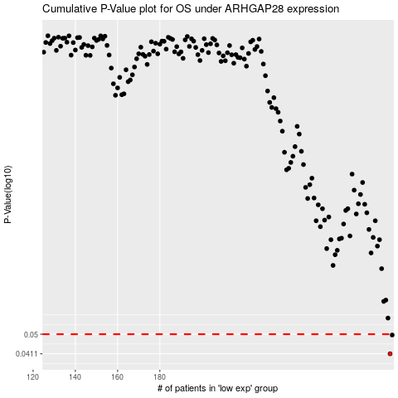

 |  |  |  |  |  | cases_OS | p_OS | rank | exp
 |  |  |  |  |  | 289 | 0.0411 | 83 | 0.13714666425
 |  |  |  |  |  | 290 | 0.0496 | 58 | 0.14027980316
 |  |  |  |  |  |  | cases_RFS | p_RFS | rank | exp
 |  |  |  |  |  |  | 288 | 0.0411 | 247 | 0.1305081588
 |  |  |  |  |  |  | 289 | 0.0496 | 83 | 0.13714666425

