ARHGAP29 _multivariate
Reported by Tex Li-Hsing Chi. tex@gate.sinica.edu.tw 2019-08-22

Table 2. The clinicopathological features of HNSCC cohort and ARHGAP29 expression. (Chi square test)
Cutoff at -0.292 (50.0%)
 |  | ARHGAP29 expression |  | ARHGAP29 expression |  | (Optimised)
 | Features | Low | (%) | High | (%) | Case no | P-value | Remark | Matthews
Gender | Female | 162 | 39 | 144 | 34.7 | 415 | 0.0479 | 1 | 0
2 | Male | 45 | 10.8 | 64 | 15.4
Age at diagnosis | <=65y | 139 | 33.5 | 135 | 32.5 | 415 | 0.7044 | 0 | 0
4 | >65y | 68 | 16.4 | 73 | 17.6
Clinical T Status | T1+T2 | 74 | 17.8 | 75 | 18.1 | 415 | 1 | 0 | 0
6 | T3+T4 | 133 | 32 | 133 | 32
Clinical N Status | N0 | 114 | 27.5 | 102 | 24.6 | 415 | 0.2576 | 1 | 0
8 | N1-3 | 93 | 22.4 | 106 | 25.5
Clinical M Status | M0 | 206 | 49.6 | 206 | 49.6 | 415 | 1 | 0 | 0
10 | M1 | 1 | 0.2 | 2 | 0.5
Clinical Stage | Stage I+II | 49 | 11.8 | 53 | 12.8 | 415 | 0.7535 | 0 | 0
12 | Stage III+IV | 158 | 38.1 | 155 | 37.3
Surgical Margin status | Negative | 159 | 38.3 | 159 | 38.3 | 415 | 1 | 0 | 0
14 | Positive | 48 | 11.6 | 49 | 11.8
Tobacco Exposure | Low | 77 | 18.6 | 84 | 20.2 | 415 | 0.5459 | 0 | 0
16 | High | 130 | 31.3 | 124 | 29.9

Table 3. Univariate/Multivariate Cox's proportional hazards regression analyses on OS time of ARHGAP29 gene expression in HNSCC

 |  | Univariate |  |  |  | Multivariate
 | Features | HR | CI95%(L) | CI95%(H) | P-value | HR | CI95%(L) | CI95%(H) | P-value
1 | Female | 1 |  |  |  | 1
Gender | Male | 1.157 | 0.843 | 1.587 | 0.367 | 1.196 | 0.856 | 1.671 | 0.295
11 | <=65y | 1 |  |  |  | 1
Age at diagnosis | >65y | 1.329 | 0.99 | 1.784 | 0.058 | 1.385 | 1.018 | 1.884 | 0.038
12 | T1+T2 | 1 |  |  |  | 1
Clinical T Status | T3+T4 | 1.409 | 1.028 | 1.931 | 0.033 | 2.211 | 1.169 | 4.183 | 0.015
13 | N0 | 1 |  |  |  | 1
Clinical N Status | N1-3 | 1.185 | 0.89 | 1.577 | 0.246 | 1.238 | 0.868 | 1.767 | 0.239
14 | M0 | 1 |  |  |  | 1
Clinical M Status | M1 | 4.097 | 1.009 | 16.644 | 0.049 | 9.361 | 2.042 | 42.917 | 0.004
15 | Stage I+II | 1 |  |  |  | 1
Clinical Stage | Stage III+IV | 1.245 | 0.882 | 1.759 | 0.213 | 0.507 | 0.236 | 1.088 | 0.081
16 | Negative | 1 |  |  |  | 1
Surgical Margin status | Positive | 1.591 | 1.155 | 2.191 | 0.004 | 1.677 | 1.214 | 2.318 | 0.002
17 | Low | 1 |  |  |  | 1
Tobacco Exposure | High | 1.364 | 1.008 | 1.844 | 0.044 | 1.451 | 1.053 | 1.999 | 0.023
18 | Low | 1 |  |  |  | 1
RNAseq(z-score) | High | 1.064 | 0.798 | 1.417 | 0.674 | 1.068 | 0.799 | 1.427 | 0.657

Table 4. Univariate/Multivariate Cox's proportional hazards regression analyses on RFS time of ARHGAP29 gene expression in HNSCC

 |  | Univariate |  |  |  | Multivariate
 | Features | HR | CI95%(L) | CI95%(H) | P-value | HR | CI95%(L) | CI95%(H) | P-value
1 | Female | 1 |  |  |  | 1
Gender | Male | 1.157 | 0.843 | 1.587 | 0.367 | 1.196 | 0.856 | 1.671 | 0.295
11 | <=65y | 1 |  |  |  | 1
Age at diagnosis | >65y | 1.329 | 0.99 | 1.784 | 0.058 | 1.385 | 1.018 | 1.884 | 0.038
12 | T1+T2 | 1 |  |  |  | 1
Clinical T Status | T3+T4 | 1.409 | 1.028 | 1.931 | 0.033 | 2.211 | 1.169 | 4.183 | 0.015
13 | N0 | 1 |  |  |  | 1
Clinical N Status | N1-3 | 1.185 | 0.89 | 1.577 | 0.246 | 1.238 | 0.868 | 1.767 | 0.239
14 | M0 | 1 |  |  |  | 1
Clinical M Status | M1 | 4.097 | 1.009 | 16.644 | 0.049 | 9.361 | 2.042 | 42.917 | 0.004
15 | Stage I+II | 1 |  |  |  | 1
Clinical Stage | Stage III+IV | 1.245 | 0.882 | 1.759 | 0.213 | 0.507 | 0.236 | 1.088 | 0.081
16 | Negative | 1 |  |  |  | 1
Surgical Margin status | Positive | 1.591 | 1.155 | 2.191 | 0.004 | 1.677 | 1.214 | 2.318 | 0.002
17 | Low | 1 |  |  |  | 1
Tobacco Exposure | High | 1.364 | 1.008 | 1.844 | 0.044 | 1.451 | 1.053 | 1.999 | 0.023
18 | Low | 1 |  |  |  | 1
RNAseq(z-score) | High | 1.064 | 0.798 | 1.417 | 0.674 | 1.068 | 0.799 | 1.427 | 0.657

Kaplan-Meier survival estimate: Cutoff at -0.292 (50.0%)

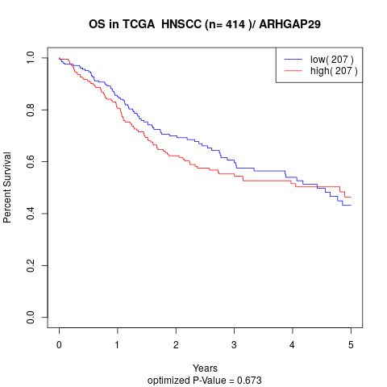

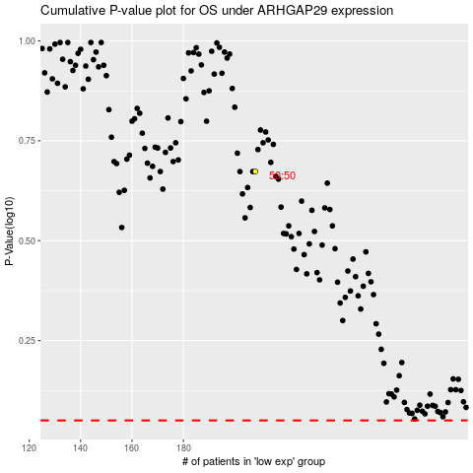

 |  |  |  |  |  | cases_OS | p_OS | rank | exp
 |  |  |  |  |  |  | cases_RFS | p_RFS | rank | exp

