ARHGAP30 _multivariate
Reported by Tex Li-Hsing Chi. tex@gate.sinica.edu.tw 2019-08-22

Table 2. The clinicopathological features of HNSCC cohort and ARHGAP30 expression. (Chi square test)
Cutoff at -0.349 (50.0%)
 |  | ARHGAP30 expression |  | ARHGAP30 expression |  | (Optimised)
 | Features | Low | (%) | High | (%) | Case no | P-value | Remark | Matthews
Gender | Female | 163 | 39.3 | 143 | 34.5 | 415 | 0.0277 | 1 | 0
2 | Male | 44 | 10.6 | 65 | 15.7
Age at diagnosis | <=65y | 145 | 34.9 | 129 | 31.1 | 415 | 0.1046 | 0 | 0
4 | >65y | 62 | 14.9 | 79 | 19
Clinical T Status | T1+T2 | 68 | 16.4 | 81 | 19.5 | 415 | 0.2336 | 0 | 0
6 | T3+T4 | 139 | 33.5 | 127 | 30.6
Clinical N Status | N0 | 114 | 27.5 | 102 | 24.6 | 415 | 0.2576 | 1 | 0
8 | N1-3 | 93 | 22.4 | 106 | 25.5
Clinical M Status | M0 | 205 | 49.4 | 207 | 49.9 | 415 | 0.6232 | 0 | 0
10 | M1 | 2 | 0.5 | 1 | 0.2
Clinical Stage | Stage I+II | 49 | 11.8 | 53 | 12.8 | 415 | 0.7535 | 0 | 0
12 | Stage III+IV | 158 | 38.1 | 155 | 37.3
Surgical Margin status | Negative | 156 | 37.6 | 162 | 39 | 415 | 0.5636 | 0 | 0
14 | Positive | 51 | 12.3 | 46 | 11.1
Tobacco Exposure | Low | 68 | 16.4 | 93 | 22.4 | 415 | 0.0156 | 1 | 0
16 | High | 139 | 33.5 | 115 | 27.7

Table 3. Univariate/Multivariate Cox's proportional hazards regression analyses on OS time of ARHGAP30 gene expression in HNSCC

 |  | Univariate |  |  |  | Multivariate
 | Features | HR | CI95%(L) | CI95%(H) | P-value | HR | CI95%(L) | CI95%(H) | P-value
1 | Female | 1 |  |  |  | 1
Gender | Male | 1.157 | 0.843 | 1.587 | 0.367 | 1.217 | 0.87 | 1.702 | 0.252
11 | <=65y | 1 |  |  |  | 1
Age at diagnosis | >65y | 1.329 | 0.99 | 1.784 | 0.058 | 1.405 | 1.034 | 1.909 | 0.03
12 | T1+T2 | 1 |  |  |  | 1
Clinical T Status | T3+T4 | 1.409 | 1.028 | 1.931 | 0.033 | 2.174 | 1.149 | 4.111 | 0.017
13 | N0 | 1 |  |  |  | 1
Clinical N Status | N1-3 | 1.185 | 0.89 | 1.577 | 0.246 | 1.255 | 0.879 | 1.79 | 0.211
14 | M0 | 1 |  |  |  | 1
Clinical M Status | M1 | 4.097 | 1.009 | 16.644 | 0.049 | 9.128 | 1.989 | 41.877 | 0.004
15 | Stage I+II | 1 |  |  |  | 1
Clinical Stage | Stage III+IV | 1.245 | 0.882 | 1.759 | 0.213 | 0.505 | 0.236 | 1.084 | 0.079
16 | Negative | 1 |  |  |  | 1
Surgical Margin status | Positive | 1.591 | 1.155 | 2.191 | 0.004 | 1.679 | 1.215 | 2.321 | 0.002
17 | Low | 1 |  |  |  | 1
Tobacco Exposure | High | 1.364 | 1.008 | 1.844 | 0.044 | 1.428 | 1.035 | 1.971 | 0.03
18 | Low | 1 |  |  |  | 1
RNAseq(z-score) | High | 0.853 | 0.64 | 1.137 | 0.278 | 0.85 | 0.634 | 1.138 | 0.275

Table 4. Univariate/Multivariate Cox's proportional hazards regression analyses on RFS time of ARHGAP30 gene expression in HNSCC

 |  | Univariate |  |  |  | Multivariate
 | Features | HR | CI95%(L) | CI95%(H) | P-value | HR | CI95%(L) | CI95%(H) | P-value
1 | Female | 1 |  |  |  | 1
Gender | Male | 1.157 | 0.843 | 1.587 | 0.367 | 1.217 | 0.87 | 1.702 | 0.252
11 | <=65y | 1 |  |  |  | 1
Age at diagnosis | >65y | 1.329 | 0.99 | 1.784 | 0.058 | 1.405 | 1.034 | 1.909 | 0.03
12 | T1+T2 | 1 |  |  |  | 1
Clinical T Status | T3+T4 | 1.409 | 1.028 | 1.931 | 0.033 | 2.174 | 1.149 | 4.111 | 0.017
13 | N0 | 1 |  |  |  | 1
Clinical N Status | N1-3 | 1.185 | 0.89 | 1.577 | 0.246 | 1.255 | 0.879 | 1.79 | 0.211
14 | M0 | 1 |  |  |  | 1
Clinical M Status | M1 | 4.097 | 1.009 | 16.644 | 0.049 | 9.128 | 1.989 | 41.877 | 0.004
15 | Stage I+II | 1 |  |  |  | 1
Clinical Stage | Stage III+IV | 1.245 | 0.882 | 1.759 | 0.213 | 0.505 | 0.236 | 1.084 | 0.079
16 | Negative | 1 |  |  |  | 1
Surgical Margin status | Positive | 1.591 | 1.155 | 2.191 | 0.004 | 1.679 | 1.215 | 2.321 | 0.002
17 | Low | 1 |  |  |  | 1
Tobacco Exposure | High | 1.364 | 1.008 | 1.844 | 0.044 | 1.428 | 1.035 | 1.971 | 0.03
18 | Low | 1 |  |  |  | 1
RNAseq(z-score) | High | 0.853 | 0.64 | 1.137 | 0.278 | 0.85 | 0.634 | 1.138 | 0.275

Kaplan-Meier survival estimate: Cutoff at -0.349 (50.0%)



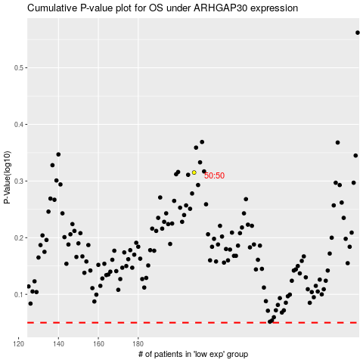

 |  |  |  |  |  | cases_OS | p_OS | rank | exp
 |  |  |  |  |  |  | cases_RFS | p_RFS | rank | exp

