ARHGAP31 _multivariate
Reported by Tex Li-Hsing Chi. tex@gate.sinica.edu.tw 2019-08-22

Table 2. The clinicopathological features of HNSCC cohort and ARHGAP31 expression. (Chi square test)
Cutoff at -0.291 (49.8%)
 |  | ARHGAP31 expression |  | ARHGAP31 expression |  | (Optimised)
 | Features | Low | (%) | High | (%) | Case no | P-value | Remark | Matthews
Gender | Female | 159 | 38.3 | 147 | 35.4 | 415 | 0.1905 | 0 | 0
2 | Male | 48 | 11.6 | 61 | 14.7
Age at diagnosis | <=65y | 144 | 34.7 | 130 | 31.3 | 415 | 0.1568 | 0 | 0
4 | >65y | 63 | 15.2 | 78 | 18.8
Clinical T Status | T1+T2 | 68 | 16.4 | 81 | 19.5 | 415 | 0.2336 | 0 | 0
6 | T3+T4 | 139 | 33.5 | 127 | 30.6
Clinical N Status | N0 | 104 | 25.1 | 112 | 27 | 415 | 0.5243 | 0 | 0
8 | N1-3 | 103 | 24.8 | 96 | 23.1
Clinical M Status | M0 | 204 | 49.2 | 208 | 50.1 | 415 | 0.1232 | 0 | 0
10 | M1 | 3 | 0.7 | 0 | 0
Clinical Stage | Stage I+II | 44 | 10.6 | 58 | 14 | 415 | 0.1459 | 0 | 0
12 | Stage III+IV | 163 | 39.3 | 150 | 36.1
Surgical Margin status | Negative | 155 | 37.3 | 163 | 39.3 | 415 | 0.4187 | 0 | 0
14 | Positive | 52 | 12.5 | 45 | 10.8
Tobacco Exposure | Low | 78 | 18.8 | 83 | 20 | 415 | 0.6873 | 0 | 0
16 | High | 129 | 31.1 | 125 | 30.1

Table 3. Univariate/Multivariate Cox's proportional hazards regression analyses on OS time of ARHGAP31 gene expression in HNSCC

 |  | Univariate |  |  |  | Multivariate
 | Features | HR | CI95%(L) | CI95%(H) | P-value | HR | CI95%(L) | CI95%(H) | P-value
1 | Female | 1 |  |  |  | 1
Gender | Male | 1.157 | 0.843 | 1.587 | 0.367 | 1.201 | 0.859 | 1.678 | 0.284
11 | <=65y | 1 |  |  |  | 1
Age at diagnosis | >65y | 1.329 | 0.99 | 1.784 | 0.058 | 1.402 | 1.03 | 1.907 | 0.032
12 | T1+T2 | 1 |  |  |  | 1
Clinical T Status | T3+T4 | 1.409 | 1.028 | 1.931 | 0.033 | 2.201 | 1.164 | 4.161 | 0.015
13 | N0 | 1 |  |  |  | 1
Clinical N Status | N1-3 | 1.185 | 0.89 | 1.577 | 0.246 | 1.24 | 0.87 | 1.77 | 0.235
14 | M0 | 1 |  |  |  | 1
Clinical M Status | M1 | 4.097 | 1.009 | 16.644 | 0.049 | 9.058 | 1.964 | 41.785 | 0.005
15 | Stage I+II | 1 |  |  |  | 1
Clinical Stage | Stage III+IV | 1.245 | 0.882 | 1.759 | 0.213 | 0.502 | 0.234 | 1.076 | 0.077
16 | Negative | 1 |  |  |  | 1
Surgical Margin status | Positive | 1.591 | 1.155 | 2.191 | 0.004 | 1.661 | 1.201 | 2.297 | 0.002
17 | Low | 1 |  |  |  | 1
Tobacco Exposure | High | 1.364 | 1.008 | 1.844 | 0.044 | 1.447 | 1.05 | 1.995 | 0.024
18 | Low | 1 |  |  |  | 1
RNAseq(z-score) | High | 0.879 | 0.659 | 1.171 | 0.377 | 0.925 | 0.69 | 1.239 | 0.601

Table 4. Univariate/Multivariate Cox's proportional hazards regression analyses on RFS time of ARHGAP31 gene expression in HNSCC

 |  | Univariate |  |  |  | Multivariate
 | Features | HR | CI95%(L) | CI95%(H) | P-value | HR | CI95%(L) | CI95%(H) | P-value
1 | Female | 1 |  |  |  | 1
Gender | Male | 1.157 | 0.843 | 1.587 | 0.367 | 1.201 | 0.859 | 1.678 | 0.284
11 | <=65y | 1 |  |  |  | 1
Age at diagnosis | >65y | 1.329 | 0.99 | 1.784 | 0.058 | 1.402 | 1.03 | 1.907 | 0.032
12 | T1+T2 | 1 |  |  |  | 1
Clinical T Status | T3+T4 | 1.409 | 1.028 | 1.931 | 0.033 | 2.201 | 1.164 | 4.161 | 0.015
13 | N0 | 1 |  |  |  | 1
Clinical N Status | N1-3 | 1.185 | 0.89 | 1.577 | 0.246 | 1.24 | 0.87 | 1.77 | 0.235
14 | M0 | 1 |  |  |  | 1
Clinical M Status | M1 | 4.097 | 1.009 | 16.644 | 0.049 | 9.058 | 1.964 | 41.785 | 0.005
15 | Stage I+II | 1 |  |  |  | 1
Clinical Stage | Stage III+IV | 1.245 | 0.882 | 1.759 | 0.213 | 0.502 | 0.234 | 1.076 | 0.077
16 | Negative | 1 |  |  |  | 1
Surgical Margin status | Positive | 1.591 | 1.155 | 2.191 | 0.004 | 1.661 | 1.201 | 2.297 | 0.002
17 | Low | 1 |  |  |  | 1
Tobacco Exposure | High | 1.364 | 1.008 | 1.844 | 0.044 | 1.447 | 1.05 | 1.995 | 0.024
18 | Low | 1 |  |  |  | 1
RNAseq(z-score) | High | 0.879 | 0.659 | 1.171 | 0.377 | 0.925 | 0.69 | 1.239 | 0.601

Kaplan-Meier survival estimate: Cutoff at -0.291 (49.8%)



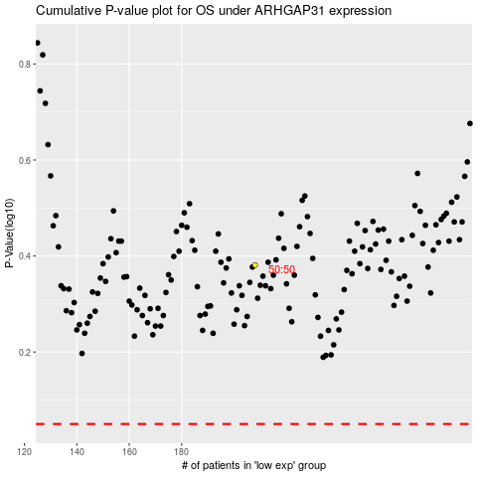

 |  |  |  |  |  | cases_OS | p_OS | rank | exp
 |  |  |  |  |  |  | cases_RFS | p_RFS | rank | exp

