ARHGAP32 _multivariate
Reported by Tex Li-Hsing Chi. tex@gate.sinica.edu.tw 2019-08-22

Table 2. The clinicopathological features of HNSCC cohort and ARHGAP32 expression. (Chi square test)
Cutoff at -0.264 (50.0%)
 |  | ARHGAP32 expression |  | ARHGAP32 expression |  | (Optimised)
 | Features | Low | (%) | High | (%) | Case no | P-value | Remark | Matthews
Gender | Female | 167 | 40.2 | 139 | 33.5 | 415 | 0.002 | 1 | 0
2 | Male | 40 | 9.6 | 69 | 16.6
Age at diagnosis | <=65y | 137 | 33 | 137 | 33 | 415 | 1 | 0 | 0
4 | >65y | 70 | 16.9 | 71 | 17.1
Clinical T Status | T1+T2 | 76 | 18.3 | 73 | 17.6 | 415 | 0.8092 | 0 | 0
6 | T3+T4 | 131 | 31.6 | 135 | 32.5
Clinical N Status | N0 | 94 | 22.7 | 122 | 29.4 | 415 | 0.0093 | 1 | 0
8 | N1-3 | 113 | 27.2 | 86 | 20.7
Clinical M Status | M0 | 205 | 49.4 | 207 | 49.9 | 415 | 0.6232 | 0 | 0
10 | M1 | 2 | 0.5 | 1 | 0.2
Clinical Stage | Stage I+II | 46 | 11.1 | 56 | 13.5 | 415 | 0.3182 | 0 | 0
12 | Stage III+IV | 161 | 38.8 | 152 | 36.6
Surgical Margin status | Negative | 151 | 36.4 | 167 | 40.2 | 415 | 0.0828 | 0 | 0
14 | Positive | 56 | 13.5 | 41 | 9.9
Tobacco Exposure | Low | 69 | 16.6 | 92 | 22.2 | 415 | 0.0266 | 1 | 0
16 | High | 138 | 33.3 | 116 | 28

Table 3. Univariate/Multivariate Cox's proportional hazards regression analyses on OS time of ARHGAP32 gene expression in HNSCC

 |  | Univariate |  |  |  | Multivariate
 | Features | HR | CI95%(L) | CI95%(H) | P-value | HR | CI95%(L) | CI95%(H) | P-value
1 | Female | 1 |  |  |  | 1
Gender | Male | 1.157 | 0.843 | 1.587 | 0.367 | 1.222 | 0.872 | 1.712 | 0.244
11 | <=65y | 1 |  |  |  | 1
Age at diagnosis | >65y | 1.329 | 0.99 | 1.784 | 0.058 | 1.384 | 1.018 | 1.882 | 0.038
12 | T1+T2 | 1 |  |  |  | 1
Clinical T Status | T3+T4 | 1.409 | 1.028 | 1.931 | 0.033 | 2.205 | 1.167 | 4.167 | 0.015
13 | N0 | 1 |  |  |  | 1
Clinical N Status | N1-3 | 1.185 | 0.89 | 1.577 | 0.246 | 1.218 | 0.852 | 1.742 | 0.279
14 | M0 | 1 |  |  |  | 1
Clinical M Status | M1 | 4.097 | 1.009 | 16.644 | 0.049 | 9.392 | 2.05 | 43.034 | 0.004
15 | Stage I+II | 1 |  |  |  | 1
Clinical Stage | Stage III+IV | 1.245 | 0.882 | 1.759 | 0.213 | 0.509 | 0.237 | 1.092 | 0.083
16 | Negative | 1 |  |  |  | 1
Surgical Margin status | Positive | 1.591 | 1.155 | 2.191 | 0.004 | 1.635 | 1.18 | 2.266 | 0.003
17 | Low | 1 |  |  |  | 1
Tobacco Exposure | High | 1.364 | 1.008 | 1.844 | 0.044 | 1.436 | 1.041 | 1.98 | 0.027
18 | Low | 1 |  |  |  | 1
RNAseq(z-score) | High | 0.814 | 0.611 | 1.085 | 0.16 | 0.874 | 0.65 | 1.175 | 0.373

Table 4. Univariate/Multivariate Cox's proportional hazards regression analyses on RFS time of ARHGAP32 gene expression in HNSCC

 |  | Univariate |  |  |  | Multivariate
 | Features | HR | CI95%(L) | CI95%(H) | P-value | HR | CI95%(L) | CI95%(H) | P-value
1 | Female | 1 |  |  |  | 1
Gender | Male | 1.157 | 0.843 | 1.587 | 0.367 | 1.222 | 0.872 | 1.712 | 0.244
11 | <=65y | 1 |  |  |  | 1
Age at diagnosis | >65y | 1.329 | 0.99 | 1.784 | 0.058 | 1.384 | 1.018 | 1.882 | 0.038
12 | T1+T2 | 1 |  |  |  | 1
Clinical T Status | T3+T4 | 1.409 | 1.028 | 1.931 | 0.033 | 2.205 | 1.167 | 4.167 | 0.015
13 | N0 | 1 |  |  |  | 1
Clinical N Status | N1-3 | 1.185 | 0.89 | 1.577 | 0.246 | 1.218 | 0.852 | 1.742 | 0.279
14 | M0 | 1 |  |  |  | 1
Clinical M Status | M1 | 4.097 | 1.009 | 16.644 | 0.049 | 9.392 | 2.05 | 43.034 | 0.004
15 | Stage I+II | 1 |  |  |  | 1
Clinical Stage | Stage III+IV | 1.245 | 0.882 | 1.759 | 0.213 | 0.509 | 0.237 | 1.092 | 0.083
16 | Negative | 1 |  |  |  | 1
Surgical Margin status | Positive | 1.591 | 1.155 | 2.191 | 0.004 | 1.635 | 1.18 | 2.266 | 0.003
17 | Low | 1 |  |  |  | 1
Tobacco Exposure | High | 1.364 | 1.008 | 1.844 | 0.044 | 1.436 | 1.041 | 1.98 | 0.027
18 | Low | 1 |  |  |  | 1
RNAseq(z-score) | High | 0.814 | 0.611 | 1.085 | 0.16 | 0.874 | 0.65 | 1.175 | 0.373

Kaplan-Meier survival estimate: Cutoff at -0.264 (50.0%)



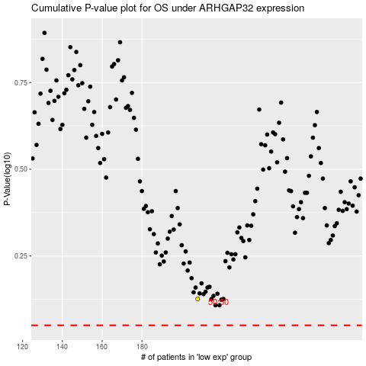

 |  |  |  |  |  | cases_OS | p_OS | rank | exp
 |  |  |  |  |  |  | cases_RFS | p_RFS | rank | exp

