ARHGAP39 _multivariate
Reported by Tex Li-Hsing Chi. tex@gate.sinica.edu.tw 2019-08-22

Table 2. The clinicopathological features of HNSCC cohort and ARHGAP39 expression. (Chi square test)
Cutoff at -0.205 (50.0%)
 |  | ARHGAP39 expression |  | ARHGAP39 expression |  | (Optimised)
 | Features | Low | (%) | High | (%) | Case no | P-value | Remark | Matthews
Gender | Female | 141 | 34 | 165 | 39.8 | 415 | 0.013 | 1 | 0
2 | Male | 66 | 15.9 | 43 | 10.4
Age at diagnosis | <=65y | 127 | 30.6 | 147 | 35.4 | 415 | 0.0573 | 0 | 0
4 | >65y | 80 | 19.3 | 61 | 14.7
Clinical T Status | T1+T2 | 90 | 21.7 | 59 | 14.2 | 415 | 0.0019 | 1 | 0
6 | T3+T4 | 117 | 28.2 | 149 | 35.9
Clinical N Status | N0 | 122 | 29.4 | 94 | 22.7 | 415 | 0.0068 | 1 | 0
8 | N1-3 | 85 | 20.5 | 114 | 27.5
Clinical M Status | M0 | 205 | 49.4 | 207 | 49.9 | 415 | 0.6232 | 0 | 0
10 | M1 | 2 | 0.5 | 1 | 0.2
Clinical Stage | Stage I+II | 65 | 15.7 | 37 | 8.9 | 415 | 0.0019 | 1 | 0
12 | Stage III+IV | 142 | 34.2 | 171 | 41.2
Surgical Margin status | Negative | 158 | 38.1 | 160 | 38.6 | 415 | 0.9081 | 0 | 0
14 | Positive | 49 | 11.8 | 48 | 11.6
Tobacco Exposure | Low | 97 | 23.4 | 64 | 15.4 | 415 | 9e-04 | 1 | 0
16 | High | 110 | 26.5 | 144 | 34.7

Table 3. Univariate/Multivariate Cox's proportional hazards regression analyses on OS time of ARHGAP39 gene expression in HNSCC

 |  | Univariate |  |  |  | Multivariate
 | Features | HR | CI95%(L) | CI95%(H) | P-value | HR | CI95%(L) | CI95%(H) | P-value
1 | Female | 1 |  |  |  | 1
Gender | Male | 1.157 | 0.843 | 1.587 | 0.367 | 1.194 | 0.855 | 1.667 | 0.298
11 | <=65y | 1 |  |  |  | 1
Age at diagnosis | >65y | 1.329 | 0.99 | 1.784 | 0.058 | 1.384 | 1.018 | 1.881 | 0.038
12 | T1+T2 | 1 |  |  |  | 1
Clinical T Status | T3+T4 | 1.409 | 1.028 | 1.931 | 0.033 | 2.263 | 1.194 | 4.291 | 0.012
13 | N0 | 1 |  |  |  | 1
Clinical N Status | N1-3 | 1.185 | 0.89 | 1.577 | 0.246 | 1.271 | 0.888 | 1.819 | 0.19
14 | M0 | 1 |  |  |  | 1
Clinical M Status | M1 | 4.097 | 1.009 | 16.644 | 0.049 | 9.089 | 1.979 | 41.75 | 0.005
15 | Stage I+II | 1 |  |  |  | 1
Clinical Stage | Stage III+IV | 1.245 | 0.882 | 1.759 | 0.213 | 0.499 | 0.233 | 1.072 | 0.075
16 | Negative | 1 |  |  |  | 1
Surgical Margin status | Positive | 1.591 | 1.155 | 2.191 | 0.004 | 1.682 | 1.217 | 2.326 | 0.002
17 | Low | 1 |  |  |  | 1
Tobacco Exposure | High | 1.364 | 1.008 | 1.844 | 0.044 | 1.478 | 1.07 | 2.041 | 0.018
18 | Low | 1 |  |  |  | 1
RNAseq(z-score) | High | 0.955 | 0.717 | 1.273 | 0.754 | 0.864 | 0.639 | 1.168 | 0.342

Table 4. Univariate/Multivariate Cox's proportional hazards regression analyses on RFS time of ARHGAP39 gene expression in HNSCC

 |  | Univariate |  |  |  | Multivariate
 | Features | HR | CI95%(L) | CI95%(H) | P-value | HR | CI95%(L) | CI95%(H) | P-value
1 | Female | 1 |  |  |  | 1
Gender | Male | 1.157 | 0.843 | 1.587 | 0.367 | 1.194 | 0.855 | 1.667 | 0.298
11 | <=65y | 1 |  |  |  | 1
Age at diagnosis | >65y | 1.329 | 0.99 | 1.784 | 0.058 | 1.384 | 1.018 | 1.881 | 0.038
12 | T1+T2 | 1 |  |  |  | 1
Clinical T Status | T3+T4 | 1.409 | 1.028 | 1.931 | 0.033 | 2.263 | 1.194 | 4.291 | 0.012
13 | N0 | 1 |  |  |  | 1
Clinical N Status | N1-3 | 1.185 | 0.89 | 1.577 | 0.246 | 1.271 | 0.888 | 1.819 | 0.19
14 | M0 | 1 |  |  |  | 1
Clinical M Status | M1 | 4.097 | 1.009 | 16.644 | 0.049 | 9.089 | 1.979 | 41.75 | 0.005
15 | Stage I+II | 1 |  |  |  | 1
Clinical Stage | Stage III+IV | 1.245 | 0.882 | 1.759 | 0.213 | 0.499 | 0.233 | 1.072 | 0.075
16 | Negative | 1 |  |  |  | 1
Surgical Margin status | Positive | 1.591 | 1.155 | 2.191 | 0.004 | 1.682 | 1.217 | 2.326 | 0.002
17 | Low | 1 |  |  |  | 1
Tobacco Exposure | High | 1.364 | 1.008 | 1.844 | 0.044 | 1.478 | 1.07 | 2.041 | 0.018
18 | Low | 1 |  |  |  | 1
RNAseq(z-score) | High | 0.955 | 0.717 | 1.273 | 0.754 | 0.864 | 0.639 | 1.168 | 0.342

Kaplan-Meier survival estimate: Cutoff at -0.205 (50.0%)



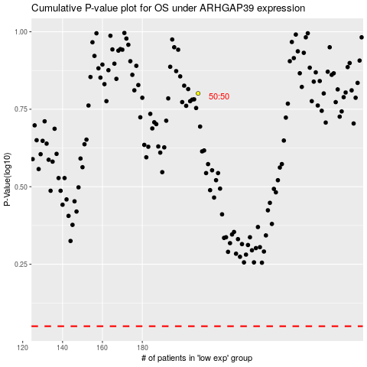

 |  |  |  |  |  | cases_OS | p_OS | rank | exp
 |  |  |  |  |  |  | cases_RFS | p_RFS | rank | exp

