ARHGAP5 _multivariate
Reported by Tex Li-Hsing Chi. tex@gate.sinica.edu.tw 2019-08-22

Table 2. The clinicopathological features of HNSCC cohort and ARHGAP5 expression. (Chi square test)
Cutoff at -0.173 (50.0%)
 |  | ARHGAP5 expression |  | ARHGAP5 expression |  | (Optimised)
 | Features | Low | (%) | High | (%) | Case no | P-value | Remark | Matthews
Gender | Female | 157 | 37.8 | 149 | 35.9 | 415 | 0.3881 | 0 | 0
2 | Male | 50 | 12 | 59 | 14.2
Age at diagnosis | <=65y | 141 | 34 | 133 | 32 | 415 | 0.4272 | 0 | 0
4 | >65y | 66 | 15.9 | 75 | 18.1
Clinical T Status | T1+T2 | 60 | 14.5 | 89 | 21.4 | 415 | 0.0047 | 1 | 0
6 | T3+T4 | 147 | 35.4 | 119 | 28.7
Clinical N Status | N0 | 99 | 23.9 | 117 | 28.2 | 415 | 0.1054 | 0 | 0
8 | N1-3 | 108 | 26 | 91 | 21.9
Clinical M Status | M0 | 205 | 49.4 | 207 | 49.9 | 415 | 0.6232 | 0 | 0
10 | M1 | 2 | 0.5 | 1 | 0.2
Clinical Stage | Stage I+II | 38 | 9.2 | 64 | 15.4 | 415 | 0.0048 | 1 | 0
12 | Stage III+IV | 169 | 40.7 | 144 | 34.7
Surgical Margin status | Negative | 166 | 40 | 152 | 36.6 | 415 | 0.1042 | 0 | 0
14 | Positive | 41 | 9.9 | 56 | 13.5
Tobacco Exposure | Low | 70 | 16.9 | 91 | 21.9 | 415 | 0.0439 | 1 | 0
16 | High | 137 | 33 | 117 | 28.2

Table 3. Univariate/Multivariate Cox's proportional hazards regression analyses on OS time of ARHGAP5 gene expression in HNSCC

 |  | Univariate |  |  |  | Multivariate
 | Features | HR | CI95%(L) | CI95%(H) | P-value | HR | CI95%(L) | CI95%(H) | P-value
1 | Female | 1 |  |  |  | 1
Gender | Male | 1.157 | 0.843 | 1.587 | 0.367 | 1.205 | 0.862 | 1.683 | 0.275
11 | <=65y | 1 |  |  |  | 1
Age at diagnosis | >65y | 1.329 | 0.99 | 1.784 | 0.058 | 1.389 | 1.022 | 1.889 | 0.036
12 | T1+T2 | 1 |  |  |  | 1
Clinical T Status | T3+T4 | 1.409 | 1.028 | 1.931 | 0.033 | 2.212 | 1.169 | 4.186 | 0.015
13 | N0 | 1 |  |  |  | 1
Clinical N Status | N1-3 | 1.185 | 0.89 | 1.577 | 0.246 | 1.244 | 0.871 | 1.775 | 0.23
14 | M0 | 1 |  |  |  | 1
Clinical M Status | M1 | 4.097 | 1.009 | 16.644 | 0.049 | 9.561 | 2.079 | 43.982 | 0.004
15 | Stage I+II | 1 |  |  |  | 1
Clinical Stage | Stage III+IV | 1.245 | 0.882 | 1.759 | 0.213 | 0.504 | 0.235 | 1.082 | 0.079
16 | Negative | 1 |  |  |  | 1
Surgical Margin status | Positive | 1.591 | 1.155 | 2.191 | 0.004 | 1.669 | 1.207 | 2.307 | 0.002
17 | Low | 1 |  |  |  | 1
Tobacco Exposure | High | 1.364 | 1.008 | 1.844 | 0.044 | 1.458 | 1.057 | 2.01 | 0.021
18 | Low | 1 |  |  |  | 1
RNAseq(z-score) | High | 0.992 | 0.745 | 1.321 | 0.956 | 1.047 | 0.783 | 1.4 | 0.755

Table 4. Univariate/Multivariate Cox's proportional hazards regression analyses on RFS time of ARHGAP5 gene expression in HNSCC

 |  | Univariate |  |  |  | Multivariate
 | Features | HR | CI95%(L) | CI95%(H) | P-value | HR | CI95%(L) | CI95%(H) | P-value
1 | Female | 1 |  |  |  | 1
Gender | Male | 1.157 | 0.843 | 1.587 | 0.367 | 1.205 | 0.862 | 1.683 | 0.275
11 | <=65y | 1 |  |  |  | 1
Age at diagnosis | >65y | 1.329 | 0.99 | 1.784 | 0.058 | 1.389 | 1.022 | 1.889 | 0.036
12 | T1+T2 | 1 |  |  |  | 1
Clinical T Status | T3+T4 | 1.409 | 1.028 | 1.931 | 0.033 | 2.212 | 1.169 | 4.186 | 0.015
13 | N0 | 1 |  |  |  | 1
Clinical N Status | N1-3 | 1.185 | 0.89 | 1.577 | 0.246 | 1.244 | 0.871 | 1.775 | 0.23
14 | M0 | 1 |  |  |  | 1
Clinical M Status | M1 | 4.097 | 1.009 | 16.644 | 0.049 | 9.561 | 2.079 | 43.982 | 0.004
15 | Stage I+II | 1 |  |  |  | 1
Clinical Stage | Stage III+IV | 1.245 | 0.882 | 1.759 | 0.213 | 0.504 | 0.235 | 1.082 | 0.079
16 | Negative | 1 |  |  |  | 1
Surgical Margin status | Positive | 1.591 | 1.155 | 2.191 | 0.004 | 1.669 | 1.207 | 2.307 | 0.002
17 | Low | 1 |  |  |  | 1
Tobacco Exposure | High | 1.364 | 1.008 | 1.844 | 0.044 | 1.458 | 1.057 | 2.01 | 0.021
18 | Low | 1 |  |  |  | 1
RNAseq(z-score) | High | 0.992 | 0.745 | 1.321 | 0.956 | 1.047 | 0.783 | 1.4 | 0.755

Kaplan-Meier survival estimate: Cutoff at -0.173 (50.0%)



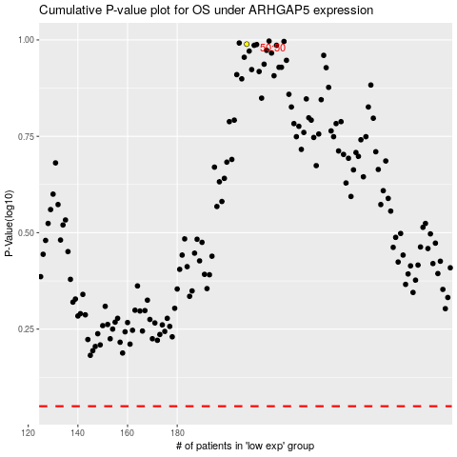

 |  |  |  |  |  | cases_OS | p_OS | rank | exp
 |  |  |  |  |  |  | cases_RFS | p_RFS | rank | exp

