ARHGAP6 _multivariate
Reported by Tex Li-Hsing Chi. tex@gate.sinica.edu.tw 2019-08-22

Table 2. The clinicopathological features of HNSCC cohort and ARHGAP6 expression. (Chi square test)
Cutoff at -0.473 (30.7%)
 |  | ARHGAP6 expression |  | ARHGAP6 expression |  | (Optimised)
 | Features | Low | (%) | High | (%) | Case no | P-value | Remark | Matthews
Gender | Female | 92 | 22.2 | 214 | 51.6 | 415 | 0.782 | 0 | 0
2 | Male | 35 | 8.4 | 74 | 17.8
Age at diagnosis | <=65y | 79 | 19 | 195 | 47 | 415 | 0.3279 | 0 | 0
4 | >65y | 48 | 11.6 | 93 | 22.4
Clinical T Status | T1+T2 | 47 | 11.3 | 102 | 24.6 | 415 | 0.8412 | 0 | 0
6 | T3+T4 | 80 | 19.3 | 186 | 44.8
Clinical N Status | N0 | 73 | 17.6 | 143 | 34.5 | 415 | 0.1725 | 0 | 0
8 | N1-3 | 54 | 13 | 145 | 34.9
Clinical M Status | M0 | 124 | 29.9 | 288 | 69.4 | 415 | 0.0282 | 1 | 0
10 | M1 | 3 | 0.7 | 0 | 0
Clinical Stage | Stage I+II | 35 | 8.4 | 67 | 16.1 | 415 | 0.4163 | 0 | 0
12 | Stage III+IV | 92 | 22.2 | 221 | 53.3
Surgical Margin status | Negative | 97 | 23.4 | 221 | 53.3 | 415 | 1 | 0 | 0
14 | Positive | 30 | 7.2 | 67 | 16.1
Tobacco Exposure | Low | 53 | 12.8 | 108 | 26 | 415 | 0.4449 | 0 | 0
16 | High | 74 | 17.8 | 180 | 43.4

Table 3. Univariate/Multivariate Cox's proportional hazards regression analyses on OS time of ARHGAP6 gene expression in HNSCC

 |  | Univariate |  |  |  | Multivariate
 | Features | HR | CI95%(L) | CI95%(H) | P-value | HR | CI95%(L) | CI95%(H) | P-value
1 | Female | 1 |  |  |  | 1
Gender | Male | 1.157 | 0.843 | 1.587 | 0.367 | 1.188 | 0.849 | 1.662 | 0.314
11 | <=65y | 1 |  |  |  | 1
Age at diagnosis | >65y | 1.329 | 0.99 | 1.784 | 0.058 | 1.358 | 0.999 | 1.847 | 0.051
12 | T1+T2 | 1 |  |  |  | 1
Clinical T Status | T3+T4 | 1.409 | 1.028 | 1.931 | 0.033 | 2.18 | 1.154 | 4.119 | 0.016
13 | N0 | 1 |  |  |  | 1
Clinical N Status | N1-3 | 1.185 | 0.89 | 1.577 | 0.246 | 1.244 | 0.872 | 1.774 | 0.228
14 | M0 | 1 |  |  |  | 1
Clinical M Status | M1 | 4.097 | 1.009 | 16.644 | 0.049 | 7.665 | 1.647 | 35.681 | 0.009
15 | Stage I+II | 1 |  |  |  | 1
Clinical Stage | Stage III+IV | 1.245 | 0.882 | 1.759 | 0.213 | 0.514 | 0.24 | 1.102 | 0.087
16 | Negative | 1 |  |  |  | 1
Surgical Margin status | Positive | 1.591 | 1.155 | 2.191 | 0.004 | 1.654 | 1.197 | 2.287 | 0.002
17 | Low | 1 |  |  |  | 1
Tobacco Exposure | High | 1.364 | 1.008 | 1.844 | 0.044 | 1.475 | 1.069 | 2.036 | 0.018
18 | Low | 1 |  |  |  | 1
RNAseq(z-score) | High | 0.733 | 0.542 | 0.991 | 0.044 | 0.756 | 0.555 | 1.029 | 0.076

Table 4. Univariate/Multivariate Cox's proportional hazards regression analyses on RFS time of ARHGAP6 gene expression in HNSCC

 |  | Univariate |  |  |  | Multivariate
 | Features | HR | CI95%(L) | CI95%(H) | P-value | HR | CI95%(L) | CI95%(H) | P-value
1 | Female | 1 |  |  |  | 1
Gender | Male | 1.157 | 0.843 | 1.587 | 0.367 | 1.188 | 0.849 | 1.662 | 0.314
11 | <=65y | 1 |  |  |  | 1
Age at diagnosis | >65y | 1.329 | 0.99 | 1.784 | 0.058 | 1.358 | 0.999 | 1.847 | 0.051
12 | T1+T2 | 1 |  |  |  | 1
Clinical T Status | T3+T4 | 1.409 | 1.028 | 1.931 | 0.033 | 2.18 | 1.154 | 4.119 | 0.016
13 | N0 | 1 |  |  |  | 1
Clinical N Status | N1-3 | 1.185 | 0.89 | 1.577 | 0.246 | 1.244 | 0.872 | 1.774 | 0.228
14 | M0 | 1 |  |  |  | 1
Clinical M Status | M1 | 4.097 | 1.009 | 16.644 | 0.049 | 7.665 | 1.647 | 35.681 | 0.009
15 | Stage I+II | 1 |  |  |  | 1
Clinical Stage | Stage III+IV | 1.245 | 0.882 | 1.759 | 0.213 | 0.514 | 0.24 | 1.102 | 0.087
16 | Negative | 1 |  |  |  | 1
Surgical Margin status | Positive | 1.591 | 1.155 | 2.191 | 0.004 | 1.654 | 1.197 | 2.287 | 0.002
17 | Low | 1 |  |  |  | 1
Tobacco Exposure | High | 1.364 | 1.008 | 1.844 | 0.044 | 1.475 | 1.069 | 2.036 | 0.018
18 | Low | 1 |  |  |  | 1
RNAseq(z-score) | High | 0.733 | 0.542 | 0.991 | 0.044 | 0.756 | 0.555 | 1.029 | 0.076

Kaplan-Meier survival estimate: Cutoff at -0.473 (30.7%)



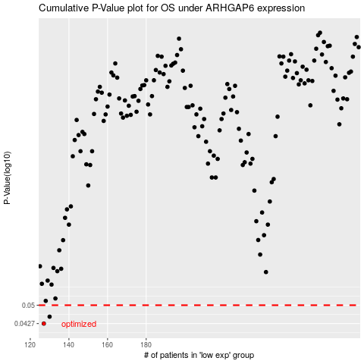

 |  |  |  |  |  | cases_OS | p_OS | rank | exp
 |  |  |  |  |  | 127 | 0.0427 | 314 | -0.47273131982
 |  |  |  |  |  | 130 | 0.0453 | 106 | -0.46932441837
 |  |  |  |  |  |  | cases_RFS | p_RFS | rank | exp
 |  |  |  |  |  |  | 126 | 0.0427 | 283 | -0.47388971689
 |  |  |  |  |  |  | 129 | 0.0453 | 80 | -0.47054604673

