ARHGAP9 _multivariate
Reported by Tex Li-Hsing Chi. tex@gate.sinica.edu.tw 2019-08-22

Table 2. The clinicopathological features of HNSCC cohort and ARHGAP9 expression. (Chi square test)
Cutoff at 0.145 (69.8%)
 |  | ARHGAP9 expression |  | ARHGAP9 expression |  | (Optimised)
 | Features | Low | (%) | High | (%) | Case no | P-value | Remark | Matthews
Gender | Female | 219 | 52.8 | 87 | 21 | 415 | 0.2563 | 0 | 0
2 | Male | 71 | 17.1 | 38 | 9.2
Age at diagnosis | <=65y | 194 | 46.7 | 80 | 19.3 | 415 | 0.6465 | 0 | 0
4 | >65y | 96 | 23.1 | 45 | 10.8
Clinical T Status | T1+T2 | 91 | 21.9 | 58 | 14 | 415 | 0.0049 | 1 | 0
6 | T3+T4 | 199 | 48 | 67 | 16.1
Clinical N Status | N0 | 155 | 37.3 | 61 | 14.7 | 415 | 0.4458 | 0 | 0
8 | N1-3 | 135 | 32.5 | 64 | 15.4
Clinical M Status | M0 | 287 | 69.2 | 125 | 30.1 | 415 | 0.5571 | 0 | 0
10 | M1 | 3 | 0.7 | 0 | 0
Clinical Stage | Stage I+II | 65 | 15.7 | 37 | 8.9 | 415 | 0.1511 | 0 | 0
12 | Stage III+IV | 225 | 54.2 | 88 | 21.2
Surgical Margin status | Negative | 218 | 52.5 | 100 | 24.1 | 415 | 0.3137 | 0 | 0
14 | Positive | 72 | 17.3 | 25 | 6
Tobacco Exposure | Low | 101 | 24.3 | 60 | 14.5 | 415 | 0.0155 | 1 | 0
16 | High | 189 | 45.5 | 65 | 15.7

Table 3. Univariate/Multivariate Cox's proportional hazards regression analyses on OS time of ARHGAP9 gene expression in HNSCC

 |  | Univariate |  |  |  | Multivariate
 | Features | HR | CI95%(L) | CI95%(H) | P-value | HR | CI95%(L) | CI95%(H) | P-value
1 | Female | 1 |  |  |  | 1
Gender | Male | 1.157 | 0.843 | 1.587 | 0.367 | 1.207 | 0.864 | 1.687 | 0.269
11 | <=65y | 1 |  |  |  | 1
Age at diagnosis | >65y | 1.329 | 0.99 | 1.784 | 0.058 | 1.41 | 1.038 | 1.917 | 0.028
12 | T1+T2 | 1 |  |  |  | 1
Clinical T Status | T3+T4 | 1.409 | 1.028 | 1.931 | 0.033 | 2.092 | 1.103 | 3.968 | 0.024
13 | N0 | 1 |  |  |  | 1
Clinical N Status | N1-3 | 1.185 | 0.89 | 1.577 | 0.246 | 1.253 | 0.878 | 1.788 | 0.214
14 | M0 | 1 |  |  |  | 1
Clinical M Status | M1 | 4.097 | 1.009 | 16.644 | 0.049 | 8.447 | 1.832 | 38.949 | 0.006
15 | Stage I+II | 1 |  |  |  | 1
Clinical Stage | Stage III+IV | 1.245 | 0.882 | 1.759 | 0.213 | 0.507 | 0.236 | 1.087 | 0.081
16 | Negative | 1 |  |  |  | 1
Surgical Margin status | Positive | 1.591 | 1.155 | 2.191 | 0.004 | 1.66 | 1.201 | 2.295 | 0.002
17 | Low | 1 |  |  |  | 1
Tobacco Exposure | High | 1.364 | 1.008 | 1.844 | 0.044 | 1.424 | 1.032 | 1.964 | 0.031
18 | Low | 1 |  |  |  | 1
RNAseq(z-score) | High | 0.716 | 0.517 | 0.992 | 0.045 | 0.78 | 0.557 | 1.092 | 0.147

Table 4. Univariate/Multivariate Cox's proportional hazards regression analyses on RFS time of ARHGAP9 gene expression in HNSCC

 |  | Univariate |  |  |  | Multivariate
 | Features | HR | CI95%(L) | CI95%(H) | P-value | HR | CI95%(L) | CI95%(H) | P-value
1 | Female | 1 |  |  |  | 1
Gender | Male | 1.157 | 0.843 | 1.587 | 0.367 | 1.207 | 0.864 | 1.687 | 0.269
11 | <=65y | 1 |  |  |  | 1
Age at diagnosis | >65y | 1.329 | 0.99 | 1.784 | 0.058 | 1.41 | 1.038 | 1.917 | 0.028
12 | T1+T2 | 1 |  |  |  | 1
Clinical T Status | T3+T4 | 1.409 | 1.028 | 1.931 | 0.033 | 2.092 | 1.103 | 3.968 | 0.024
13 | N0 | 1 |  |  |  | 1
Clinical N Status | N1-3 | 1.185 | 0.89 | 1.577 | 0.246 | 1.253 | 0.878 | 1.788 | 0.214
14 | M0 | 1 |  |  |  | 1
Clinical M Status | M1 | 4.097 | 1.009 | 16.644 | 0.049 | 8.447 | 1.832 | 38.949 | 0.006
15 | Stage I+II | 1 |  |  |  | 1
Clinical Stage | Stage III+IV | 1.245 | 0.882 | 1.759 | 0.213 | 0.507 | 0.236 | 1.087 | 0.081
16 | Negative | 1 |  |  |  | 1
Surgical Margin status | Positive | 1.591 | 1.155 | 2.191 | 0.004 | 1.66 | 1.201 | 2.295 | 0.002
17 | Low | 1 |  |  |  | 1
Tobacco Exposure | High | 1.364 | 1.008 | 1.844 | 0.044 | 1.424 | 1.032 | 1.964 | 0.031
18 | Low | 1 |  |  |  | 1
RNAseq(z-score) | High | 0.716 | 0.517 | 0.992 | 0.045 | 0.78 | 0.557 | 1.092 | 0.147

Kaplan-Meier survival estimate: Cutoff at 0.145 (69.8%)

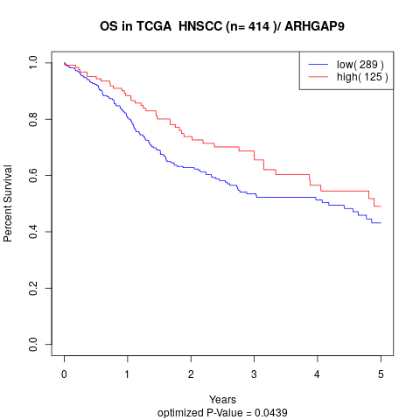

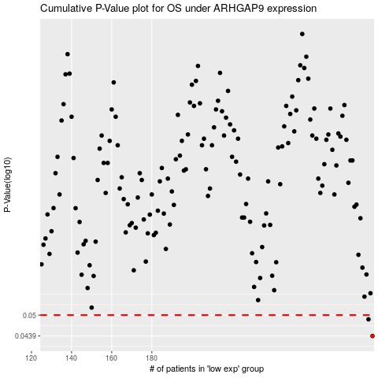

 |  |  |  |  |  | cases_OS | p_OS | rank | exp
 |  |  |  |  |  | 290 | 0.0439 | 349 | 0.14451206182
 |  |  |  |  |  | 288 | 0.0487 | 157 | 0.13864888895
 |  |  |  |  |  |  | cases_RFS | p_RFS | rank | exp
 |  |  |  |  |  |  | 289 | 0.0439 | 117 | 0.14098233699
 |  |  |  |  |  |  | 287 | 0.0487 | 52 | 0.12931705071

