ARHGDIB _multivariate
Reported by Tex Li-Hsing Chi. tex@gate.sinica.edu.tw 2019-08-22

Table 2. The clinicopathological features of HNSCC cohort and ARHGDIB expression. (Chi square test)
Cutoff at -0.275 (49.8%)
 |  | ARHGDIB expression |  | ARHGDIB expression |  | (Optimised)
 | Features | Low | (%) | High | (%) | Case no | P-value | Remark | Matthews
Gender | Female | 165 | 39.8 | 141 | 34 | 415 | 0.0081 | 1 | 0
2 | Male | 42 | 10.1 | 67 | 16.1
Age at diagnosis | <=65y | 144 | 34.7 | 130 | 31.3 | 415 | 0.1568 | 0 | 0
4 | >65y | 63 | 15.2 | 78 | 18.8
Clinical T Status | T1+T2 | 70 | 16.9 | 79 | 19 | 415 | 0.4343 | 0 | 0
6 | T3+T4 | 137 | 33 | 129 | 31.1
Clinical N Status | N0 | 113 | 27.2 | 103 | 24.8 | 415 | 0.3495 | 1 | 0
8 | N1-3 | 94 | 22.7 | 105 | 25.3
Clinical M Status | M0 | 207 | 49.9 | 205 | 49.4 | 415 | 0.2482 | 0 | 0
10 | M1 | 0 | 0 | 3 | 0.7
Clinical Stage | Stage I+II | 50 | 12 | 52 | 12.5 | 415 | 0.9315 | 0 | 0
12 | Stage III+IV | 157 | 37.8 | 156 | 37.6
Surgical Margin status | Negative | 154 | 37.1 | 164 | 39.5 | 415 | 0.2984 | 0 | 0
14 | Positive | 53 | 12.8 | 44 | 10.6
Tobacco Exposure | Low | 69 | 16.6 | 92 | 22.2 | 415 | 0.0266 | 1 | 0
16 | High | 138 | 33.3 | 116 | 28

Table 3. Univariate/Multivariate Cox's proportional hazards regression analyses on OS time of ARHGDIB gene expression in HNSCC

 |  | Univariate |  |  |  | Multivariate
 | Features | HR | CI95%(L) | CI95%(H) | P-value | HR | CI95%(L) | CI95%(H) | P-value
1 | Female | 1 |  |  |  | 1
Gender | Male | 1.157 | 0.843 | 1.587 | 0.367 | 1.206 | 0.862 | 1.685 | 0.274
11 | <=65y | 1 |  |  |  | 1
Age at diagnosis | >65y | 1.329 | 0.99 | 1.784 | 0.058 | 1.397 | 1.027 | 1.901 | 0.033
12 | T1+T2 | 1 |  |  |  | 1
Clinical T Status | T3+T4 | 1.409 | 1.028 | 1.931 | 0.033 | 2.193 | 1.159 | 4.149 | 0.016
13 | N0 | 1 |  |  |  | 1
Clinical N Status | N1-3 | 1.185 | 0.89 | 1.577 | 0.246 | 1.245 | 0.872 | 1.778 | 0.228
14 | M0 | 1 |  |  |  | 1
Clinical M Status | M1 | 4.097 | 1.009 | 16.644 | 0.049 | 9.624 | 2.087 | 44.379 | 0.004
15 | Stage I+II | 1 |  |  |  | 1
Clinical Stage | Stage III+IV | 1.245 | 0.882 | 1.759 | 0.213 | 0.504 | 0.235 | 1.082 | 0.079
16 | Negative | 1 |  |  |  | 1
Surgical Margin status | Positive | 1.591 | 1.155 | 2.191 | 0.004 | 1.672 | 1.21 | 2.311 | 0.002
17 | Low | 1 |  |  |  | 1
Tobacco Exposure | High | 1.364 | 1.008 | 1.844 | 0.044 | 1.445 | 1.047 | 1.995 | 0.025
18 | Low | 1 |  |  |  | 1
RNAseq(z-score) | High | 0.953 | 0.715 | 1.269 | 0.742 | 0.951 | 0.709 | 1.276 | 0.737

Table 4. Univariate/Multivariate Cox's proportional hazards regression analyses on RFS time of ARHGDIB gene expression in HNSCC

 |  | Univariate |  |  |  | Multivariate
 | Features | HR | CI95%(L) | CI95%(H) | P-value | HR | CI95%(L) | CI95%(H) | P-value
1 | Female | 1 |  |  |  | 1
Gender | Male | 1.157 | 0.843 | 1.587 | 0.367 | 1.206 | 0.862 | 1.685 | 0.274
11 | <=65y | 1 |  |  |  | 1
Age at diagnosis | >65y | 1.329 | 0.99 | 1.784 | 0.058 | 1.397 | 1.027 | 1.901 | 0.033
12 | T1+T2 | 1 |  |  |  | 1
Clinical T Status | T3+T4 | 1.409 | 1.028 | 1.931 | 0.033 | 2.193 | 1.159 | 4.149 | 0.016
13 | N0 | 1 |  |  |  | 1
Clinical N Status | N1-3 | 1.185 | 0.89 | 1.577 | 0.246 | 1.245 | 0.872 | 1.778 | 0.228
14 | M0 | 1 |  |  |  | 1
Clinical M Status | M1 | 4.097 | 1.009 | 16.644 | 0.049 | 9.624 | 2.087 | 44.379 | 0.004
15 | Stage I+II | 1 |  |  |  | 1
Clinical Stage | Stage III+IV | 1.245 | 0.882 | 1.759 | 0.213 | 0.504 | 0.235 | 1.082 | 0.079
16 | Negative | 1 |  |  |  | 1
Surgical Margin status | Positive | 1.591 | 1.155 | 2.191 | 0.004 | 1.672 | 1.21 | 2.311 | 0.002
17 | Low | 1 |  |  |  | 1
Tobacco Exposure | High | 1.364 | 1.008 | 1.844 | 0.044 | 1.445 | 1.047 | 1.995 | 0.025
18 | Low | 1 |  |  |  | 1
RNAseq(z-score) | High | 0.953 | 0.715 | 1.269 | 0.742 | 0.951 | 0.709 | 1.276 | 0.737

Kaplan-Meier survival estimate: Cutoff at -0.275 (49.8%)



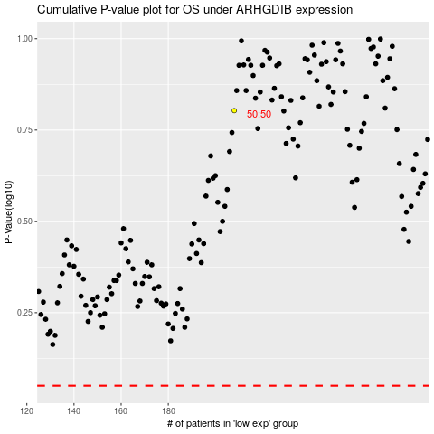

 |  |  |  |  |  | cases_OS | p_OS | rank | exp
 |  |  |  |  |  |  | cases_RFS | p_RFS | rank | exp

