ARHGEF10 _multivariate
Reported by Tex Li-Hsing Chi. tex@gate.sinica.edu.tw 2019-08-22

Table 2. The clinicopathological features of HNSCC cohort and ARHGEF10 expression. (Chi square test)
Cutoff at -0.161 (49.8%)
 |  | ARHGEF10 expression |  | ARHGEF10 expression |  | (Optimised)
 | Features | Low | (%) | High | (%) | Case no | P-value | Remark | Matthews
Gender | Female | 149 | 35.9 | 157 | 37.8 | 415 | 0.4848 | 0 | 0
2 | Male | 58 | 14 | 51 | 12.3
Age at diagnosis | <=65y | 128 | 30.8 | 146 | 35.2 | 415 | 0.0904 | 0 | 0
4 | >65y | 79 | 19 | 62 | 14.9
Clinical T Status | T1+T2 | 67 | 16.1 | 82 | 19.8 | 415 | 0.1628 | 0 | 0
6 | T3+T4 | 140 | 33.7 | 126 | 30.4
Clinical N Status | N0 | 113 | 27.2 | 103 | 24.8 | 415 | 0.3495 | 1 | 0
8 | N1-3 | 94 | 22.7 | 105 | 25.3
Clinical M Status | M0 | 204 | 49.2 | 208 | 50.1 | 415 | 0.1232 | 0 | 0
10 | M1 | 3 | 0.7 | 0 | 0
Clinical Stage | Stage I+II | 50 | 12 | 52 | 12.5 | 415 | 0.9315 | 0 | 0
12 | Stage III+IV | 157 | 37.8 | 156 | 37.6
Surgical Margin status | Negative | 154 | 37.1 | 164 | 39.5 | 415 | 0.2984 | 0 | 0
14 | Positive | 53 | 12.8 | 44 | 10.6
Tobacco Exposure | Low | 86 | 20.7 | 75 | 18.1 | 415 | 0.2687 | 0 | 0
16 | High | 121 | 29.2 | 133 | 32

Table 3. Univariate/Multivariate Cox's proportional hazards regression analyses on OS time of ARHGEF10 gene expression in HNSCC

 |  | Univariate |  |  |  | Multivariate
 | Features | HR | CI95%(L) | CI95%(H) | P-value | HR | CI95%(L) | CI95%(H) | P-value
1 | Female | 1 |  |  |  | 1
Gender | Male | 1.157 | 0.843 | 1.587 | 0.367 | 1.212 | 0.868 | 1.695 | 0.259
11 | <=65y | 1 |  |  |  | 1
Age at diagnosis | >65y | 1.329 | 0.99 | 1.784 | 0.058 | 1.396 | 1.027 | 1.899 | 0.033
12 | T1+T2 | 1 |  |  |  | 1
Clinical T Status | T3+T4 | 1.409 | 1.028 | 1.931 | 0.033 | 2.284 | 1.202 | 4.338 | 0.012
13 | N0 | 1 |  |  |  | 1
Clinical N Status | N1-3 | 1.185 | 0.89 | 1.577 | 0.246 | 1.244 | 0.871 | 1.775 | 0.23
14 | M0 | 1 |  |  |  | 1
Clinical M Status | M1 | 4.097 | 1.009 | 16.644 | 0.049 | 10.427 | 2.236 | 48.625 | 0.003
15 | Stage I+II | 1 |  |  |  | 1
Clinical Stage | Stage III+IV | 1.245 | 0.882 | 1.759 | 0.213 | 0.49 | 0.228 | 1.055 | 0.068
16 | Negative | 1 |  |  |  | 1
Surgical Margin status | Positive | 1.591 | 1.155 | 2.191 | 0.004 | 1.685 | 1.219 | 2.33 | 0.002
17 | Low | 1 |  |  |  | 1
Tobacco Exposure | High | 1.364 | 1.008 | 1.844 | 0.044 | 1.452 | 1.054 | 2.001 | 0.023
18 | Low | 1 |  |  |  | 1
RNAseq(z-score) | High | 1.017 | 0.763 | 1.356 | 0.908 | 1.144 | 0.853 | 1.535 | 0.37

Table 4. Univariate/Multivariate Cox's proportional hazards regression analyses on RFS time of ARHGEF10 gene expression in HNSCC

 |  | Univariate |  |  |  | Multivariate
 | Features | HR | CI95%(L) | CI95%(H) | P-value | HR | CI95%(L) | CI95%(H) | P-value
1 | Female | 1 |  |  |  | 1
Gender | Male | 1.157 | 0.843 | 1.587 | 0.367 | 1.212 | 0.868 | 1.695 | 0.259
11 | <=65y | 1 |  |  |  | 1
Age at diagnosis | >65y | 1.329 | 0.99 | 1.784 | 0.058 | 1.396 | 1.027 | 1.899 | 0.033
12 | T1+T2 | 1 |  |  |  | 1
Clinical T Status | T3+T4 | 1.409 | 1.028 | 1.931 | 0.033 | 2.284 | 1.202 | 4.338 | 0.012
13 | N0 | 1 |  |  |  | 1
Clinical N Status | N1-3 | 1.185 | 0.89 | 1.577 | 0.246 | 1.244 | 0.871 | 1.775 | 0.23
14 | M0 | 1 |  |  |  | 1
Clinical M Status | M1 | 4.097 | 1.009 | 16.644 | 0.049 | 10.427 | 2.236 | 48.625 | 0.003
15 | Stage I+II | 1 |  |  |  | 1
Clinical Stage | Stage III+IV | 1.245 | 0.882 | 1.759 | 0.213 | 0.49 | 0.228 | 1.055 | 0.068
16 | Negative | 1 |  |  |  | 1
Surgical Margin status | Positive | 1.591 | 1.155 | 2.191 | 0.004 | 1.685 | 1.219 | 2.33 | 0.002
17 | Low | 1 |  |  |  | 1
Tobacco Exposure | High | 1.364 | 1.008 | 1.844 | 0.044 | 1.452 | 1.054 | 2.001 | 0.023
18 | Low | 1 |  |  |  | 1
RNAseq(z-score) | High | 1.017 | 0.763 | 1.356 | 0.908 | 1.144 | 0.853 | 1.535 | 0.37

Kaplan-Meier survival estimate: Cutoff at -0.161 (49.8%)



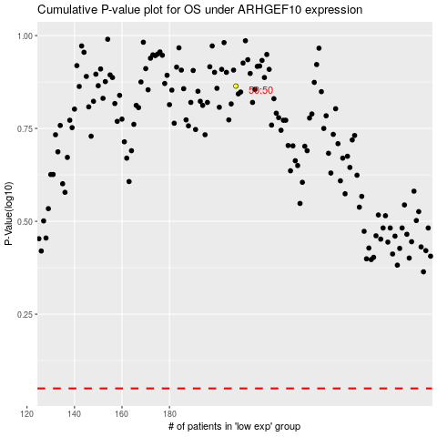

 |  |  |  |  |  | cases_OS | p_OS | rank | exp
 |  |  |  |  |  |  | cases_RFS | p_RFS | rank | exp

