ARHGEF12 _multivariate
Reported by Tex Li-Hsing Chi. tex@gate.sinica.edu.tw 2019-08-21

Table 2. The clinicopathological features of HNSCC cohort and ARHGEF12 expression. (Chi square test)
Cutoff at -0.224 (49.8%)
 |  | ARHGEF12 expression |  | ARHGEF12 expression |  | (Optimised)
 | Features | Low | (%) | High | (%) | Case no | P-value | Remark | Matthews
Gender | Female | 166 | 40 | 140 | 33.7 | 415 | 0.0041 | 1 | 0
2 | Male | 41 | 9.9 | 68 | 16.4
Age at diagnosis | <=65y | 142 | 34.2 | 132 | 31.8 | 415 | 0.3167 | 0 | 0
4 | >65y | 65 | 15.7 | 76 | 18.3
Clinical T Status | T1+T2 | 78 | 18.8 | 71 | 17.1 | 415 | 0.5152 | 0 | 0
6 | T3+T4 | 129 | 31.1 | 137 | 33
Clinical N Status | N0 | 100 | 24.1 | 116 | 28 | 415 | 0.1548 | 0 | 0
8 | N1-3 | 107 | 25.8 | 92 | 22.2
Clinical M Status | M0 | 204 | 49.2 | 208 | 50.1 | 415 | 0.1232 | 0 | 0
10 | M1 | 3 | 0.7 | 0 | 0
Clinical Stage | Stage I+II | 48 | 11.6 | 54 | 13 | 415 | 0.5878 | 0 | 0
12 | Stage III+IV | 159 | 38.3 | 154 | 37.1
Surgical Margin status | Negative | 153 | 36.9 | 165 | 39.8 | 415 | 0.2036 | 0 | 0
14 | Positive | 54 | 13 | 43 | 10.4
Tobacco Exposure | Low | 73 | 17.6 | 88 | 21.2 | 415 | 0.1587 | 0 | 0
16 | High | 134 | 32.3 | 120 | 28.9

Table 3. Univariate/Multivariate Cox's proportional hazards regression analyses on OS time of ARHGEF12 gene expression in HNSCC

 |  | Univariate |  |  |  | Multivariate
 | Features | HR | CI95%(L) | CI95%(H) | P-value | HR | CI95%(L) | CI95%(H) | P-value
1 | Female | 1 |  |  |  | 1
Gender | Male | 1.157 | 0.843 | 1.587 | 0.367 | 1.211 | 0.866 | 1.695 | 0.263
11 | <=65y | 1 |  |  |  | 1
Age at diagnosis | >65y | 1.329 | 0.99 | 1.784 | 0.058 | 1.391 | 1.023 | 1.891 | 0.035
12 | T1+T2 | 1 |  |  |  | 1
Clinical T Status | T3+T4 | 1.409 | 1.028 | 1.931 | 0.033 | 2.216 | 1.172 | 4.189 | 0.014
13 | N0 | 1 |  |  |  | 1
Clinical N Status | N1-3 | 1.185 | 0.89 | 1.577 | 0.246 | 1.242 | 0.87 | 1.772 | 0.232
14 | M0 | 1 |  |  |  | 1
Clinical M Status | M1 | 4.097 | 1.009 | 16.644 | 0.049 | 9.04 | 1.962 | 41.652 | 0.005
15 | Stage I+II | 1 |  |  |  | 1
Clinical Stage | Stage III+IV | 1.245 | 0.882 | 1.759 | 0.213 | 0.502 | 0.234 | 1.078 | 0.077
16 | Negative | 1 |  |  |  | 1
Surgical Margin status | Positive | 1.591 | 1.155 | 2.191 | 0.004 | 1.646 | 1.187 | 2.282 | 0.003
17 | Low | 1 |  |  |  | 1
Tobacco Exposure | High | 1.364 | 1.008 | 1.844 | 0.044 | 1.442 | 1.045 | 1.988 | 0.026
18 | Low | 1 |  |  |  | 1
RNAseq(z-score) | High | 0.854 | 0.641 | 1.137 | 0.28 | 0.914 | 0.681 | 1.226 | 0.547

Table 4. Univariate/Multivariate Cox's proportional hazards regression analyses on RFS time of ARHGEF12 gene expression in HNSCC

 |  | Univariate |  |  |  | Multivariate
 | Features | HR | CI95%(L) | CI95%(H) | P-value | HR | CI95%(L) | CI95%(H) | P-value
1 | Female | 1 |  |  |  | 1
Gender | Male | 1.157 | 0.843 | 1.587 | 0.367 | 1.211 | 0.866 | 1.695 | 0.263
11 | <=65y | 1 |  |  |  | 1
Age at diagnosis | >65y | 1.329 | 0.99 | 1.784 | 0.058 | 1.391 | 1.023 | 1.891 | 0.035
12 | T1+T2 | 1 |  |  |  | 1
Clinical T Status | T3+T4 | 1.409 | 1.028 | 1.931 | 0.033 | 2.216 | 1.172 | 4.189 | 0.014
13 | N0 | 1 |  |  |  | 1
Clinical N Status | N1-3 | 1.185 | 0.89 | 1.577 | 0.246 | 1.242 | 0.87 | 1.772 | 0.232
14 | M0 | 1 |  |  |  | 1
Clinical M Status | M1 | 4.097 | 1.009 | 16.644 | 0.049 | 9.04 | 1.962 | 41.652 | 0.005
15 | Stage I+II | 1 |  |  |  | 1
Clinical Stage | Stage III+IV | 1.245 | 0.882 | 1.759 | 0.213 | 0.502 | 0.234 | 1.078 | 0.077
16 | Negative | 1 |  |  |  | 1
Surgical Margin status | Positive | 1.591 | 1.155 | 2.191 | 0.004 | 1.646 | 1.187 | 2.282 | 0.003
17 | Low | 1 |  |  |  | 1
Tobacco Exposure | High | 1.364 | 1.008 | 1.844 | 0.044 | 1.442 | 1.045 | 1.988 | 0.026
18 | Low | 1 |  |  |  | 1
RNAseq(z-score) | High | 0.854 | 0.641 | 1.137 | 0.28 | 0.914 | 0.681 | 1.226 | 0.547

Kaplan-Meier survival estimate: Cutoff at -0.224 (49.8%)



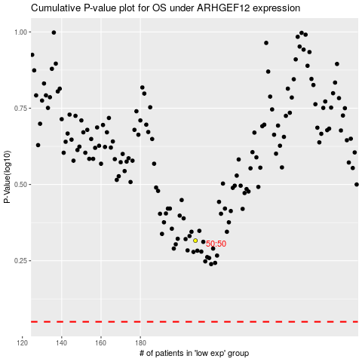

 |  |  |  |  |  | cases_OS | p_OS | rank | exp
 |  |  |  |  |  |  | cases_RFS | p_RFS | rank | exp

