ARHGEF16 _multivariate
Reported by Tex Li-Hsing Chi. tex@gate.sinica.edu.tw 2019-08-21

Table 2. The clinicopathological features of HNSCC cohort and ARHGEF16 expression. (Chi square test)
Cutoff at -0.315 (49.8%)
 |  | ARHGEF16 expression |  | ARHGEF16 expression |  | (Optimised)
 | Features | Low | (%) | High | (%) | Case no | P-value | Remark | Matthews
Gender | Female | 141 | 34 | 165 | 39.8 | 415 | 0.013 | 1 | 0
2 | Male | 66 | 15.9 | 43 | 10.4
Age at diagnosis | <=65y | 126 | 30.4 | 148 | 35.7 | 415 | 0.035 | 1 | 0
4 | >65y | 81 | 19.5 | 60 | 14.5
Clinical T Status | T1+T2 | 84 | 20.2 | 65 | 15.7 | 415 | 0.0603 | 0 | 0
6 | T3+T4 | 123 | 29.6 | 143 | 34.5
Clinical N Status | N0 | 120 | 28.9 | 96 | 23.1 | 415 | 0.0208 | 1 | 0
8 | N1-3 | 87 | 21 | 112 | 27
Clinical M Status | M0 | 207 | 49.9 | 205 | 49.4 | 415 | 0.2482 | 0 | 0
10 | M1 | 0 | 0 | 3 | 0.7
Clinical Stage | Stage I+II | 64 | 15.4 | 38 | 9.2 | 415 | 0.004 | 1 | 0
12 | Stage III+IV | 143 | 34.5 | 170 | 41
Surgical Margin status | Negative | 164 | 39.5 | 154 | 37.1 | 415 | 0.2462 | 0 | 0
14 | Positive | 43 | 10.4 | 54 | 13
Tobacco Exposure | Low | 94 | 22.7 | 67 | 16.1 | 415 | 0.0065 | 1 | 0
16 | High | 113 | 27.2 | 141 | 34

Table 3. Univariate/Multivariate Cox's proportional hazards regression analyses on OS time of ARHGEF16 gene expression in HNSCC

 |  | Univariate |  |  |  | Multivariate
 | Features | HR | CI95%(L) | CI95%(H) | P-value | HR | CI95%(L) | CI95%(H) | P-value
1 | Female | 1 |  |  |  | 1
Gender | Male | 1.157 | 0.843 | 1.587 | 0.367 | 1.193 | 0.851 | 1.672 | 0.305
11 | <=65y | 1 |  |  |  | 1
Age at diagnosis | >65y | 1.329 | 0.99 | 1.784 | 0.058 | 1.39 | 1.023 | 1.89 | 0.035
12 | T1+T2 | 1 |  |  |  | 1
Clinical T Status | T3+T4 | 1.409 | 1.028 | 1.931 | 0.033 | 2.196 | 1.161 | 4.153 | 0.016
13 | N0 | 1 |  |  |  | 1
Clinical N Status | N1-3 | 1.185 | 0.89 | 1.577 | 0.246 | 1.242 | 0.871 | 1.773 | 0.231
14 | M0 | 1 |  |  |  | 1
Clinical M Status | M1 | 4.097 | 1.009 | 16.644 | 0.049 | 9.558 | 2.078 | 43.975 | 0.004
15 | Stage I+II | 1 |  |  |  | 1
Clinical Stage | Stage III+IV | 1.245 | 0.882 | 1.759 | 0.213 | 0.51 | 0.237 | 1.099 | 0.086
16 | Negative | 1 |  |  |  | 1
Surgical Margin status | Positive | 1.591 | 1.155 | 2.191 | 0.004 | 1.674 | 1.212 | 2.314 | 0.002
17 | Low | 1 |  |  |  | 1
Tobacco Exposure | High | 1.364 | 1.008 | 1.844 | 0.044 | 1.456 | 1.057 | 2.007 | 0.022
18 | Low | 1 |  |  |  | 1
RNAseq(z-score) | High | 1.002 | 0.752 | 1.336 | 0.986 | 0.955 | 0.708 | 1.289 | 0.765

Table 4. Univariate/Multivariate Cox's proportional hazards regression analyses on RFS time of ARHGEF16 gene expression in HNSCC

 |  | Univariate |  |  |  | Multivariate
 | Features | HR | CI95%(L) | CI95%(H) | P-value | HR | CI95%(L) | CI95%(H) | P-value
1 | Female | 1 |  |  |  | 1
Gender | Male | 1.157 | 0.843 | 1.587 | 0.367 | 1.193 | 0.851 | 1.672 | 0.305
11 | <=65y | 1 |  |  |  | 1
Age at diagnosis | >65y | 1.329 | 0.99 | 1.784 | 0.058 | 1.39 | 1.023 | 1.89 | 0.035
12 | T1+T2 | 1 |  |  |  | 1
Clinical T Status | T3+T4 | 1.409 | 1.028 | 1.931 | 0.033 | 2.196 | 1.161 | 4.153 | 0.016
13 | N0 | 1 |  |  |  | 1
Clinical N Status | N1-3 | 1.185 | 0.89 | 1.577 | 0.246 | 1.242 | 0.871 | 1.773 | 0.231
14 | M0 | 1 |  |  |  | 1
Clinical M Status | M1 | 4.097 | 1.009 | 16.644 | 0.049 | 9.558 | 2.078 | 43.975 | 0.004
15 | Stage I+II | 1 |  |  |  | 1
Clinical Stage | Stage III+IV | 1.245 | 0.882 | 1.759 | 0.213 | 0.51 | 0.237 | 1.099 | 0.086
16 | Negative | 1 |  |  |  | 1
Surgical Margin status | Positive | 1.591 | 1.155 | 2.191 | 0.004 | 1.674 | 1.212 | 2.314 | 0.002
17 | Low | 1 |  |  |  | 1
Tobacco Exposure | High | 1.364 | 1.008 | 1.844 | 0.044 | 1.456 | 1.057 | 2.007 | 0.022
18 | Low | 1 |  |  |  | 1
RNAseq(z-score) | High | 1.002 | 0.752 | 1.336 | 0.986 | 0.955 | 0.708 | 1.289 | 0.765

Kaplan-Meier survival estimate: Cutoff at -0.315 (49.8%)



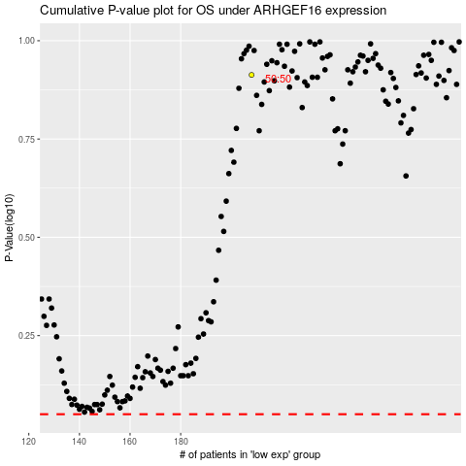

 |  |  |  |  |  | cases_OS | p_OS | rank | exp
 |  |  |  |  |  |  | cases_RFS | p_RFS | rank | exp

