ARHGEF18 _multivariate
Reported by Tex Li-Hsing Chi. tex@gate.sinica.edu.tw 2019-08-21

Table 2. The clinicopathological features of HNSCC cohort and ARHGEF18 expression. (Chi square test)
Cutoff at -0.377 (35.5%)
 |  | ARHGEF18 expression |  | ARHGEF18 expression |  | (Optimised)
 | Features | Low | (%) | High | (%) | Case no | P-value | Remark | Matthews
Gender | Female | 110 | 26.5 | 196 | 47.2 | 415 | 0.7958 | 0 | 0
2 | Male | 37 | 8.9 | 72 | 17.3
Age at diagnosis | <=65y | 91 | 21.9 | 183 | 44.1 | 415 | 0.2286 | 0 | 0
4 | >65y | 56 | 13.5 | 85 | 20.5
Clinical T Status | T1+T2 | 64 | 15.4 | 85 | 20.5 | 415 | 0.0218 | 1 | 0
6 | T3+T4 | 83 | 20 | 183 | 44.1
Clinical N Status | N0 | 71 | 17.1 | 145 | 34.9 | 415 | 0.3033 | 0 | 0
8 | N1-3 | 76 | 18.3 | 123 | 29.6
Clinical M Status | M0 | 145 | 34.9 | 267 | 64.3 | 415 | 0.287 | 0 | 0
10 | M1 | 2 | 0.5 | 1 | 0.2
Clinical Stage | Stage I+II | 41 | 9.9 | 61 | 14.7 | 415 | 0.2976 | 0 | 0
12 | Stage III+IV | 106 | 25.5 | 207 | 49.9
Surgical Margin status | Negative | 101 | 24.3 | 217 | 52.3 | 415 | 0.0054 | 1 | 0
14 | Positive | 46 | 11.1 | 51 | 12.3
Tobacco Exposure | Low | 55 | 13.3 | 106 | 25.5 | 415 | 0.7521 | 0 | 0
16 | High | 92 | 22.2 | 162 | 39

Table 3. Univariate/Multivariate Cox's proportional hazards regression analyses on OS time of ARHGEF18 gene expression in HNSCC

 |  | Univariate |  |  |  | Multivariate
 | Features | HR | CI95%(L) | CI95%(H) | P-value | HR | CI95%(L) | CI95%(H) | P-value
1 | Female | 1 |  |  |  | 1
Gender | Male | 1.157 | 0.843 | 1.587 | 0.367 | 1.207 | 0.864 | 1.687 | 0.271
11 | <=65y | 1 |  |  |  | 1
Age at diagnosis | >65y | 1.329 | 0.99 | 1.784 | 0.058 | 1.367 | 1.004 | 1.861 | 0.047
12 | T1+T2 | 1 |  |  |  | 1
Clinical T Status | T3+T4 | 1.409 | 1.028 | 1.931 | 0.033 | 2.249 | 1.189 | 4.255 | 0.013
13 | N0 | 1 |  |  |  | 1
Clinical N Status | N1-3 | 1.185 | 0.89 | 1.577 | 0.246 | 1.191 | 0.833 | 1.704 | 0.339
14 | M0 | 1 |  |  |  | 1
Clinical M Status | M1 | 4.097 | 1.009 | 16.644 | 0.049 | 8.374 | 1.818 | 38.571 | 0.006
15 | Stage I+II | 1 |  |  |  | 1
Clinical Stage | Stage III+IV | 1.245 | 0.882 | 1.759 | 0.213 | 0.513 | 0.239 | 1.1 | 0.086
16 | Negative | 1 |  |  |  | 1
Surgical Margin status | Positive | 1.591 | 1.155 | 2.191 | 0.004 | 1.603 | 1.157 | 2.223 | 0.005
17 | Low | 1 |  |  |  | 1
Tobacco Exposure | High | 1.364 | 1.008 | 1.844 | 0.044 | 1.455 | 1.055 | 2.006 | 0.022
18 | Low | 1 |  |  |  | 1
RNAseq(z-score) | High | 0.675 | 0.504 | 0.903 | 0.008 | 0.724 | 0.538 | 0.976 | 0.034

Table 4. Univariate/Multivariate Cox's proportional hazards regression analyses on RFS time of ARHGEF18 gene expression in HNSCC

 |  | Univariate |  |  |  | Multivariate
 | Features | HR | CI95%(L) | CI95%(H) | P-value | HR | CI95%(L) | CI95%(H) | P-value
1 | Female | 1 |  |  |  | 1
Gender | Male | 1.157 | 0.843 | 1.587 | 0.367 | 1.207 | 0.864 | 1.687 | 0.271
11 | <=65y | 1 |  |  |  | 1
Age at diagnosis | >65y | 1.329 | 0.99 | 1.784 | 0.058 | 1.367 | 1.004 | 1.861 | 0.047
12 | T1+T2 | 1 |  |  |  | 1
Clinical T Status | T3+T4 | 1.409 | 1.028 | 1.931 | 0.033 | 2.249 | 1.189 | 4.255 | 0.013
13 | N0 | 1 |  |  |  | 1
Clinical N Status | N1-3 | 1.185 | 0.89 | 1.577 | 0.246 | 1.191 | 0.833 | 1.704 | 0.339
14 | M0 | 1 |  |  |  | 1
Clinical M Status | M1 | 4.097 | 1.009 | 16.644 | 0.049 | 8.374 | 1.818 | 38.571 | 0.006
15 | Stage I+II | 1 |  |  |  | 1
Clinical Stage | Stage III+IV | 1.245 | 0.882 | 1.759 | 0.213 | 0.513 | 0.239 | 1.1 | 0.086
16 | Negative | 1 |  |  |  | 1
Surgical Margin status | Positive | 1.591 | 1.155 | 2.191 | 0.004 | 1.603 | 1.157 | 2.223 | 0.005
17 | Low | 1 |  |  |  | 1
Tobacco Exposure | High | 1.364 | 1.008 | 1.844 | 0.044 | 1.455 | 1.055 | 2.006 | 0.022
18 | Low | 1 |  |  |  | 1
RNAseq(z-score) | High | 0.675 | 0.504 | 0.903 | 0.008 | 0.724 | 0.538 | 0.976 | 0.034

Kaplan-Meier survival estimate: Cutoff at -0.377 (35.5%)

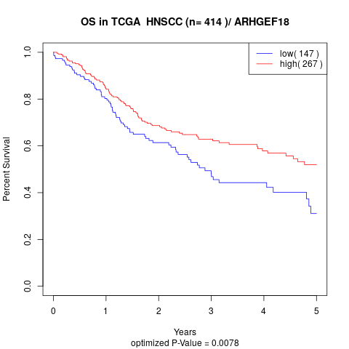

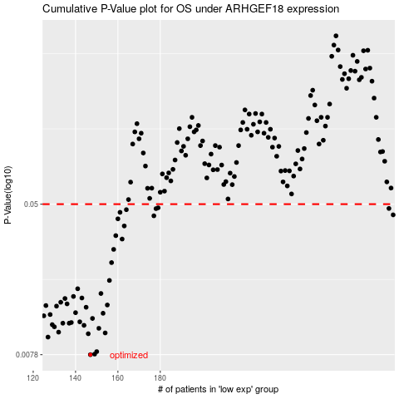

 |  |  |  |  |  | cases_OS | p_OS | rank | exp
 |  |  |  |  |  | 147 | 0.0078 | 35 | -0.37714559607
 |  |  |  |  |  | 149 | 0.00785 | 179 | -0.35627597064
 |  |  |  |  |  | 150 | 0.0081 | 128 | -0.34711612187
 |  |  |  |  |  | 127 | 0.00969 | 119 | -0.46092954737
 |  |  |  |  |  | 146 | 0.0101 | 411 | -0.38145140422
 |  |  |  |  |  | 154 | 0.0102 | 45 | -0.3220241765
 |  |  |  |  |  | 132 | 0.0103 | 282 | -0.44985209784
 |  |  |  |  |  | 151 | 0.0108 | 110 | -0.33842202812
 |  |  |  |  |  | 130 | 0.011 | 158 | -0.45306770771
 |  |  |  |  |  | 144 | 0.0112 | 18 | -0.39029913244
 |  |  |  |  |  | 129 | 0.0113 | 212 | -0.4566823629
 |  |  |  |  |  | 134 | 0.0115 | 75 | -0.43478358868
 |  |  |  |  |  | 137 | 0.0115 | 342 | -0.42349711541
 |  |  |  |  |  | 138 | 0.0116 | 73 | -0.4153694477
 |  |  |  |  |  | 142 | 0.0117 | 121 | -0.40013719653
 |  |  |  |  |  | 148 | 0.0122 | 225 | -0.37054800638
 |  |  |  |  |  | 125 | 0.0126 | 318 | -0.46655297324
 |  |  |  |  |  | 128 | 0.0128 | 401 | -0.45837254421
 |  |  |  |  |  | 153 | 0.013 | 90 | -0.3272811033
 |  |  |  |  |  | 140 | 0.0131 | 112 | -0.40352119787
 |  |  |  |  |  | 145 | 0.014 | 326 | -0.38570323816
 |  |  |  |  |  | 131 | 0.0142 | 117 | -0.45268402584
 |  |  |  |  |  | 126 | 0.0143 | 229 | -0.46529802221
 |  |  |  |  |  | 155 | 0.0144 | 106 | -0.32139104077
 |  |  |  |  |  | 136 | 0.0146 | 203 | -0.42962773719
 |  |  |  |  |  | 133 | 0.0149 | 107 | -0.44738727537
 |  |  |  |  |  | 135 | 0.0156 | 243 | -0.43164176379
 |  |  |  |  |  | 143 | 0.0157 | 186 | -0.39726342336
 |  |  |  |  |  | 139 | 0.016 | 118 | -0.41169475377
 |  |  |  |  |  | 152 | 0.0166 | 202 | -0.33607546376
 |  |  |  |  |  | 141 | 0.0176 | 201 | -0.40348925807
 |  |  |  |  |  | 156 | 0.0195 | 164 | -0.32117009014
 |  |  |  |  |  | 157 | 0.0243 | 382 | -0.32111611593
 |  |  |  |  |  | 158 | 0.0286 | 310 | -0.31879219243
 |  |  |  |  |  | 162 | 0.0325 | 295 | -0.30764965041
 |  |  |  |  |  | 159 | 0.0339 | 135 | -0.31628208822
 |  |  |  |  |  | 163 | 0.0382 | 31 | -0.30084566493
 |  |  |  |  |  | 160 | 0.0417 | 380 | -0.31563075893
 |  |  |  |  |  | 177 | 0.0433 | 343 | -0.21911900046
 |  |  |  |  |  | 290 | 0.0438 | 335 | 0.40771307021
 |  |  |  |  |  | 161 | 0.0452 | 261 | -0.31086526028
 |  |  |  |  |  | 164 | 0.0467 | 408 | -0.29504758092
 |  |  |  |  |  | 178 | 0.0473 | 306 | -0.21183045996
 |  |  |  |  |  | 288 | 0.0474 | 122 | 0.3994077121
 |  |  |  |  |  | 179 | 0.0478 | 174 | -0.21182459759
 |  |  |  |  |  |  | cases_RFS | p_RFS | rank | exp
 |  |  |  |  |  |  | 146 | 0.0078 | 411 | -0.38145140422
 |  |  |  |  |  |  | 148 | 0.00785 | 225 | -0.37054800638
 |  |  |  |  |  |  | 149 | 0.0081 | 179 | -0.35627597064
 |  |  |  |  |  |  | 126 | 0.00969 | 229 | -0.46529802221
 |  |  |  |  |  |  | 145 | 0.0101 | 326 | -0.38570323816
 |  |  |  |  |  |  | 153 | 0.0102 | 90 | -0.3272811033
 |  |  |  |  |  |  | 131 | 0.0103 | 117 | -0.45268402584
 |  |  |  |  |  |  | 150 | 0.0108 | 128 | -0.34711612187
 |  |  |  |  |  |  | 129 | 0.011 | 212 | -0.4566823629
 |  |  |  |  |  |  | 143 | 0.0112 | 186 | -0.39726342336
 |  |  |  |  |  |  | 128 | 0.0113 | 401 | -0.45837254421
 |  |  |  |  |  |  | 133 | 0.0115 | 107 | -0.44738727537
 |  |  |  |  |  |  | 136 | 0.0115 | 203 | -0.42962773719
 |  |  |  |  |  |  | 137 | 0.0116 | 342 | -0.42349711541
 |  |  |  |  |  |  | 141 | 0.0117 | 201 | -0.40348925807
 |  |  |  |  |  |  | 147 | 0.0122 | 35 | -0.37714559607
 |  |  |  |  |  |  |  | 0.0126 | 389 | -0.4733500856
 |  |  |  |  |  |  | 127 | 0.0128 | 119 | -0.46092954737
 |  |  |  |  |  |  | 152 | 0.013 | 202 | -0.33607546376
 |  |  |  |  |  |  | 139 | 0.0131 | 118 | -0.41169475377
 |  |  |  |  |  |  | 144 | 0.014 | 18 | -0.39029913244
 |  |  |  |  |  |  | 130 | 0.0142 | 158 | -0.45306770771
 |  |  |  |  |  |  | 125 | 0.0143 | 318 | -0.46655297324
 |  |  |  |  |  |  | 154 | 0.0144 | 45 | -0.3220241765
 |  |  |  |  |  |  | 135 | 0.0146 | 243 | -0.43164176379
 |  |  |  |  |  |  | 132 | 0.0149 | 282 | -0.44985209784
 |  |  |  |  |  |  | 134 | 0.0156 | 75 | -0.43478358868
 |  |  |  |  |  |  | 142 | 0.0157 | 121 | -0.40013719653
 |  |  |  |  |  |  | 138 | 0.016 | 73 | -0.4153694477
 |  |  |  |  |  |  | 151 | 0.0166 | 110 | -0.33842202812
 |  |  |  |  |  |  | 140 | 0.0176 | 112 | -0.40352119787
 |  |  |  |  |  |  | 155 | 0.0195 | 106 | -0.32139104077
 |  |  |  |  |  |  | 156 | 0.0243 | 164 | -0.32117009014
 |  |  |  |  |  |  | 157 | 0.0286 | 382 | -0.32111611593
 |  |  |  |  |  |  | 161 | 0.0325 | 261 | -0.31086526028
 |  |  |  |  |  |  | 158 | 0.0339 | 310 | -0.31879219243
 |  |  |  |  |  |  | 162 | 0.0382 | 295 | -0.30764965041
 |  |  |  |  |  |  | 159 | 0.0417 | 135 | -0.31628208822
 |  |  |  |  |  |  | 176 | 0.0433 | 198 | -0.22217733715
 |  |  |  |  |  |  | 289 | 0.0438 | 78 | 0.40031071891
 |  |  |  |  |  |  | 160 | 0.0452 | 380 | -0.31563075893
 |  |  |  |  |  |  | 163 | 0.0467 | 31 | -0.30084566493
 |  |  |  |  |  |  | 177 | 0.0473 | 343 | -0.21911900046
 |  |  |  |  |  |  | 287 | 0.0474 | 287 | 0.39584682898
 |  |  |  |  |  |  | 178 | 0.0478 | 306 | -0.21183045996

