ARHGEF19 _multivariate
Reported by Tex Li-Hsing Chi. tex@gate.sinica.edu.tw 2019-08-21

Table 2. The clinicopathological features of HNSCC cohort and ARHGEF19 expression. (Chi square test)
Cutoff at -0.294 (49.8%)
 |  | ARHGEF19 expression |  | ARHGEF19 expression |  | (Optimised)
 | Features | Low | (%) | High | (%) | Case no | P-value | Remark | Matthews
Gender | Female | 144 | 34.7 | 162 | 39 | 415 | 0.0697 | 0 | 0
2 | Male | 63 | 15.2 | 46 | 11.1
Age at diagnosis | <=65y | 133 | 32 | 141 | 34 | 415 | 0.5111 | 0 | 0
4 | >65y | 74 | 17.8 | 67 | 16.1
Clinical T Status | T1+T2 | 83 | 20 | 66 | 15.9 | 415 | 0.0941 | 0 | 0
6 | T3+T4 | 124 | 29.9 | 142 | 34.2
Clinical N Status | N0 | 111 | 26.7 | 105 | 25.3 | 415 | 0.5875 | 0 | 0
8 | N1-3 | 96 | 23.1 | 103 | 24.8
Clinical M Status | M0 | 205 | 49.4 | 207 | 49.9 | 415 | 0.6232 | 0 | 0
10 | M1 | 2 | 0.5 | 1 | 0.2
Clinical Stage | Stage I+II | 62 | 14.9 | 40 | 9.6 | 415 | 0.0154 | 1 | 0
12 | Stage III+IV | 145 | 34.9 | 168 | 40.5
Surgical Margin status | Negative | 157 | 37.8 | 161 | 38.8 | 415 | 0.729 | 0 | 0
14 | Positive | 50 | 12 | 47 | 11.3
Tobacco Exposure | Low | 92 | 22.2 | 69 | 16.6 | 415 | 0.0206 | 1 | 0
16 | High | 115 | 27.7 | 139 | 33.5

Table 3. Univariate/Multivariate Cox's proportional hazards regression analyses on OS time of ARHGEF19 gene expression in HNSCC

 |  | Univariate |  |  |  | Multivariate
 | Features | HR | CI95%(L) | CI95%(H) | P-value | HR | CI95%(L) | CI95%(H) | P-value
1 | Female | 1 |  |  |  | 1
Gender | Male | 1.157 | 0.843 | 1.587 | 0.367 | 1.178 | 0.842 | 1.649 | 0.339
11 | <=65y | 1 |  |  |  | 1
Age at diagnosis | >65y | 1.329 | 0.99 | 1.784 | 0.058 | 1.39 | 1.022 | 1.889 | 0.036
12 | T1+T2 | 1 |  |  |  | 1
Clinical T Status | T3+T4 | 1.409 | 1.028 | 1.931 | 0.033 | 2.172 | 1.148 | 4.109 | 0.017
13 | N0 | 1 |  |  |  | 1
Clinical N Status | N1-3 | 1.185 | 0.89 | 1.577 | 0.246 | 1.234 | 0.865 | 1.761 | 0.245
14 | M0 | 1 |  |  |  | 1
Clinical M Status | M1 | 4.097 | 1.009 | 16.644 | 0.049 | 8.761 | 1.902 | 40.363 | 0.005
15 | Stage I+II | 1 |  |  |  | 1
Clinical Stage | Stage III+IV | 1.245 | 0.882 | 1.759 | 0.213 | 0.53 | 0.245 | 1.143 | 0.105
16 | Negative | 1 |  |  |  | 1
Surgical Margin status | Positive | 1.591 | 1.155 | 2.191 | 0.004 | 1.67 | 1.209 | 2.307 | 0.002
17 | Low | 1 |  |  |  | 1
Tobacco Exposure | High | 1.364 | 1.008 | 1.844 | 0.044 | 1.48 | 1.072 | 2.044 | 0.017
18 | Low | 1 |  |  |  | 1
RNAseq(z-score) | High | 0.868 | 0.649 | 1.16 | 0.337 | 0.846 | 0.626 | 1.143 | 0.275

Table 4. Univariate/Multivariate Cox's proportional hazards regression analyses on RFS time of ARHGEF19 gene expression in HNSCC

 |  | Univariate |  |  |  | Multivariate
 | Features | HR | CI95%(L) | CI95%(H) | P-value | HR | CI95%(L) | CI95%(H) | P-value
1 | Female | 1 |  |  |  | 1
Gender | Male | 1.157 | 0.843 | 1.587 | 0.367 | 1.178 | 0.842 | 1.649 | 0.339
11 | <=65y | 1 |  |  |  | 1
Age at diagnosis | >65y | 1.329 | 0.99 | 1.784 | 0.058 | 1.39 | 1.022 | 1.889 | 0.036
12 | T1+T2 | 1 |  |  |  | 1
Clinical T Status | T3+T4 | 1.409 | 1.028 | 1.931 | 0.033 | 2.172 | 1.148 | 4.109 | 0.017
13 | N0 | 1 |  |  |  | 1
Clinical N Status | N1-3 | 1.185 | 0.89 | 1.577 | 0.246 | 1.234 | 0.865 | 1.761 | 0.245
14 | M0 | 1 |  |  |  | 1
Clinical M Status | M1 | 4.097 | 1.009 | 16.644 | 0.049 | 8.761 | 1.902 | 40.363 | 0.005
15 | Stage I+II | 1 |  |  |  | 1
Clinical Stage | Stage III+IV | 1.245 | 0.882 | 1.759 | 0.213 | 0.53 | 0.245 | 1.143 | 0.105
16 | Negative | 1 |  |  |  | 1
Surgical Margin status | Positive | 1.591 | 1.155 | 2.191 | 0.004 | 1.67 | 1.209 | 2.307 | 0.002
17 | Low | 1 |  |  |  | 1
Tobacco Exposure | High | 1.364 | 1.008 | 1.844 | 0.044 | 1.48 | 1.072 | 2.044 | 0.017
18 | Low | 1 |  |  |  | 1
RNAseq(z-score) | High | 0.868 | 0.649 | 1.16 | 0.337 | 0.846 | 0.626 | 1.143 | 0.275

Kaplan-Meier survival estimate: Cutoff at -0.294 (49.8%)



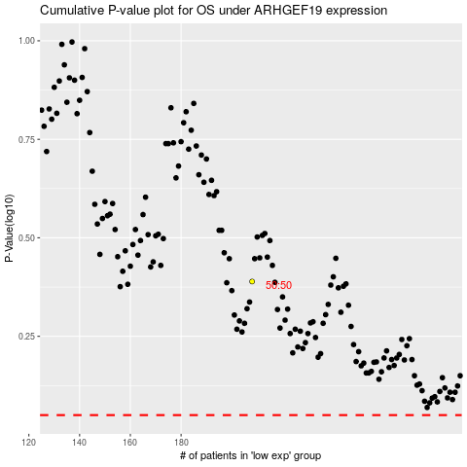

 |  |  |  |  |  | cases_OS | p_OS | rank | exp
 |  |  |  |  |  |  | cases_RFS | p_RFS | rank | exp

