ARHGEF2 _multivariate
Reported by Tex Li-Hsing Chi. tex@gate.sinica.edu.tw 2019-08-21

Table 2. The clinicopathological features of HNSCC cohort and ARHGEF2 expression. (Chi square test)
Cutoff at -0.183 (50.0%)
 |  | ARHGEF2 expression |  | ARHGEF2 expression |  | (Optimised)
 | Features | Low | (%) | High | (%) | Case no | P-value | Remark | Matthews
Gender | Female | 150 | 36.1 | 156 | 37.6 | 415 | 0.6344 | 0 | 0
2 | Male | 57 | 13.7 | 52 | 12.5
Age at diagnosis | <=65y | 140 | 33.7 | 134 | 32.3 | 415 | 0.5574 | 0 | 0
4 | >65y | 67 | 16.1 | 74 | 17.8
Clinical T Status | T1+T2 | 78 | 18.8 | 71 | 17.1 | 415 | 0.5152 | 0 | 0
6 | T3+T4 | 129 | 31.1 | 137 | 33
Clinical N Status | N0 | 113 | 27.2 | 103 | 24.8 | 415 | 0.3495 | 1 | 0
8 | N1-3 | 94 | 22.7 | 105 | 25.3
Clinical M Status | M0 | 205 | 49.4 | 207 | 49.9 | 415 | 0.6232 | 0 | 0
10 | M1 | 2 | 0.5 | 1 | 0.2
Clinical Stage | Stage I+II | 55 | 13.3 | 47 | 11.3 | 415 | 0.4087 | 0 | 0
12 | Stage III+IV | 152 | 36.6 | 161 | 38.8
Surgical Margin status | Negative | 159 | 38.3 | 159 | 38.3 | 415 | 1 | 0 | 0
14 | Positive | 48 | 11.6 | 49 | 11.8
Tobacco Exposure | Low | 78 | 18.8 | 83 | 20 | 415 | 0.6873 | 0 | 0
16 | High | 129 | 31.1 | 125 | 30.1

Table 3. Univariate/Multivariate Cox's proportional hazards regression analyses on OS time of ARHGEF2 gene expression in HNSCC

 |  | Univariate |  |  |  | Multivariate
 | Features | HR | CI95%(L) | CI95%(H) | P-value | HR | CI95%(L) | CI95%(H) | P-value
1 | Female | 1 |  |  |  | 1
Gender | Male | 1.157 | 0.843 | 1.587 | 0.367 | 1.242 | 0.887 | 1.739 | 0.208
11 | <=65y | 1 |  |  |  | 1
Age at diagnosis | >65y | 1.329 | 0.99 | 1.784 | 0.058 | 1.398 | 1.027 | 1.901 | 0.033
12 | T1+T2 | 1 |  |  |  | 1
Clinical T Status | T3+T4 | 1.409 | 1.028 | 1.931 | 0.033 | 2.215 | 1.171 | 4.19 | 0.014
13 | N0 | 1 |  |  |  | 1
Clinical N Status | N1-3 | 1.185 | 0.89 | 1.577 | 0.246 | 1.221 | 0.855 | 1.744 | 0.273
14 | M0 | 1 |  |  |  | 1
Clinical M Status | M1 | 4.097 | 1.009 | 16.644 | 0.049 | 9.897 | 2.154 | 45.475 | 0.003
15 | Stage I+II | 1 |  |  |  | 1
Clinical Stage | Stage III+IV | 1.245 | 0.882 | 1.759 | 0.213 | 0.49 | 0.228 | 1.053 | 0.068
16 | Negative | 1 |  |  |  | 1
Surgical Margin status | Positive | 1.591 | 1.155 | 2.191 | 0.004 | 1.701 | 1.23 | 2.353 | 0.001
17 | Low | 1 |  |  |  | 1
Tobacco Exposure | High | 1.364 | 1.008 | 1.844 | 0.044 | 1.491 | 1.08 | 2.06 | 0.015
18 | Low | 1 |  |  |  | 1
RNAseq(z-score) | High | 1.231 | 0.923 | 1.642 | 0.157 | 1.287 | 0.96 | 1.726 | 0.092

Table 4. Univariate/Multivariate Cox's proportional hazards regression analyses on RFS time of ARHGEF2 gene expression in HNSCC

 |  | Univariate |  |  |  | Multivariate
 | Features | HR | CI95%(L) | CI95%(H) | P-value | HR | CI95%(L) | CI95%(H) | P-value
1 | Female | 1 |  |  |  | 1
Gender | Male | 1.157 | 0.843 | 1.587 | 0.367 | 1.242 | 0.887 | 1.739 | 0.208
11 | <=65y | 1 |  |  |  | 1
Age at diagnosis | >65y | 1.329 | 0.99 | 1.784 | 0.058 | 1.398 | 1.027 | 1.901 | 0.033
12 | T1+T2 | 1 |  |  |  | 1
Clinical T Status | T3+T4 | 1.409 | 1.028 | 1.931 | 0.033 | 2.215 | 1.171 | 4.19 | 0.014
13 | N0 | 1 |  |  |  | 1
Clinical N Status | N1-3 | 1.185 | 0.89 | 1.577 | 0.246 | 1.221 | 0.855 | 1.744 | 0.273
14 | M0 | 1 |  |  |  | 1
Clinical M Status | M1 | 4.097 | 1.009 | 16.644 | 0.049 | 9.897 | 2.154 | 45.475 | 0.003
15 | Stage I+II | 1 |  |  |  | 1
Clinical Stage | Stage III+IV | 1.245 | 0.882 | 1.759 | 0.213 | 0.49 | 0.228 | 1.053 | 0.068
16 | Negative | 1 |  |  |  | 1
Surgical Margin status | Positive | 1.591 | 1.155 | 2.191 | 0.004 | 1.701 | 1.23 | 2.353 | 0.001
17 | Low | 1 |  |  |  | 1
Tobacco Exposure | High | 1.364 | 1.008 | 1.844 | 0.044 | 1.491 | 1.08 | 2.06 | 0.015
18 | Low | 1 |  |  |  | 1
RNAseq(z-score) | High | 1.231 | 0.923 | 1.642 | 0.157 | 1.287 | 0.96 | 1.726 | 0.092

Kaplan-Meier survival estimate: Cutoff at -0.183 (50.0%)



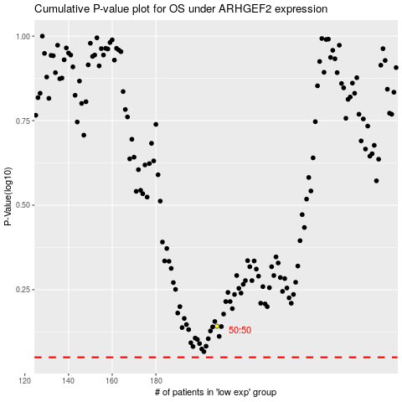

 |  |  |  |  |  | cases_OS | p_OS | rank | exp
 |  |  |  |  |  |  | cases_RFS | p_RFS | rank | exp

