ARHGEF35 _multivariate
Reported by Tex Li-Hsing Chi. tex@gate.sinica.edu.tw 2019-08-21

Table 2. The clinicopathological features of HNSCC cohort and ARHGEF35 expression. (Chi square test)
Cutoff at -0.158 (50.0%)
 |  | ARHGEF35 expression |  | ARHGEF35 expression |  | (Optimised)
 | Features | Low | (%) | High | (%) | Case no | P-value | Remark | Matthews
Gender | Female | 159 | 38.3 | 147 | 35.4 | 415 | 0.1905 | 0 | 0
2 | Male | 48 | 11.6 | 61 | 14.7
Age at diagnosis | <=65y | 150 | 36.1 | 124 | 29.9 | 415 | 0.0078 | 1 | 0
4 | >65y | 57 | 13.7 | 84 | 20.2
Clinical T Status | T1+T2 | 81 | 19.5 | 68 | 16.4 | 415 | 0.206 | 0 | 0
6 | T3+T4 | 126 | 30.4 | 140 | 33.7
Clinical N Status | N0 | 101 | 24.3 | 115 | 27.7 | 415 | 0.2201 | 0 | 0
8 | N1-3 | 106 | 25.5 | 93 | 22.4
Clinical M Status | M0 | 206 | 49.6 | 206 | 49.6 | 415 | 1 | 0 | 0
10 | M1 | 1 | 0.2 | 2 | 0.5
Clinical Stage | Stage I+II | 50 | 12 | 52 | 12.5 | 415 | 0.9315 | 0 | 0
12 | Stage III+IV | 157 | 37.8 | 156 | 37.6
Surgical Margin status | Negative | 154 | 37.1 | 164 | 39.5 | 415 | 0.2984 | 0 | 0
14 | Positive | 53 | 12.8 | 44 | 10.6
Tobacco Exposure | Low | 77 | 18.6 | 84 | 20.2 | 415 | 0.5459 | 0 | 0
16 | High | 130 | 31.3 | 124 | 29.9

Table 3. Univariate/Multivariate Cox's proportional hazards regression analyses on OS time of ARHGEF35 gene expression in HNSCC

 |  | Univariate |  |  |  | Multivariate
 | Features | HR | CI95%(L) | CI95%(H) | P-value | HR | CI95%(L) | CI95%(H) | P-value
1 | Female | 1 |  |  |  | 1
Gender | Male | 1.157 | 0.843 | 1.587 | 0.367 | 1.201 | 0.86 | 1.678 | 0.283
11 | <=65y | 1 |  |  |  | 1
Age at diagnosis | >65y | 1.329 | 0.99 | 1.784 | 0.058 | 1.389 | 1.02 | 1.891 | 0.037
12 | T1+T2 | 1 |  |  |  | 1
Clinical T Status | T3+T4 | 1.409 | 1.028 | 1.931 | 0.033 | 2.199 | 1.163 | 4.16 | 0.015
13 | N0 | 1 |  |  |  | 1
Clinical N Status | N1-3 | 1.185 | 0.89 | 1.577 | 0.246 | 1.242 | 0.87 | 1.773 | 0.232
14 | M0 | 1 |  |  |  | 1
Clinical M Status | M1 | 4.097 | 1.009 | 16.644 | 0.049 | 9.376 | 2.044 | 43.011 | 0.004
15 | Stage I+II | 1 |  |  |  | 1
Clinical Stage | Stage III+IV | 1.245 | 0.882 | 1.759 | 0.213 | 0.505 | 0.235 | 1.084 | 0.08
16 | Negative | 1 |  |  |  | 1
Surgical Margin status | Positive | 1.591 | 1.155 | 2.191 | 0.004 | 1.677 | 1.21 | 2.324 | 0.002
17 | Low | 1 |  |  |  | 1
Tobacco Exposure | High | 1.364 | 1.008 | 1.844 | 0.044 | 1.454 | 1.055 | 2.003 | 0.022
18 | Low | 1 |  |  |  | 1
RNAseq(z-score) | High | 1.021 | 0.766 | 1.362 | 0.886 | 1.02 | 0.76 | 1.369 | 0.895

Table 4. Univariate/Multivariate Cox's proportional hazards regression analyses on RFS time of ARHGEF35 gene expression in HNSCC

 |  | Univariate |  |  |  | Multivariate
 | Features | HR | CI95%(L) | CI95%(H) | P-value | HR | CI95%(L) | CI95%(H) | P-value
1 | Female | 1 |  |  |  | 1
Gender | Male | 1.157 | 0.843 | 1.587 | 0.367 | 1.201 | 0.86 | 1.678 | 0.283
11 | <=65y | 1 |  |  |  | 1
Age at diagnosis | >65y | 1.329 | 0.99 | 1.784 | 0.058 | 1.389 | 1.02 | 1.891 | 0.037
12 | T1+T2 | 1 |  |  |  | 1
Clinical T Status | T3+T4 | 1.409 | 1.028 | 1.931 | 0.033 | 2.199 | 1.163 | 4.16 | 0.015
13 | N0 | 1 |  |  |  | 1
Clinical N Status | N1-3 | 1.185 | 0.89 | 1.577 | 0.246 | 1.242 | 0.87 | 1.773 | 0.232
14 | M0 | 1 |  |  |  | 1
Clinical M Status | M1 | 4.097 | 1.009 | 16.644 | 0.049 | 9.376 | 2.044 | 43.011 | 0.004
15 | Stage I+II | 1 |  |  |  | 1
Clinical Stage | Stage III+IV | 1.245 | 0.882 | 1.759 | 0.213 | 0.505 | 0.235 | 1.084 | 0.08
16 | Negative | 1 |  |  |  | 1
Surgical Margin status | Positive | 1.591 | 1.155 | 2.191 | 0.004 | 1.677 | 1.21 | 2.324 | 0.002
17 | Low | 1 |  |  |  | 1
Tobacco Exposure | High | 1.364 | 1.008 | 1.844 | 0.044 | 1.454 | 1.055 | 2.003 | 0.022
18 | Low | 1 |  |  |  | 1
RNAseq(z-score) | High | 1.021 | 0.766 | 1.362 | 0.886 | 1.02 | 0.76 | 1.369 | 0.895

Kaplan-Meier survival estimate: Cutoff at -0.158 (50.0%)



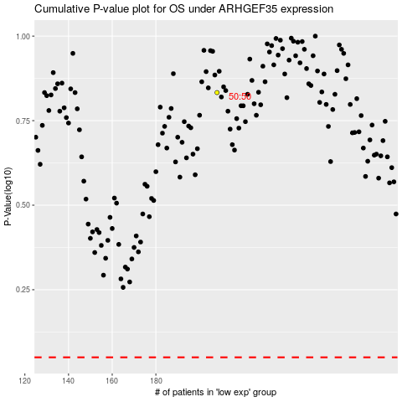

 |  |  |  |  |  | cases_OS | p_OS | rank | exp
 |  |  |  |  |  |  | cases_RFS | p_RFS | rank | exp

