ARHGEF37 _multivariate
Reported by Tex Li-Hsing Chi. tex@gate.sinica.edu.tw 2019-08-21

Table 2. The clinicopathological features of HNSCC cohort and ARHGEF37 expression. (Chi square test)
Cutoff at -0.229 (50.0%)
 |  | ARHGEF37 expression |  | ARHGEF37 expression |  | (Optimised)
 | Features | Low | (%) | High | (%) | Case no | P-value | Remark | Matthews
Gender | Female | 161 | 38.8 | 145 | 34.9 | 415 | 0.0792 | 0 | 0
2 | Male | 46 | 11.1 | 63 | 15.2
Age at diagnosis | <=65y | 139 | 33.5 | 135 | 32.5 | 415 | 0.7044 | 0 | 0
4 | >65y | 68 | 16.4 | 73 | 17.6
Clinical T Status | T1+T2 | 71 | 17.1 | 78 | 18.8 | 415 | 0.5638 | 0 | 0
6 | T3+T4 | 136 | 32.8 | 130 | 31.3
Clinical N Status | N0 | 95 | 22.9 | 121 | 29.2 | 415 | 0.0162 | 1 | 0
8 | N1-3 | 112 | 27 | 87 | 21
Clinical M Status | M0 | 206 | 49.6 | 206 | 49.6 | 415 | 1 | 0 | 0
10 | M1 | 1 | 0.2 | 2 | 0.5
Clinical Stage | Stage I+II | 45 | 10.8 | 57 | 13.7 | 415 | 0.2202 | 0 | 0
12 | Stage III+IV | 162 | 39 | 151 | 36.4
Surgical Margin status | Negative | 157 | 37.8 | 161 | 38.8 | 415 | 0.729 | 0 | 0
14 | Positive | 50 | 12 | 47 | 11.3
Tobacco Exposure | Low | 65 | 15.7 | 96 | 23.1 | 415 | 0.0025 | 1 | 0
16 | High | 142 | 34.2 | 112 | 27

Table 3. Univariate/Multivariate Cox's proportional hazards regression analyses on OS time of ARHGEF37 gene expression in HNSCC

 |  | Univariate |  |  |  | Multivariate
 | Features | HR | CI95%(L) | CI95%(H) | P-value | HR | CI95%(L) | CI95%(H) | P-value
1 | Female | 1 |  |  |  | 1
Gender | Male | 1.157 | 0.843 | 1.587 | 0.367 | 1.217 | 0.87 | 1.701 | 0.252
11 | <=65y | 1 |  |  |  | 1
Age at diagnosis | >65y | 1.329 | 0.99 | 1.784 | 0.058 | 1.392 | 1.024 | 1.892 | 0.035
12 | T1+T2 | 1 |  |  |  | 1
Clinical T Status | T3+T4 | 1.409 | 1.028 | 1.931 | 0.033 | 2.187 | 1.157 | 4.137 | 0.016
13 | N0 | 1 |  |  |  | 1
Clinical N Status | N1-3 | 1.185 | 0.89 | 1.577 | 0.246 | 1.197 | 0.835 | 1.717 | 0.328
14 | M0 | 1 |  |  |  | 1
Clinical M Status | M1 | 4.097 | 1.009 | 16.644 | 0.049 | 10.075 | 2.188 | 46.386 | 0.003
15 | Stage I+II | 1 |  |  |  | 1
Clinical Stage | Stage III+IV | 1.245 | 0.882 | 1.759 | 0.213 | 0.51 | 0.238 | 1.095 | 0.084
16 | Negative | 1 |  |  |  | 1
Surgical Margin status | Positive | 1.591 | 1.155 | 2.191 | 0.004 | 1.692 | 1.223 | 2.341 | 0.001
17 | Low | 1 |  |  |  | 1
Tobacco Exposure | High | 1.364 | 1.008 | 1.844 | 0.044 | 1.433 | 1.04 | 1.976 | 0.028
18 | Low | 1 |  |  |  | 1
RNAseq(z-score) | High | 0.842 | 0.631 | 1.122 | 0.241 | 0.838 | 0.623 | 1.127 | 0.241

Table 4. Univariate/Multivariate Cox's proportional hazards regression analyses on RFS time of ARHGEF37 gene expression in HNSCC

 |  | Univariate |  |  |  | Multivariate
 | Features | HR | CI95%(L) | CI95%(H) | P-value | HR | CI95%(L) | CI95%(H) | P-value
1 | Female | 1 |  |  |  | 1
Gender | Male | 1.157 | 0.843 | 1.587 | 0.367 | 1.217 | 0.87 | 1.701 | 0.252
11 | <=65y | 1 |  |  |  | 1
Age at diagnosis | >65y | 1.329 | 0.99 | 1.784 | 0.058 | 1.392 | 1.024 | 1.892 | 0.035
12 | T1+T2 | 1 |  |  |  | 1
Clinical T Status | T3+T4 | 1.409 | 1.028 | 1.931 | 0.033 | 2.187 | 1.157 | 4.137 | 0.016
13 | N0 | 1 |  |  |  | 1
Clinical N Status | N1-3 | 1.185 | 0.89 | 1.577 | 0.246 | 1.197 | 0.835 | 1.717 | 0.328
14 | M0 | 1 |  |  |  | 1
Clinical M Status | M1 | 4.097 | 1.009 | 16.644 | 0.049 | 10.075 | 2.188 | 46.386 | 0.003
15 | Stage I+II | 1 |  |  |  | 1
Clinical Stage | Stage III+IV | 1.245 | 0.882 | 1.759 | 0.213 | 0.51 | 0.238 | 1.095 | 0.084
16 | Negative | 1 |  |  |  | 1
Surgical Margin status | Positive | 1.591 | 1.155 | 2.191 | 0.004 | 1.692 | 1.223 | 2.341 | 0.001
17 | Low | 1 |  |  |  | 1
Tobacco Exposure | High | 1.364 | 1.008 | 1.844 | 0.044 | 1.433 | 1.04 | 1.976 | 0.028
18 | Low | 1 |  |  |  | 1
RNAseq(z-score) | High | 0.842 | 0.631 | 1.122 | 0.241 | 0.838 | 0.623 | 1.127 | 0.241

Kaplan-Meier survival estimate: Cutoff at -0.229 (50.0%)



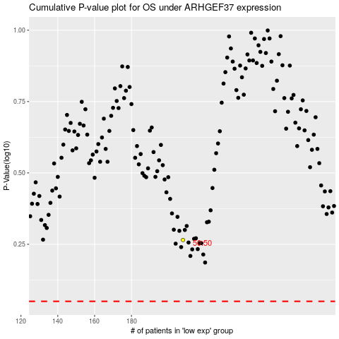

 |  |  |  |  |  | cases_OS | p_OS | rank | exp
 |  |  |  |  |  |  | cases_RFS | p_RFS | rank | exp

