ARHGEF4 _multivariate
Reported by Tex Li-Hsing Chi. tex@gate.sinica.edu.tw 2019-08-21

Table 2. The clinicopathological features of HNSCC cohort and ARHGEF4 expression. (Chi square test)
Cutoff at -0.073 (50.0%)
 |  | ARHGEF4 expression |  | ARHGEF4 expression |  | (Optimised)
 | Features | Low | (%) | High | (%) | Case no | P-value | Remark | Matthews
Gender | Female | 156 | 37.6 | 150 | 36.1 | 415 | 0.5222 | 0 | 0
2 | Male | 51 | 12.3 | 58 | 14
Age at diagnosis | <=65y | 133 | 32 | 141 | 34 | 415 | 0.5111 | 0 | 0
4 | >65y | 74 | 17.8 | 67 | 16.1
Clinical T Status | T1+T2 | 84 | 20.2 | 65 | 15.7 | 415 | 0.0603 | 0 | 0
6 | T3+T4 | 123 | 29.6 | 143 | 34.5
Clinical N Status | N0 | 97 | 23.4 | 119 | 28.7 | 415 | 0.0442 | 1 | 0
8 | N1-3 | 110 | 26.5 | 89 | 21.4
Clinical M Status | M0 | 207 | 49.9 | 205 | 49.4 | 415 | 0.2482 | 0 | 0
10 | M1 | 0 | 0 | 3 | 0.7
Clinical Stage | Stage I+II | 54 | 13 | 48 | 11.6 | 415 | 0.5498 | 0 | 0
12 | Stage III+IV | 153 | 36.9 | 160 | 38.6
Surgical Margin status | Negative | 157 | 37.8 | 161 | 38.8 | 415 | 0.729 | 0 | 0
14 | Positive | 50 | 12 | 47 | 11.3
Tobacco Exposure | Low | 74 | 17.8 | 87 | 21 | 415 | 0.227 | 0 | 0
16 | High | 133 | 32 | 121 | 29.2

Table 3. Univariate/Multivariate Cox's proportional hazards regression analyses on OS time of ARHGEF4 gene expression in HNSCC

 |  | Univariate |  |  |  | Multivariate
 | Features | HR | CI95%(L) | CI95%(H) | P-value | HR | CI95%(L) | CI95%(H) | P-value
1 | Female | 1 |  |  |  | 1
Gender | Male | 1.157 | 0.843 | 1.587 | 0.367 | 1.214 | 0.87 | 1.696 | 0.254
11 | <=65y | 1 |  |  |  | 1
Age at diagnosis | >65y | 1.329 | 0.99 | 1.784 | 0.058 | 1.373 | 1.01 | 1.867 | 0.043
12 | T1+T2 | 1 |  |  |  | 1
Clinical T Status | T3+T4 | 1.409 | 1.028 | 1.931 | 0.033 | 2.34 | 1.233 | 4.439 | 0.009
13 | N0 | 1 |  |  |  | 1
Clinical N Status | N1-3 | 1.185 | 0.89 | 1.577 | 0.246 | 1.203 | 0.842 | 1.718 | 0.311
14 | M0 | 1 |  |  |  | 1
Clinical M Status | M1 | 4.097 | 1.009 | 16.644 | 0.049 | 11.485 | 2.464 | 53.541 | 0.002
15 | Stage I+II | 1 |  |  |  | 1
Clinical Stage | Stage III+IV | 1.245 | 0.882 | 1.759 | 0.213 | 0.507 | 0.236 | 1.089 | 0.082
16 | Negative | 1 |  |  |  | 1
Surgical Margin status | Positive | 1.591 | 1.155 | 2.191 | 0.004 | 1.672 | 1.211 | 2.31 | 0.002
17 | Low | 1 |  |  |  | 1
Tobacco Exposure | High | 1.364 | 1.008 | 1.844 | 0.044 | 1.429 | 1.038 | 1.968 | 0.028
18 | Low | 1 |  |  |  | 1
RNAseq(z-score) | High | 0.814 | 0.61 | 1.085 | 0.16 | 0.764 | 0.568 | 1.028 | 0.075

Table 4. Univariate/Multivariate Cox's proportional hazards regression analyses on RFS time of ARHGEF4 gene expression in HNSCC

 |  | Univariate |  |  |  | Multivariate
 | Features | HR | CI95%(L) | CI95%(H) | P-value | HR | CI95%(L) | CI95%(H) | P-value
1 | Female | 1 |  |  |  | 1
Gender | Male | 1.157 | 0.843 | 1.587 | 0.367 | 1.214 | 0.87 | 1.696 | 0.254
11 | <=65y | 1 |  |  |  | 1
Age at diagnosis | >65y | 1.329 | 0.99 | 1.784 | 0.058 | 1.373 | 1.01 | 1.867 | 0.043
12 | T1+T2 | 1 |  |  |  | 1
Clinical T Status | T3+T4 | 1.409 | 1.028 | 1.931 | 0.033 | 2.34 | 1.233 | 4.439 | 0.009
13 | N0 | 1 |  |  |  | 1
Clinical N Status | N1-3 | 1.185 | 0.89 | 1.577 | 0.246 | 1.203 | 0.842 | 1.718 | 0.311
14 | M0 | 1 |  |  |  | 1
Clinical M Status | M1 | 4.097 | 1.009 | 16.644 | 0.049 | 11.485 | 2.464 | 53.541 | 0.002
15 | Stage I+II | 1 |  |  |  | 1
Clinical Stage | Stage III+IV | 1.245 | 0.882 | 1.759 | 0.213 | 0.507 | 0.236 | 1.089 | 0.082
16 | Negative | 1 |  |  |  | 1
Surgical Margin status | Positive | 1.591 | 1.155 | 2.191 | 0.004 | 1.672 | 1.211 | 2.31 | 0.002
17 | Low | 1 |  |  |  | 1
Tobacco Exposure | High | 1.364 | 1.008 | 1.844 | 0.044 | 1.429 | 1.038 | 1.968 | 0.028
18 | Low | 1 |  |  |  | 1
RNAseq(z-score) | High | 0.814 | 0.61 | 1.085 | 0.16 | 0.764 | 0.568 | 1.028 | 0.075

Kaplan-Meier survival estimate: Cutoff at -0.073 (50.0%)



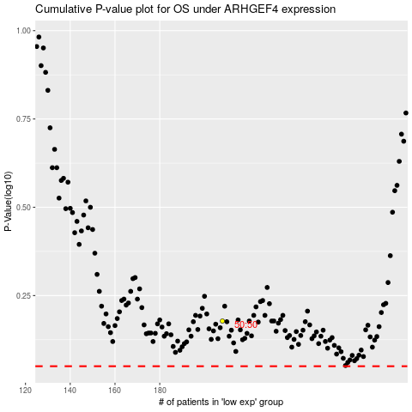

 |  |  |  |  |  | cases_OS | p_OS | rank | exp
 |  |  |  |  |  |  | cases_RFS | p_RFS | rank | exp

