ARHGEF7 _multivariate
Reported by Tex Li-Hsing Chi. tex@gate.sinica.edu.tw 2019-08-21

Table 2. The clinicopathological features of HNSCC cohort and ARHGEF7 expression. (Chi square test)
Cutoff at -0.155 (49.8%)
 |  | ARHGEF7 expression |  | ARHGEF7 expression |  | (Optimised)
 | Features | Low | (%) | High | (%) | Case no | P-value | Remark | Matthews
Gender | Female | 143 | 34.5 | 163 | 39.3 | 415 | 0.0416 | 1 | 0
2 | Male | 64 | 15.4 | 45 | 10.8
Age at diagnosis | <=65y | 129 | 31.1 | 145 | 34.9 | 415 | 0.1372 | 0 | 0
4 | >65y | 78 | 18.8 | 63 | 15.2
Clinical T Status | T1+T2 | 80 | 19.3 | 69 | 16.6 | 415 | 0.2891 | 0 | 0
6 | T3+T4 | 127 | 30.6 | 139 | 33.5
Clinical N Status | N0 | 107 | 25.8 | 109 | 26.3 | 415 | 0.9624 | 0 | 0
8 | N1-3 | 100 | 24.1 | 99 | 23.9
Clinical M Status | M0 | 205 | 49.4 | 207 | 49.9 | 415 | 0.6232 | 0 | 0
10 | M1 | 2 | 0.5 | 1 | 0.2
Clinical Stage | Stage I+II | 53 | 12.8 | 49 | 11.8 | 415 | 0.7113 | 0 | 0
12 | Stage III+IV | 154 | 37.1 | 159 | 38.3
Surgical Margin status | Negative | 161 | 38.8 | 157 | 37.8 | 415 | 0.6429 | 0 | 0
14 | Positive | 46 | 11.1 | 51 | 12.3
Tobacco Exposure | Low | 82 | 19.8 | 79 | 19 | 415 | 0.763 | 0 | 0
16 | High | 125 | 30.1 | 129 | 31.1

Table 3. Univariate/Multivariate Cox's proportional hazards regression analyses on OS time of ARHGEF7 gene expression in HNSCC

 |  | Univariate |  |  |  | Multivariate
 | Features | HR | CI95%(L) | CI95%(H) | P-value | HR | CI95%(L) | CI95%(H) | P-value
1 | Female | 1 |  |  |  | 1
Gender | Male | 1.157 | 0.843 | 1.587 | 0.367 | 1.278 | 0.911 | 1.794 | 0.156
11 | <=65y | 1 |  |  |  | 1
Age at diagnosis | >65y | 1.329 | 0.99 | 1.784 | 0.058 | 1.44 | 1.057 | 1.961 | 0.021
12 | T1+T2 | 1 |  |  |  | 1
Clinical T Status | T3+T4 | 1.409 | 1.028 | 1.931 | 0.033 | 2.192 | 1.159 | 4.148 | 0.016
13 | N0 | 1 |  |  |  | 1
Clinical N Status | N1-3 | 1.185 | 0.89 | 1.577 | 0.246 | 1.278 | 0.895 | 1.826 | 0.177
14 | M0 | 1 |  |  |  | 1
Clinical M Status | M1 | 4.097 | 1.009 | 16.644 | 0.049 | 10.502 | 2.282 | 48.326 | 0.003
15 | Stage I+II | 1 |  |  |  | 1
Clinical Stage | Stage III+IV | 1.245 | 0.882 | 1.759 | 0.213 | 0.487 | 0.227 | 1.047 | 0.065
16 | Negative | 1 |  |  |  | 1
Surgical Margin status | Positive | 1.591 | 1.155 | 2.191 | 0.004 | 1.706 | 1.233 | 2.361 | 0.001
17 | Low | 1 |  |  |  | 1
Tobacco Exposure | High | 1.364 | 1.008 | 1.844 | 0.044 | 1.475 | 1.07 | 2.034 | 0.018
18 | Low | 1 |  |  |  | 1
RNAseq(z-score) | High | 1.229 | 0.922 | 1.638 | 0.159 | 1.382 | 1.027 | 1.859 | 0.033

Table 4. Univariate/Multivariate Cox's proportional hazards regression analyses on RFS time of ARHGEF7 gene expression in HNSCC

 |  | Univariate |  |  |  | Multivariate
 | Features | HR | CI95%(L) | CI95%(H) | P-value | HR | CI95%(L) | CI95%(H) | P-value
1 | Female | 1 |  |  |  | 1
Gender | Male | 1.157 | 0.843 | 1.587 | 0.367 | 1.278 | 0.911 | 1.794 | 0.156
11 | <=65y | 1 |  |  |  | 1
Age at diagnosis | >65y | 1.329 | 0.99 | 1.784 | 0.058 | 1.44 | 1.057 | 1.961 | 0.021
12 | T1+T2 | 1 |  |  |  | 1
Clinical T Status | T3+T4 | 1.409 | 1.028 | 1.931 | 0.033 | 2.192 | 1.159 | 4.148 | 0.016
13 | N0 | 1 |  |  |  | 1
Clinical N Status | N1-3 | 1.185 | 0.89 | 1.577 | 0.246 | 1.278 | 0.895 | 1.826 | 0.177
14 | M0 | 1 |  |  |  | 1
Clinical M Status | M1 | 4.097 | 1.009 | 16.644 | 0.049 | 10.502 | 2.282 | 48.326 | 0.003
15 | Stage I+II | 1 |  |  |  | 1
Clinical Stage | Stage III+IV | 1.245 | 0.882 | 1.759 | 0.213 | 0.487 | 0.227 | 1.047 | 0.065
16 | Negative | 1 |  |  |  | 1
Surgical Margin status | Positive | 1.591 | 1.155 | 2.191 | 0.004 | 1.706 | 1.233 | 2.361 | 0.001
17 | Low | 1 |  |  |  | 1
Tobacco Exposure | High | 1.364 | 1.008 | 1.844 | 0.044 | 1.475 | 1.07 | 2.034 | 0.018
18 | Low | 1 |  |  |  | 1
RNAseq(z-score) | High | 1.229 | 0.922 | 1.638 | 0.159 | 1.382 | 1.027 | 1.859 | 0.033

Kaplan-Meier survival estimate: Cutoff at -0.155 (49.8%)



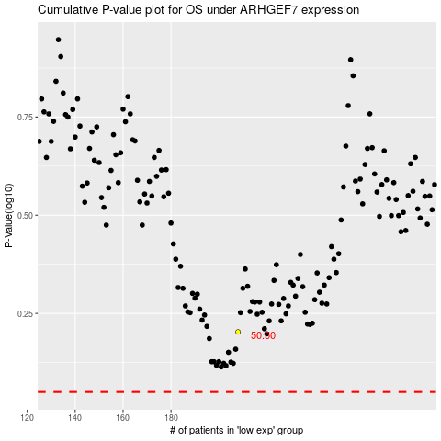

 |  |  |  |  |  | cases_OS | p_OS | rank | exp
 |  |  |  |  |  |  | cases_RFS | p_RFS | rank | exp

