ARID1A _multivariate
Reported by Tex Li-Hsing Chi. tex@gate.sinica.edu.tw 2019-08-21

Table 2. The clinicopathological features of HNSCC cohort and ARID1A expression. (Chi square test)
Cutoff at -0.158 (44.4%)
 |  | ARID1A expression |  | ARID1A expression |  | (Optimised)
 | Features | Low | (%) | High | (%) | Case no | P-value | Remark | Matthews
Gender | Female | 137 | 33 | 169 | 40.7 | 415 | 0.9838 | 0 | 0
2 | Male | 48 | 11.6 | 61 | 14.7
Age at diagnosis | <=65y | 116 | 28 | 158 | 38.1 | 415 | 0.2392 | 0 | 0
4 | >65y | 69 | 16.6 | 72 | 17.3
Clinical T Status | T1+T2 | 67 | 16.1 | 82 | 19.8 | 415 | 0.9871 | 0 | 0
6 | T3+T4 | 118 | 28.4 | 148 | 35.7
Clinical N Status | N0 | 103 | 24.8 | 113 | 27.2 | 415 | 0.2195 | 0 | 0
8 | N1-3 | 82 | 19.8 | 117 | 28.2
Clinical M Status | M0 | 182 | 43.9 | 230 | 55.4 | 415 | 0.0878 | 0 | 0
10 | M1 | 3 | 0.7 | 0 | 0
Clinical Stage | Stage I+II | 45 | 10.8 | 57 | 13.7 | 415 | 1 | 0 | 0
12 | Stage III+IV | 140 | 33.7 | 173 | 41.7
Surgical Margin status | Negative | 134 | 32.3 | 184 | 44.3 | 415 | 0.0802 | 0 | 0
14 | Positive | 51 | 12.3 | 46 | 11.1
Tobacco Exposure | Low | 70 | 16.9 | 91 | 21.9 | 415 | 0.7615 | 0 | 0
16 | High | 115 | 27.7 | 139 | 33.5

Table 3. Univariate/Multivariate Cox's proportional hazards regression analyses on OS time of ARID1A gene expression in HNSCC

 |  | Univariate |  |  |  | Multivariate
 | Features | HR | CI95%(L) | CI95%(H) | P-value | HR | CI95%(L) | CI95%(H) | P-value
1 | Female | 1 |  |  |  | 1
Gender | Male | 1.157 | 0.843 | 1.587 | 0.367 | 1.188 | 0.85 | 1.661 | 0.313
11 | <=65y | 1 |  |  |  | 1
Age at diagnosis | >65y | 1.329 | 0.99 | 1.784 | 0.058 | 1.371 | 1.009 | 1.862 | 0.044
12 | T1+T2 | 1 |  |  |  | 1
Clinical T Status | T3+T4 | 1.409 | 1.028 | 1.931 | 0.033 | 2.186 | 1.156 | 4.132 | 0.016
13 | N0 | 1 |  |  |  | 1
Clinical N Status | N1-3 | 1.185 | 0.89 | 1.577 | 0.246 | 1.26 | 0.883 | 1.798 | 0.203
14 | M0 | 1 |  |  |  | 1
Clinical M Status | M1 | 4.097 | 1.009 | 16.644 | 0.049 | 8.259 | 1.782 | 38.267 | 0.007
15 | Stage I+II | 1 |  |  |  | 1
Clinical Stage | Stage III+IV | 1.245 | 0.882 | 1.759 | 0.213 | 0.506 | 0.236 | 1.086 | 0.08
16 | Negative | 1 |  |  |  | 1
Surgical Margin status | Positive | 1.591 | 1.155 | 2.191 | 0.004 | 1.621 | 1.17 | 2.246 | 0.004
17 | Low | 1 |  |  |  | 1
Tobacco Exposure | High | 1.364 | 1.008 | 1.844 | 0.044 | 1.43 | 1.037 | 1.971 | 0.029
18 | Low | 1 |  |  |  | 1
RNAseq(z-score) | High | 0.738 | 0.554 | 0.984 | 0.038 | 0.818 | 0.609 | 1.097 | 0.18

Table 4. Univariate/Multivariate Cox's proportional hazards regression analyses on RFS time of ARID1A gene expression in HNSCC

 |  | Univariate |  |  |  | Multivariate
 | Features | HR | CI95%(L) | CI95%(H) | P-value | HR | CI95%(L) | CI95%(H) | P-value
1 | Female | 1 |  |  |  | 1
Gender | Male | 1.157 | 0.843 | 1.587 | 0.367 | 1.188 | 0.85 | 1.661 | 0.313
11 | <=65y | 1 |  |  |  | 1
Age at diagnosis | >65y | 1.329 | 0.99 | 1.784 | 0.058 | 1.371 | 1.009 | 1.862 | 0.044
12 | T1+T2 | 1 |  |  |  | 1
Clinical T Status | T3+T4 | 1.409 | 1.028 | 1.931 | 0.033 | 2.186 | 1.156 | 4.132 | 0.016
13 | N0 | 1 |  |  |  | 1
Clinical N Status | N1-3 | 1.185 | 0.89 | 1.577 | 0.246 | 1.26 | 0.883 | 1.798 | 0.203
14 | M0 | 1 |  |  |  | 1
Clinical M Status | M1 | 4.097 | 1.009 | 16.644 | 0.049 | 8.259 | 1.782 | 38.267 | 0.007
15 | Stage I+II | 1 |  |  |  | 1
Clinical Stage | Stage III+IV | 1.245 | 0.882 | 1.759 | 0.213 | 0.506 | 0.236 | 1.086 | 0.08
16 | Negative | 1 |  |  |  | 1
Surgical Margin status | Positive | 1.591 | 1.155 | 2.191 | 0.004 | 1.621 | 1.17 | 2.246 | 0.004
17 | Low | 1 |  |  |  | 1
Tobacco Exposure | High | 1.364 | 1.008 | 1.844 | 0.044 | 1.43 | 1.037 | 1.971 | 0.029
18 | Low | 1 |  |  |  | 1
RNAseq(z-score) | High | 0.738 | 0.554 | 0.984 | 0.038 | 0.818 | 0.609 | 1.097 | 0.18

Kaplan-Meier survival estimate: Cutoff at -0.158 (44.4%)



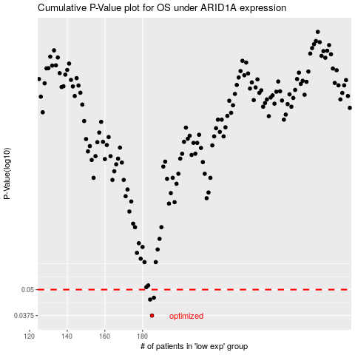

 |  |  |  |  |  | cases_OS | p_OS | rank | exp
 |  |  |  |  |  | 185 | 0.0375 | 31 | -0.1579228807
 |  |  |  |  |  | 184 | 0.0448 | 267 | -0.15975215061
 |  |  |  |  |  | 186 | 0.0457 | 232 | -0.14889847554
 |  |  |  |  |  |  | cases_RFS | p_RFS | rank | exp
 |  |  |  |  |  |  | 184 | 0.0375 | 267 | -0.15975215061
 |  |  |  |  |  |  | 183 | 0.0448 | 48 | -0.16293089043
 |  |  |  |  |  |  | 185 | 0.0457 | 31 | -0.1579228807

