ARID3A _multivariate
Reported by Tex Li-Hsing Chi. tex@gate.sinica.edu.tw 2019-08-21

Table 2. The clinicopathological features of HNSCC cohort and ARID3A expression. (Chi square test)
Cutoff at 0.286 (69.8%)
 |  | ARID3A expression |  | ARID3A expression |  | (Optimised)
 | Features | Low | (%) | High | (%) | Case no | P-value | Remark | Matthews
Gender | Female | 202 | 48.7 | 104 | 25.1 | 415 | 0.0059 | 1 | 0
2 | Male | 88 | 21.2 | 21 | 5.1
Age at diagnosis | <=65y | 186 | 44.8 | 88 | 21.2 | 415 | 0.2615 | 0 | 0
4 | >65y | 104 | 25.1 | 37 | 8.9
Clinical T Status | T1+T2 | 105 | 25.3 | 44 | 10.6 | 415 | 0.9325 | 0 | 0
6 | T3+T4 | 185 | 44.6 | 81 | 19.5
Clinical N Status | N0 | 143 | 34.5 | 73 | 17.6 | 415 | 0.1111 | 0 | 0
8 | N1-3 | 147 | 35.4 | 52 | 12.5
Clinical M Status | M0 | 287 | 69.2 | 125 | 30.1 | 415 | 0.5571 | 0 | 0
10 | M1 | 3 | 0.7 | 0 | 0
Clinical Stage | Stage I+II | 70 | 16.9 | 32 | 7.7 | 415 | 0.8469 | 0 | 0
12 | Stage III+IV | 220 | 53 | 93 | 22.4
Surgical Margin status | Negative | 218 | 52.5 | 100 | 24.1 | 415 | 0.3137 | 0 | 0
14 | Positive | 72 | 17.3 | 25 | 6
Tobacco Exposure | Low | 117 | 28.2 | 44 | 10.6 | 415 | 0.3798 | 0 | 0
16 | High | 173 | 41.7 | 81 | 19.5

Table 3. Univariate/Multivariate Cox's proportional hazards regression analyses on OS time of ARID3A gene expression in HNSCC

 |  | Univariate |  |  |  | Multivariate
 | Features | HR | CI95%(L) | CI95%(H) | P-value | HR | CI95%(L) | CI95%(H) | P-value
1 | Female | 1 |  |  |  | 1
Gender | Male | 1.157 | 0.843 | 1.587 | 0.367 | 1.143 | 0.813 | 1.606 | 0.443
11 | <=65y | 1 |  |  |  | 1
Age at diagnosis | >65y | 1.329 | 0.99 | 1.784 | 0.058 | 1.385 | 1.017 | 1.885 | 0.039
12 | T1+T2 | 1 |  |  |  | 1
Clinical T Status | T3+T4 | 1.409 | 1.028 | 1.931 | 0.033 | 2.192 | 1.158 | 4.152 | 0.016
13 | N0 | 1 |  |  |  | 1
Clinical N Status | N1-3 | 1.185 | 0.89 | 1.577 | 0.246 | 1.197 | 0.836 | 1.713 | 0.326
14 | M0 | 1 |  |  |  | 1
Clinical M Status | M1 | 4.097 | 1.009 | 16.644 | 0.049 | 8.684 | 1.888 | 39.935 | 0.005
15 | Stage I+II | 1 |  |  |  | 1
Clinical Stage | Stage III+IV | 1.245 | 0.882 | 1.759 | 0.213 | 0.521 | 0.242 | 1.121 | 0.096
16 | Negative | 1 |  |  |  | 1
Surgical Margin status | Positive | 1.591 | 1.155 | 2.191 | 0.004 | 1.656 | 1.198 | 2.29 | 0.002
17 | Low | 1 |  |  |  | 1
Tobacco Exposure | High | 1.364 | 1.008 | 1.844 | 0.044 | 1.466 | 1.063 | 2.022 | 0.02
18 | Low | 1 |  |  |  | 1
RNAseq(z-score) | High | 0.717 | 0.518 | 0.993 | 0.045 | 0.771 | 0.551 | 1.079 | 0.129

Table 4. Univariate/Multivariate Cox's proportional hazards regression analyses on RFS time of ARID3A gene expression in HNSCC

 |  | Univariate |  |  |  | Multivariate
 | Features | HR | CI95%(L) | CI95%(H) | P-value | HR | CI95%(L) | CI95%(H) | P-value
1 | Female | 1 |  |  |  | 1
Gender | Male | 1.157 | 0.843 | 1.587 | 0.367 | 1.143 | 0.813 | 1.606 | 0.443
11 | <=65y | 1 |  |  |  | 1
Age at diagnosis | >65y | 1.329 | 0.99 | 1.784 | 0.058 | 1.385 | 1.017 | 1.885 | 0.039
12 | T1+T2 | 1 |  |  |  | 1
Clinical T Status | T3+T4 | 1.409 | 1.028 | 1.931 | 0.033 | 2.192 | 1.158 | 4.152 | 0.016
13 | N0 | 1 |  |  |  | 1
Clinical N Status | N1-3 | 1.185 | 0.89 | 1.577 | 0.246 | 1.197 | 0.836 | 1.713 | 0.326
14 | M0 | 1 |  |  |  | 1
Clinical M Status | M1 | 4.097 | 1.009 | 16.644 | 0.049 | 8.684 | 1.888 | 39.935 | 0.005
15 | Stage I+II | 1 |  |  |  | 1
Clinical Stage | Stage III+IV | 1.245 | 0.882 | 1.759 | 0.213 | 0.521 | 0.242 | 1.121 | 0.096
16 | Negative | 1 |  |  |  | 1
Surgical Margin status | Positive | 1.591 | 1.155 | 2.191 | 0.004 | 1.656 | 1.198 | 2.29 | 0.002
17 | Low | 1 |  |  |  | 1
Tobacco Exposure | High | 1.364 | 1.008 | 1.844 | 0.044 | 1.466 | 1.063 | 2.022 | 0.02
18 | Low | 1 |  |  |  | 1
RNAseq(z-score) | High | 0.717 | 0.518 | 0.993 | 0.045 | 0.771 | 0.551 | 1.079 | 0.129

Kaplan-Meier survival estimate: Cutoff at 0.286 (69.8%)



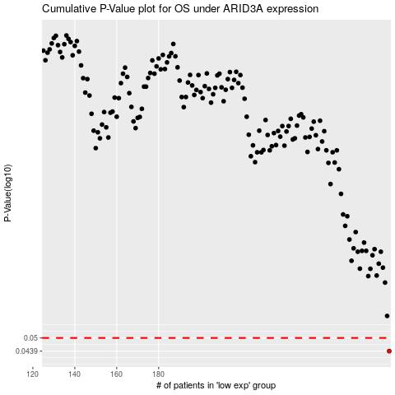

 |  |  |  |  |  | cases_OS | p_OS | rank | exp
 |  |  |  |  |  | 290 | 0.0439 | 181 | 0.28568175263
 |  |  |  |  |  |  | cases_RFS | p_RFS | rank | exp
 |  |  |  |  |  |  | 289 | 0.0439 | 394 | 0.28287925235

