ARID3B _multivariate
Reported by Tex Li-Hsing Chi. tex@gate.sinica.edu.tw 2019-08-21

Table 2. The clinicopathological features of HNSCC cohort and ARID3B expression. (Chi square test)
Cutoff at -0.202 (50.0%)
 |  | ARID3B expression |  | ARID3B expression |  | (Optimised)
 | Features | Low | (%) | High | (%) | Case no | P-value | Remark | Matthews
Gender | Female | 142 | 34.2 | 164 | 39.5 | 415 | 0.0238 | 1 | 0
2 | Male | 65 | 15.7 | 44 | 10.6
Age at diagnosis | <=65y | 140 | 33.7 | 134 | 32.3 | 415 | 0.5574 | 0 | 0
4 | >65y | 67 | 16.1 | 74 | 17.8
Clinical T Status | T1+T2 | 72 | 17.3 | 77 | 18.6 | 415 | 0.7095 | 0 | 0
6 | T3+T4 | 135 | 32.5 | 131 | 31.6
Clinical N Status | N0 | 117 | 28.2 | 99 | 23.9 | 415 | 0.0852 | 1 | 0
8 | N1-3 | 90 | 21.7 | 109 | 26.3
Clinical M Status | M0 | 206 | 49.6 | 206 | 49.6 | 415 | 1 | 0 | 0
10 | M1 | 1 | 0.2 | 2 | 0.5
Clinical Stage | Stage I+II | 53 | 12.8 | 49 | 11.8 | 415 | 0.7113 | 0 | 0
12 | Stage III+IV | 154 | 37.1 | 159 | 38.3
Surgical Margin status | Negative | 163 | 39.3 | 155 | 37.3 | 415 | 0.3537 | 0 | 0
14 | Positive | 44 | 10.6 | 53 | 12.8
Tobacco Exposure | Low | 85 | 20.5 | 76 | 18.3 | 415 | 0.3655 | 0 | 0
16 | High | 122 | 29.4 | 132 | 31.8

Table 3. Univariate/Multivariate Cox's proportional hazards regression analyses on OS time of ARID3B gene expression in HNSCC

 |  | Univariate |  |  |  | Multivariate
 | Features | HR | CI95%(L) | CI95%(H) | P-value | HR | CI95%(L) | CI95%(H) | P-value
1 | Female | 1 |  |  |  | 1
Gender | Male | 1.157 | 0.843 | 1.587 | 0.367 | 1.19 | 0.847 | 1.67 | 0.316
11 | <=65y | 1 |  |  |  | 1
Age at diagnosis | >65y | 1.329 | 0.99 | 1.784 | 0.058 | 1.398 | 1.028 | 1.902 | 0.033
12 | T1+T2 | 1 |  |  |  | 1
Clinical T Status | T3+T4 | 1.409 | 1.028 | 1.931 | 0.033 | 2.187 | 1.155 | 4.138 | 0.016
13 | N0 | 1 |  |  |  | 1
Clinical N Status | N1-3 | 1.185 | 0.89 | 1.577 | 0.246 | 1.241 | 0.87 | 1.77 | 0.234
14 | M0 | 1 |  |  |  | 1
Clinical M Status | M1 | 4.097 | 1.009 | 16.644 | 0.049 | 9.362 | 2.042 | 42.917 | 0.004
15 | Stage I+II | 1 |  |  |  | 1
Clinical Stage | Stage III+IV | 1.245 | 0.882 | 1.759 | 0.213 | 0.507 | 0.236 | 1.089 | 0.082
16 | Negative | 1 |  |  |  | 1
Surgical Margin status | Positive | 1.591 | 1.155 | 2.191 | 0.004 | 1.672 | 1.21 | 2.31 | 0.002
17 | Low | 1 |  |  |  | 1
Tobacco Exposure | High | 1.364 | 1.008 | 1.844 | 0.044 | 1.449 | 1.052 | 1.998 | 0.023
18 | Low | 1 |  |  |  | 1
RNAseq(z-score) | High | 0.917 | 0.688 | 1.222 | 0.555 | 0.948 | 0.707 | 1.272 | 0.722

Table 4. Univariate/Multivariate Cox's proportional hazards regression analyses on RFS time of ARID3B gene expression in HNSCC

 |  | Univariate |  |  |  | Multivariate
 | Features | HR | CI95%(L) | CI95%(H) | P-value | HR | CI95%(L) | CI95%(H) | P-value
1 | Female | 1 |  |  |  | 1
Gender | Male | 1.157 | 0.843 | 1.587 | 0.367 | 1.19 | 0.847 | 1.67 | 0.316
11 | <=65y | 1 |  |  |  | 1
Age at diagnosis | >65y | 1.329 | 0.99 | 1.784 | 0.058 | 1.398 | 1.028 | 1.902 | 0.033
12 | T1+T2 | 1 |  |  |  | 1
Clinical T Status | T3+T4 | 1.409 | 1.028 | 1.931 | 0.033 | 2.187 | 1.155 | 4.138 | 0.016
13 | N0 | 1 |  |  |  | 1
Clinical N Status | N1-3 | 1.185 | 0.89 | 1.577 | 0.246 | 1.241 | 0.87 | 1.77 | 0.234
14 | M0 | 1 |  |  |  | 1
Clinical M Status | M1 | 4.097 | 1.009 | 16.644 | 0.049 | 9.362 | 2.042 | 42.917 | 0.004
15 | Stage I+II | 1 |  |  |  | 1
Clinical Stage | Stage III+IV | 1.245 | 0.882 | 1.759 | 0.213 | 0.507 | 0.236 | 1.089 | 0.082
16 | Negative | 1 |  |  |  | 1
Surgical Margin status | Positive | 1.591 | 1.155 | 2.191 | 0.004 | 1.672 | 1.21 | 2.31 | 0.002
17 | Low | 1 |  |  |  | 1
Tobacco Exposure | High | 1.364 | 1.008 | 1.844 | 0.044 | 1.449 | 1.052 | 1.998 | 0.023
18 | Low | 1 |  |  |  | 1
RNAseq(z-score) | High | 0.917 | 0.688 | 1.222 | 0.555 | 0.948 | 0.707 | 1.272 | 0.722

Kaplan-Meier survival estimate: Cutoff at -0.202 (50.0%)



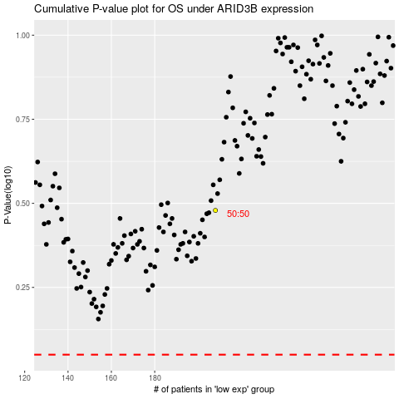

 |  |  |  |  |  | cases_OS | p_OS | rank | exp
 |  |  |  |  |  |  | cases_RFS | p_RFS | rank | exp

