ARID4A _multivariate
Reported by Tex Li-Hsing Chi. tex@gate.sinica.edu.tw 2019-08-21

Table 2. The clinicopathological features of HNSCC cohort and ARID4A expression. (Chi square test)
Cutoff at -0.508 (35.3%)
 |  | ARID4A expression |  | ARID4A expression |  | (Optimised)
 | Features | Low | (%) | High | (%) | Case no | P-value | Remark | Matthews
Gender | Female | 107 | 25.8 | 199 | 48 | 415 | 0.9715 | 0 | 0
2 | Male | 39 | 9.4 | 70 | 16.9
Age at diagnosis | <=65y | 93 | 22.4 | 181 | 43.6 | 415 | 0.5298 | 0 | 0
4 | >65y | 53 | 12.8 | 88 | 21.2
Clinical T Status | T1+T2 | 54 | 13 | 95 | 22.9 | 415 | 0.8169 | 0 | 0
6 | T3+T4 | 92 | 22.2 | 174 | 41.9
Clinical N Status | N0 | 78 | 18.8 | 138 | 33.3 | 415 | 0.7561 | 0 | 0
8 | N1-3 | 68 | 16.4 | 131 | 31.6
Clinical M Status | M0 | 143 | 34.5 | 269 | 64.8 | 415 | 0.043 | 1 | 0
10 | M1 | 3 | 0.7 | 0 | 0
Clinical Stage | Stage I+II | 40 | 9.6 | 62 | 14.9 | 415 | 0.388 | 0 | 0
12 | Stage III+IV | 106 | 25.5 | 207 | 49.9
Surgical Margin status | Negative | 112 | 27 | 206 | 49.6 | 415 | 1 | 0 | 0
14 | Positive | 34 | 8.2 | 63 | 15.2
Tobacco Exposure | Low | 60 | 14.5 | 101 | 24.3 | 415 | 0.527 | 0 | 0
16 | High | 86 | 20.7 | 168 | 40.5

Table 3. Univariate/Multivariate Cox's proportional hazards regression analyses on OS time of ARID4A gene expression in HNSCC

 |  | Univariate |  |  |  | Multivariate
 | Features | HR | CI95%(L) | CI95%(H) | P-value | HR | CI95%(L) | CI95%(H) | P-value
1 | Female | 1 |  |  |  | 1
Gender | Male | 1.157 | 0.843 | 1.587 | 0.367 | 1.204 | 0.862 | 1.682 | 0.277
11 | <=65y | 1 |  |  |  | 1
Age at diagnosis | >65y | 1.329 | 0.99 | 1.784 | 0.058 | 1.393 | 1.025 | 1.893 | 0.034
12 | T1+T2 | 1 |  |  |  | 1
Clinical T Status | T3+T4 | 1.409 | 1.028 | 1.931 | 0.033 | 2.133 | 1.127 | 4.034 | 0.02
13 | N0 | 1 |  |  |  | 1
Clinical N Status | N1-3 | 1.185 | 0.89 | 1.577 | 0.246 | 1.198 | 0.838 | 1.712 | 0.323
14 | M0 | 1 |  |  |  | 1
Clinical M Status | M1 | 4.097 | 1.009 | 16.644 | 0.049 | 7.716 | 1.661 | 35.849 | 0.009
15 | Stage I+II | 1 |  |  |  | 1
Clinical Stage | Stage III+IV | 1.245 | 0.882 | 1.759 | 0.213 | 0.546 | 0.253 | 1.177 | 0.122
16 | Negative | 1 |  |  |  | 1
Surgical Margin status | Positive | 1.591 | 1.155 | 2.191 | 0.004 | 1.664 | 1.205 | 2.298 | 0.002
17 | Low | 1 |  |  |  | 1
Tobacco Exposure | High | 1.364 | 1.008 | 1.844 | 0.044 | 1.461 | 1.059 | 2.014 | 0.021
18 | Low | 1 |  |  |  | 1
RNAseq(z-score) | High | 0.734 | 0.546 | 0.985 | 0.039 | 0.755 | 0.558 | 1.021 | 0.068

Table 4. Univariate/Multivariate Cox's proportional hazards regression analyses on RFS time of ARID4A gene expression in HNSCC

 |  | Univariate |  |  |  | Multivariate
 | Features | HR | CI95%(L) | CI95%(H) | P-value | HR | CI95%(L) | CI95%(H) | P-value
1 | Female | 1 |  |  |  | 1
Gender | Male | 1.157 | 0.843 | 1.587 | 0.367 | 1.204 | 0.862 | 1.682 | 0.277
11 | <=65y | 1 |  |  |  | 1
Age at diagnosis | >65y | 1.329 | 0.99 | 1.784 | 0.058 | 1.393 | 1.025 | 1.893 | 0.034
12 | T1+T2 | 1 |  |  |  | 1
Clinical T Status | T3+T4 | 1.409 | 1.028 | 1.931 | 0.033 | 2.133 | 1.127 | 4.034 | 0.02
13 | N0 | 1 |  |  |  | 1
Clinical N Status | N1-3 | 1.185 | 0.89 | 1.577 | 0.246 | 1.198 | 0.838 | 1.712 | 0.323
14 | M0 | 1 |  |  |  | 1
Clinical M Status | M1 | 4.097 | 1.009 | 16.644 | 0.049 | 7.716 | 1.661 | 35.849 | 0.009
15 | Stage I+II | 1 |  |  |  | 1
Clinical Stage | Stage III+IV | 1.245 | 0.882 | 1.759 | 0.213 | 0.546 | 0.253 | 1.177 | 0.122
16 | Negative | 1 |  |  |  | 1
Surgical Margin status | Positive | 1.591 | 1.155 | 2.191 | 0.004 | 1.664 | 1.205 | 2.298 | 0.002
17 | Low | 1 |  |  |  | 1
Tobacco Exposure | High | 1.364 | 1.008 | 1.844 | 0.044 | 1.461 | 1.059 | 2.014 | 0.021
18 | Low | 1 |  |  |  | 1
RNAseq(z-score) | High | 0.734 | 0.546 | 0.985 | 0.039 | 0.755 | 0.558 | 1.021 | 0.068

Kaplan-Meier survival estimate: Cutoff at -0.508 (35.3%)



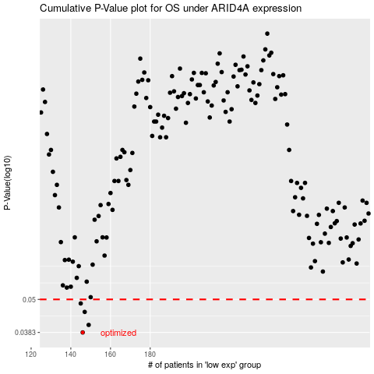

 |  |  |  |  |  | cases_OS | p_OS | rank | exp
 |  |  |  |  |  | 146 | 0.0383 | 293 | -0.5084952076
 |  |  |  |  |  | 149 | 0.0407 | 365 | -0.48027512208
 |  |  |  |  |  | 147 | 0.0452 | 165 | -0.50626730611
 |  |  |  |  |  | 145 | 0.0484 | 77 | -0.51034402404
 |  |  |  |  |  |  | cases_RFS | p_RFS | rank | exp
 |  |  |  |  |  |  | 145 | 0.0383 | 77 | -0.51034402404
 |  |  |  |  |  |  | 148 | 0.0407 | 85 | -0.49617105937
 |  |  |  |  |  |  | 146 | 0.0452 | 293 | -0.5084952076
 |  |  |  |  |  |  | 144 | 0.0484 | 229 | -0.51487129387

