ARID5B _multivariate
Reported by Tex Li-Hsing Chi. tex@gate.sinica.edu.tw 2019-08-21

Table 2. The clinicopathological features of HNSCC cohort and ARID5B expression. (Chi square test)
Cutoff at -0.258 (50.0%)
 |  | ARID5B expression |  | ARID5B expression |  | (Optimised)
 | Features | Low | (%) | High | (%) | Case no | P-value | Remark | Matthews
Gender | Female | 158 | 38.1 | 148 | 35.7 | 415 | 0.2774 | 0 | 0
2 | Male | 49 | 11.8 | 60 | 14.5
Age at diagnosis | <=65y | 141 | 34 | 133 | 32 | 415 | 0.4272 | 0 | 0
4 | >65y | 66 | 15.9 | 75 | 18.1
Clinical T Status | T1+T2 | 72 | 17.3 | 77 | 18.6 | 415 | 0.7095 | 0 | 0
6 | T3+T4 | 135 | 32.5 | 131 | 31.6
Clinical N Status | N0 | 115 | 27.7 | 101 | 24.3 | 415 | 0.184 | 1 | 0
8 | N1-3 | 92 | 22.2 | 107 | 25.8
Clinical M Status | M0 | 204 | 49.2 | 208 | 50.1 | 415 | 0.1232 | 0 | 0
10 | M1 | 3 | 0.7 | 0 | 0
Clinical Stage | Stage I+II | 50 | 12 | 52 | 12.5 | 415 | 0.9315 | 0 | 0
12 | Stage III+IV | 157 | 37.8 | 156 | 37.6
Surgical Margin status | Negative | 157 | 37.8 | 161 | 38.8 | 415 | 0.729 | 0 | 0
14 | Positive | 50 | 12 | 47 | 11.3
Tobacco Exposure | Low | 84 | 20.2 | 77 | 18.6 | 415 | 0.4816 | 0 | 0
16 | High | 123 | 29.6 | 131 | 31.6

Table 3. Univariate/Multivariate Cox's proportional hazards regression analyses on OS time of ARID5B gene expression in HNSCC

 |  | Univariate |  |  |  | Multivariate
 | Features | HR | CI95%(L) | CI95%(H) | P-value | HR | CI95%(L) | CI95%(H) | P-value
1 | Female | 1 |  |  |  | 1
Gender | Male | 1.157 | 0.843 | 1.587 | 0.367 | 1.214 | 0.868 | 1.698 | 0.258
11 | <=65y | 1 |  |  |  | 1
Age at diagnosis | >65y | 1.329 | 0.99 | 1.784 | 0.058 | 1.396 | 1.027 | 1.897 | 0.033
12 | T1+T2 | 1 |  |  |  | 1
Clinical T Status | T3+T4 | 1.409 | 1.028 | 1.931 | 0.033 | 2.184 | 1.155 | 4.131 | 0.016
13 | N0 | 1 |  |  |  | 1
Clinical N Status | N1-3 | 1.185 | 0.89 | 1.577 | 0.246 | 1.249 | 0.875 | 1.783 | 0.22
14 | M0 | 1 |  |  |  | 1
Clinical M Status | M1 | 4.097 | 1.009 | 16.644 | 0.049 | 8.871 | 1.919 | 41.013 | 0.005
15 | Stage I+II | 1 |  |  |  | 1
Clinical Stage | Stage III+IV | 1.245 | 0.882 | 1.759 | 0.213 | 0.505 | 0.235 | 1.084 | 0.079
16 | Negative | 1 |  |  |  | 1
Surgical Margin status | Positive | 1.591 | 1.155 | 2.191 | 0.004 | 1.656 | 1.197 | 2.29 | 0.002
17 | Low | 1 |  |  |  | 1
Tobacco Exposure | High | 1.364 | 1.008 | 1.844 | 0.044 | 1.454 | 1.056 | 2.002 | 0.022
18 | Low | 1 |  |  |  | 1
RNAseq(z-score) | High | 0.878 | 0.659 | 1.17 | 0.373 | 0.902 | 0.673 | 1.208 | 0.488

Table 4. Univariate/Multivariate Cox's proportional hazards regression analyses on RFS time of ARID5B gene expression in HNSCC

 |  | Univariate |  |  |  | Multivariate
 | Features | HR | CI95%(L) | CI95%(H) | P-value | HR | CI95%(L) | CI95%(H) | P-value
1 | Female | 1 |  |  |  | 1
Gender | Male | 1.157 | 0.843 | 1.587 | 0.367 | 1.214 | 0.868 | 1.698 | 0.258
11 | <=65y | 1 |  |  |  | 1
Age at diagnosis | >65y | 1.329 | 0.99 | 1.784 | 0.058 | 1.396 | 1.027 | 1.897 | 0.033
12 | T1+T2 | 1 |  |  |  | 1
Clinical T Status | T3+T4 | 1.409 | 1.028 | 1.931 | 0.033 | 2.184 | 1.155 | 4.131 | 0.016
13 | N0 | 1 |  |  |  | 1
Clinical N Status | N1-3 | 1.185 | 0.89 | 1.577 | 0.246 | 1.249 | 0.875 | 1.783 | 0.22
14 | M0 | 1 |  |  |  | 1
Clinical M Status | M1 | 4.097 | 1.009 | 16.644 | 0.049 | 8.871 | 1.919 | 41.013 | 0.005
15 | Stage I+II | 1 |  |  |  | 1
Clinical Stage | Stage III+IV | 1.245 | 0.882 | 1.759 | 0.213 | 0.505 | 0.235 | 1.084 | 0.079
16 | Negative | 1 |  |  |  | 1
Surgical Margin status | Positive | 1.591 | 1.155 | 2.191 | 0.004 | 1.656 | 1.197 | 2.29 | 0.002
17 | Low | 1 |  |  |  | 1
Tobacco Exposure | High | 1.364 | 1.008 | 1.844 | 0.044 | 1.454 | 1.056 | 2.002 | 0.022
18 | Low | 1 |  |  |  | 1
RNAseq(z-score) | High | 0.878 | 0.659 | 1.17 | 0.373 | 0.902 | 0.673 | 1.208 | 0.488

Kaplan-Meier survival estimate: Cutoff at -0.258 (50.0%)



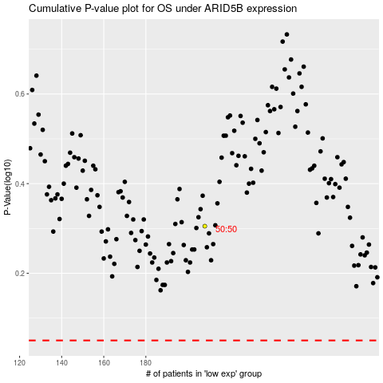

 |  |  |  |  |  | cases_OS | p_OS | rank | exp
 |  |  |  |  |  |  | cases_RFS | p_RFS | rank | exp

