ARL1 _multivariate
Reported by Tex Li-Hsing Chi. tex@gate.sinica.edu.tw 2019-08-21

Table 2. The clinicopathological features of HNSCC cohort and ARL1 expression. (Chi square test)
Cutoff at -0.275 (50.0%)
 |  | ARL1 expression |  | ARL1 expression |  | (Optimised)
 | Features | Low | (%) | High | (%) | Case no | P-value | Remark | Matthews
Gender | Female | 150 | 36.1 | 156 | 37.6 | 415 | 0.6344 | 0 | 0
2 | Male | 57 | 13.7 | 52 | 12.5
Age at diagnosis | <=65y | 133 | 32 | 141 | 34 | 415 | 0.5111 | 0 | 0
4 | >65y | 74 | 17.8 | 67 | 16.1
Clinical T Status | T1+T2 | 71 | 17.1 | 78 | 18.8 | 415 | 0.5638 | 0 | 0
6 | T3+T4 | 136 | 32.8 | 130 | 31.3
Clinical N Status | N0 | 107 | 25.8 | 109 | 26.3 | 415 | 0.9624 | 0 | 0
8 | N1-3 | 100 | 24.1 | 99 | 23.9
Clinical M Status | M0 | 205 | 49.4 | 207 | 49.9 | 415 | 0.6232 | 0 | 0
10 | M1 | 2 | 0.5 | 1 | 0.2
Clinical Stage | Stage I+II | 47 | 11.3 | 55 | 13.3 | 415 | 0.4413 | 0 | 0
12 | Stage III+IV | 160 | 38.6 | 153 | 36.9
Surgical Margin status | Negative | 163 | 39.3 | 155 | 37.3 | 415 | 0.3537 | 0 | 0
14 | Positive | 44 | 10.6 | 53 | 12.8
Tobacco Exposure | Low | 83 | 20 | 78 | 18.8 | 415 | 0.6152 | 0 | 0
16 | High | 124 | 29.9 | 130 | 31.3

Table 3. Univariate/Multivariate Cox's proportional hazards regression analyses on OS time of ARL1 gene expression in HNSCC

 |  | Univariate |  |  |  | Multivariate
 | Features | HR | CI95%(L) | CI95%(H) | P-value | HR | CI95%(L) | CI95%(H) | P-value
1 | Female | 1 |  |  |  | 1
Gender | Male | 1.157 | 0.843 | 1.587 | 0.367 | 1.19 | 0.85 | 1.664 | 0.311
11 | <=65y | 1 |  |  |  | 1
Age at diagnosis | >65y | 1.329 | 0.99 | 1.784 | 0.058 | 1.375 | 1.01 | 1.872 | 0.043
12 | T1+T2 | 1 |  |  |  | 1
Clinical T Status | T3+T4 | 1.409 | 1.028 | 1.931 | 0.033 | 2.19 | 1.159 | 4.14 | 0.016
13 | N0 | 1 |  |  |  | 1
Clinical N Status | N1-3 | 1.185 | 0.89 | 1.577 | 0.246 | 1.243 | 0.871 | 1.773 | 0.23
14 | M0 | 1 |  |  |  | 1
Clinical M Status | M1 | 4.097 | 1.009 | 16.644 | 0.049 | 8.767 | 1.907 | 40.314 | 0.005
15 | Stage I+II | 1 |  |  |  | 1
Clinical Stage | Stage III+IV | 1.245 | 0.882 | 1.759 | 0.213 | 0.498 | 0.232 | 1.07 | 0.074
16 | Negative | 1 |  |  |  | 1
Surgical Margin status | Positive | 1.591 | 1.155 | 2.191 | 0.004 | 1.691 | 1.223 | 2.337 | 0.001
17 | Low | 1 |  |  |  | 1
Tobacco Exposure | High | 1.364 | 1.008 | 1.844 | 0.044 | 1.481 | 1.072 | 2.047 | 0.017
18 | Low | 1 |  |  |  | 1
RNAseq(z-score) | High | 0.778 | 0.583 | 1.038 | 0.088 | 0.788 | 0.589 | 1.054 | 0.109

Table 4. Univariate/Multivariate Cox's proportional hazards regression analyses on RFS time of ARL1 gene expression in HNSCC

 |  | Univariate |  |  |  | Multivariate
 | Features | HR | CI95%(L) | CI95%(H) | P-value | HR | CI95%(L) | CI95%(H) | P-value
1 | Female | 1 |  |  |  | 1
Gender | Male | 1.157 | 0.843 | 1.587 | 0.367 | 1.19 | 0.85 | 1.664 | 0.311
11 | <=65y | 1 |  |  |  | 1
Age at diagnosis | >65y | 1.329 | 0.99 | 1.784 | 0.058 | 1.375 | 1.01 | 1.872 | 0.043
12 | T1+T2 | 1 |  |  |  | 1
Clinical T Status | T3+T4 | 1.409 | 1.028 | 1.931 | 0.033 | 2.19 | 1.159 | 4.14 | 0.016
13 | N0 | 1 |  |  |  | 1
Clinical N Status | N1-3 | 1.185 | 0.89 | 1.577 | 0.246 | 1.243 | 0.871 | 1.773 | 0.23
14 | M0 | 1 |  |  |  | 1
Clinical M Status | M1 | 4.097 | 1.009 | 16.644 | 0.049 | 8.767 | 1.907 | 40.314 | 0.005
15 | Stage I+II | 1 |  |  |  | 1
Clinical Stage | Stage III+IV | 1.245 | 0.882 | 1.759 | 0.213 | 0.498 | 0.232 | 1.07 | 0.074
16 | Negative | 1 |  |  |  | 1
Surgical Margin status | Positive | 1.591 | 1.155 | 2.191 | 0.004 | 1.691 | 1.223 | 2.337 | 0.001
17 | Low | 1 |  |  |  | 1
Tobacco Exposure | High | 1.364 | 1.008 | 1.844 | 0.044 | 1.481 | 1.072 | 2.047 | 0.017
18 | Low | 1 |  |  |  | 1
RNAseq(z-score) | High | 0.778 | 0.583 | 1.038 | 0.088 | 0.788 | 0.589 | 1.054 | 0.109

Kaplan-Meier survival estimate: Cutoff at -0.275 (50.0%)



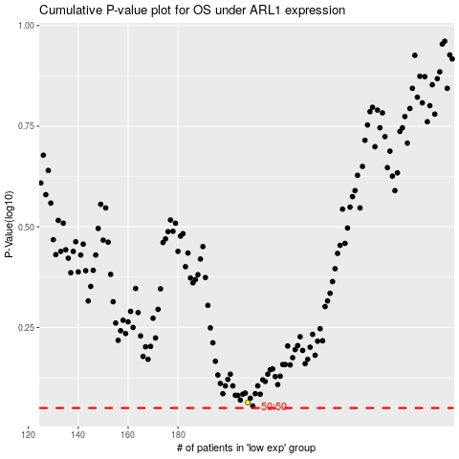

 |  |  |  |  |  | cases_OS | p_OS | rank | exp
 |  |  |  |  |  |  | cases_RFS | p_RFS | rank | exp

