ARL13B _multivariate
Reported by Tex Li-Hsing Chi. tex@gate.sinica.edu.tw 2019-08-21

Table 2. The clinicopathological features of HNSCC cohort and ARL13B expression. (Chi square test)
Cutoff at -0.174 (49.8%)
 |  | ARL13B expression |  | ARL13B expression |  | (Optimised)
 | Features | Low | (%) | High | (%) | Case no | P-value | Remark | Matthews
Gender | Female | 140 | 33.7 | 166 | 40 | 415 | 0.0068 | 1 | 0
2 | Male | 67 | 16.1 | 42 | 10.1
Age at diagnosis | <=65y | 127 | 30.6 | 147 | 35.4 | 415 | 0.0573 | 0 | 0
4 | >65y | 80 | 19.3 | 61 | 14.7
Clinical T Status | T1+T2 | 76 | 18.3 | 73 | 17.6 | 415 | 0.8092 | 0 | 0
6 | T3+T4 | 131 | 31.6 | 135 | 32.5
Clinical N Status | N0 | 108 | 26 | 108 | 26 | 415 | 1 | 0 | 0
8 | N1-3 | 99 | 23.9 | 100 | 24.1
Clinical M Status | M0 | 204 | 49.2 | 208 | 50.1 | 415 | 0.1232 | 0 | 0
10 | M1 | 3 | 0.7 | 0 | 0
Clinical Stage | Stage I+II | 51 | 12.3 | 51 | 12.3 | 415 | 1 | 0 | 0
12 | Stage III+IV | 156 | 37.6 | 157 | 37.8
Surgical Margin status | Negative | 153 | 36.9 | 165 | 39.8 | 415 | 0.2036 | 0 | 0
14 | Positive | 54 | 13 | 43 | 10.4
Tobacco Exposure | Low | 95 | 22.9 | 66 | 15.9 | 415 | 0.0035 | 1 | 0
16 | High | 112 | 27 | 142 | 34.2

Table 3. Univariate/Multivariate Cox's proportional hazards regression analyses on OS time of ARL13B gene expression in HNSCC

 |  | Univariate |  |  |  | Multivariate
 | Features | HR | CI95%(L) | CI95%(H) | P-value | HR | CI95%(L) | CI95%(H) | P-value
1 | Female | 1 |  |  |  | 1
Gender | Male | 1.157 | 0.843 | 1.587 | 0.367 | 1.195 | 0.853 | 1.676 | 0.301
11 | <=65y | 1 |  |  |  | 1
Age at diagnosis | >65y | 1.329 | 0.99 | 1.784 | 0.058 | 1.389 | 1.021 | 1.889 | 0.036
12 | T1+T2 | 1 |  |  |  | 1
Clinical T Status | T3+T4 | 1.409 | 1.028 | 1.931 | 0.033 | 2.197 | 1.162 | 4.156 | 0.015
13 | N0 | 1 |  |  |  | 1
Clinical N Status | N1-3 | 1.185 | 0.89 | 1.577 | 0.246 | 1.24 | 0.869 | 1.769 | 0.235
14 | M0 | 1 |  |  |  | 1
Clinical M Status | M1 | 4.097 | 1.009 | 16.644 | 0.049 | 9.214 | 1.987 | 42.726 | 0.005
15 | Stage I+II | 1 |  |  |  | 1
Clinical Stage | Stage III+IV | 1.245 | 0.882 | 1.759 | 0.213 | 0.506 | 0.236 | 1.088 | 0.081
16 | Negative | 1 |  |  |  | 1
Surgical Margin status | Positive | 1.591 | 1.155 | 2.191 | 0.004 | 1.662 | 1.198 | 2.306 | 0.002
17 | Low | 1 |  |  |  | 1
Tobacco Exposure | High | 1.364 | 1.008 | 1.844 | 0.044 | 1.459 | 1.056 | 2.016 | 0.022
18 | Low | 1 |  |  |  | 1
RNAseq(z-score) | High | 0.896 | 0.672 | 1.194 | 0.452 | 0.968 | 0.715 | 1.309 | 0.831

Table 4. Univariate/Multivariate Cox's proportional hazards regression analyses on RFS time of ARL13B gene expression in HNSCC

 |  | Univariate |  |  |  | Multivariate
 | Features | HR | CI95%(L) | CI95%(H) | P-value | HR | CI95%(L) | CI95%(H) | P-value
1 | Female | 1 |  |  |  | 1
Gender | Male | 1.157 | 0.843 | 1.587 | 0.367 | 1.195 | 0.853 | 1.676 | 0.301
11 | <=65y | 1 |  |  |  | 1
Age at diagnosis | >65y | 1.329 | 0.99 | 1.784 | 0.058 | 1.389 | 1.021 | 1.889 | 0.036
12 | T1+T2 | 1 |  |  |  | 1
Clinical T Status | T3+T4 | 1.409 | 1.028 | 1.931 | 0.033 | 2.197 | 1.162 | 4.156 | 0.015
13 | N0 | 1 |  |  |  | 1
Clinical N Status | N1-3 | 1.185 | 0.89 | 1.577 | 0.246 | 1.24 | 0.869 | 1.769 | 0.235
14 | M0 | 1 |  |  |  | 1
Clinical M Status | M1 | 4.097 | 1.009 | 16.644 | 0.049 | 9.214 | 1.987 | 42.726 | 0.005
15 | Stage I+II | 1 |  |  |  | 1
Clinical Stage | Stage III+IV | 1.245 | 0.882 | 1.759 | 0.213 | 0.506 | 0.236 | 1.088 | 0.081
16 | Negative | 1 |  |  |  | 1
Surgical Margin status | Positive | 1.591 | 1.155 | 2.191 | 0.004 | 1.662 | 1.198 | 2.306 | 0.002
17 | Low | 1 |  |  |  | 1
Tobacco Exposure | High | 1.364 | 1.008 | 1.844 | 0.044 | 1.459 | 1.056 | 2.016 | 0.022
18 | Low | 1 |  |  |  | 1
RNAseq(z-score) | High | 0.896 | 0.672 | 1.194 | 0.452 | 0.968 | 0.715 | 1.309 | 0.831

Kaplan-Meier survival estimate: Cutoff at -0.174 (49.8%)



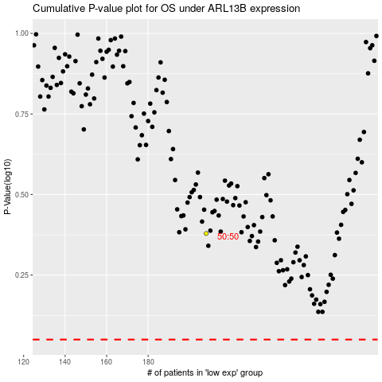

 |  |  |  |  |  | cases_OS | p_OS | rank | exp
 |  |  |  |  |  |  | cases_RFS | p_RFS | rank | exp

