ARL15 _multivariate
Reported by Tex Li-Hsing Chi. tex@gate.sinica.edu.tw 2019-08-21

Table 2. The clinicopathological features of HNSCC cohort and ARL15 expression. (Chi square test)
Cutoff at -0.153 (49.8%)
 |  | ARL15 expression |  | ARL15 expression |  | (Optimised)
 | Features | Low | (%) | High | (%) | Case no | P-value | Remark | Matthews
Gender | Female | 166 | 40 | 140 | 33.7 | 415 | 0.0041 | 1 | 0
2 | Male | 41 | 9.9 | 68 | 16.4
Age at diagnosis | <=65y | 144 | 34.7 | 130 | 31.3 | 415 | 0.1568 | 0 | 0
4 | >65y | 63 | 15.2 | 78 | 18.8
Clinical T Status | T1+T2 | 72 | 17.3 | 77 | 18.6 | 415 | 0.7095 | 0 | 0
6 | T3+T4 | 135 | 32.5 | 131 | 31.6
Clinical N Status | N0 | 100 | 24.1 | 116 | 28 | 415 | 0.1548 | 0 | 0
8 | N1-3 | 107 | 25.8 | 92 | 22.2
Clinical M Status | M0 | 205 | 49.4 | 207 | 49.9 | 415 | 0.6232 | 0 | 0
10 | M1 | 2 | 0.5 | 1 | 0.2
Clinical Stage | Stage I+II | 45 | 10.8 | 57 | 13.7 | 415 | 0.2202 | 0 | 0
12 | Stage III+IV | 162 | 39 | 151 | 36.4
Surgical Margin status | Negative | 154 | 37.1 | 164 | 39.5 | 415 | 0.2984 | 0 | 0
14 | Positive | 53 | 12.8 | 44 | 10.6
Tobacco Exposure | Low | 72 | 17.3 | 89 | 21.4 | 415 | 0.1071 | 0 | 0
16 | High | 135 | 32.5 | 119 | 28.7

Table 3. Univariate/Multivariate Cox's proportional hazards regression analyses on OS time of ARL15 gene expression in HNSCC

 |  | Univariate |  |  |  | Multivariate
 | Features | HR | CI95%(L) | CI95%(H) | P-value | HR | CI95%(L) | CI95%(H) | P-value
1 | Female | 1 |  |  |  | 1
Gender | Male | 1.157 | 0.843 | 1.587 | 0.367 | 1.226 | 0.875 | 1.72 | 0.237
11 | <=65y | 1 |  |  |  | 1
Age at diagnosis | >65y | 1.329 | 0.99 | 1.784 | 0.058 | 1.384 | 1.018 | 1.881 | 0.038
12 | T1+T2 | 1 |  |  |  | 1
Clinical T Status | T3+T4 | 1.409 | 1.028 | 1.931 | 0.033 | 2.204 | 1.166 | 4.169 | 0.015
13 | N0 | 1 |  |  |  | 1
Clinical N Status | N1-3 | 1.185 | 0.89 | 1.577 | 0.246 | 1.232 | 0.863 | 1.758 | 0.25
14 | M0 | 1 |  |  |  | 1
Clinical M Status | M1 | 4.097 | 1.009 | 16.644 | 0.049 | 9.082 | 1.978 | 41.707 | 0.005
15 | Stage I+II | 1 |  |  |  | 1
Clinical Stage | Stage III+IV | 1.245 | 0.882 | 1.759 | 0.213 | 0.506 | 0.236 | 1.086 | 0.081
16 | Negative | 1 |  |  |  | 1
Surgical Margin status | Positive | 1.591 | 1.155 | 2.191 | 0.004 | 1.647 | 1.191 | 2.279 | 0.003
17 | Low | 1 |  |  |  | 1
Tobacco Exposure | High | 1.364 | 1.008 | 1.844 | 0.044 | 1.443 | 1.046 | 1.99 | 0.025
18 | Low | 1 |  |  |  | 1
RNAseq(z-score) | High | 0.83 | 0.623 | 1.106 | 0.203 | 0.871 | 0.65 | 1.167 | 0.353

Table 4. Univariate/Multivariate Cox's proportional hazards regression analyses on RFS time of ARL15 gene expression in HNSCC

 |  | Univariate |  |  |  | Multivariate
 | Features | HR | CI95%(L) | CI95%(H) | P-value | HR | CI95%(L) | CI95%(H) | P-value
1 | Female | 1 |  |  |  | 1
Gender | Male | 1.157 | 0.843 | 1.587 | 0.367 | 1.226 | 0.875 | 1.72 | 0.237
11 | <=65y | 1 |  |  |  | 1
Age at diagnosis | >65y | 1.329 | 0.99 | 1.784 | 0.058 | 1.384 | 1.018 | 1.881 | 0.038
12 | T1+T2 | 1 |  |  |  | 1
Clinical T Status | T3+T4 | 1.409 | 1.028 | 1.931 | 0.033 | 2.204 | 1.166 | 4.169 | 0.015
13 | N0 | 1 |  |  |  | 1
Clinical N Status | N1-3 | 1.185 | 0.89 | 1.577 | 0.246 | 1.232 | 0.863 | 1.758 | 0.25
14 | M0 | 1 |  |  |  | 1
Clinical M Status | M1 | 4.097 | 1.009 | 16.644 | 0.049 | 9.082 | 1.978 | 41.707 | 0.005
15 | Stage I+II | 1 |  |  |  | 1
Clinical Stage | Stage III+IV | 1.245 | 0.882 | 1.759 | 0.213 | 0.506 | 0.236 | 1.086 | 0.081
16 | Negative | 1 |  |  |  | 1
Surgical Margin status | Positive | 1.591 | 1.155 | 2.191 | 0.004 | 1.647 | 1.191 | 2.279 | 0.003
17 | Low | 1 |  |  |  | 1
Tobacco Exposure | High | 1.364 | 1.008 | 1.844 | 0.044 | 1.443 | 1.046 | 1.99 | 0.025
18 | Low | 1 |  |  |  | 1
RNAseq(z-score) | High | 0.83 | 0.623 | 1.106 | 0.203 | 0.871 | 0.65 | 1.167 | 0.353

Kaplan-Meier survival estimate: Cutoff at -0.153 (49.8%)



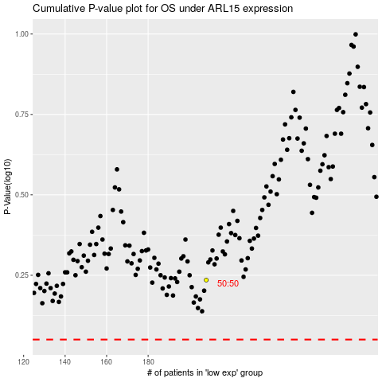

 |  |  |  |  |  | cases_OS | p_OS | rank | exp
 |  |  |  |  |  |  | cases_RFS | p_RFS | rank | exp

