ARL3 _multivariate
Reported by Tex Li-Hsing Chi. tex@gate.sinica.edu.tw 2019-08-21

Table 2. The clinicopathological features of HNSCC cohort and ARL3 expression. (Chi square test)
Cutoff at -0.269 (49.8%)
 |  | ARL3 expression |  | ARL3 expression |  | (Optimised)
 | Features | Low | (%) | High | (%) | Case no | P-value | Remark | Matthews
Gender | Female | 143 | 34.5 | 163 | 39.3 | 415 | 0.0416 | 1 | 0
2 | Male | 64 | 15.4 | 45 | 10.8
Age at diagnosis | <=65y | 134 | 32.3 | 140 | 33.7 | 415 | 0.6529 | 0 | 0
4 | >65y | 73 | 17.6 | 68 | 16.4
Clinical T Status | T1+T2 | 83 | 20 | 66 | 15.9 | 415 | 0.0941 | 0 | 0
6 | T3+T4 | 124 | 29.9 | 142 | 34.2
Clinical N Status | N0 | 114 | 27.5 | 102 | 24.6 | 415 | 0.2576 | 1 | 0
8 | N1-3 | 93 | 22.4 | 106 | 25.5
Clinical M Status | M0 | 206 | 49.6 | 206 | 49.6 | 415 | 1 | 0 | 0
10 | M1 | 1 | 0.2 | 2 | 0.5
Clinical Stage | Stage I+II | 59 | 14.2 | 43 | 10.4 | 415 | 0.0822 | 0 | 0
12 | Stage III+IV | 148 | 35.7 | 165 | 39.8
Surgical Margin status | Negative | 170 | 41 | 148 | 35.7 | 415 | 0.0105 | 1 | 0
14 | Positive | 37 | 8.9 | 60 | 14.5
Tobacco Exposure | Low | 87 | 21 | 74 | 17.8 | 415 | 0.1911 | 0 | 0
16 | High | 120 | 28.9 | 134 | 32.3

Table 3. Univariate/Multivariate Cox's proportional hazards regression analyses on OS time of ARL3 gene expression in HNSCC

 |  | Univariate |  |  |  | Multivariate
 | Features | HR | CI95%(L) | CI95%(H) | P-value | HR | CI95%(L) | CI95%(H) | P-value
1 | Female | 1 |  |  |  | 1
Gender | Male | 1.157 | 0.843 | 1.587 | 0.367 | 1.202 | 0.861 | 1.68 | 0.28
11 | <=65y | 1 |  |  |  | 1
Age at diagnosis | >65y | 1.329 | 0.99 | 1.784 | 0.058 | 1.392 | 1.024 | 1.892 | 0.035
12 | T1+T2 | 1 |  |  |  | 1
Clinical T Status | T3+T4 | 1.409 | 1.028 | 1.931 | 0.033 | 2.206 | 1.166 | 4.172 | 0.015
13 | N0 | 1 |  |  |  | 1
Clinical N Status | N1-3 | 1.185 | 0.89 | 1.577 | 0.246 | 1.242 | 0.871 | 1.773 | 0.232
14 | M0 | 1 |  |  |  | 1
Clinical M Status | M1 | 4.097 | 1.009 | 16.644 | 0.049 | 9.447 | 2.059 | 43.337 | 0.004
15 | Stage I+II | 1 |  |  |  | 1
Clinical Stage | Stage III+IV | 1.245 | 0.882 | 1.759 | 0.213 | 0.505 | 0.235 | 1.083 | 0.079
16 | Negative | 1 |  |  |  | 1
Surgical Margin status | Positive | 1.591 | 1.155 | 2.191 | 0.004 | 1.677 | 1.211 | 2.32 | 0.002
17 | Low | 1 |  |  |  | 1
Tobacco Exposure | High | 1.364 | 1.008 | 1.844 | 0.044 | 1.457 | 1.056 | 2.011 | 0.022
18 | Low | 1 |  |  |  | 1
RNAseq(z-score) | High | 1.069 | 0.802 | 1.423 | 0.649 | 0.973 | 0.728 | 1.301 | 0.854

Table 4. Univariate/Multivariate Cox's proportional hazards regression analyses on RFS time of ARL3 gene expression in HNSCC

 |  | Univariate |  |  |  | Multivariate
 | Features | HR | CI95%(L) | CI95%(H) | P-value | HR | CI95%(L) | CI95%(H) | P-value
1 | Female | 1 |  |  |  | 1
Gender | Male | 1.157 | 0.843 | 1.587 | 0.367 | 1.202 | 0.861 | 1.68 | 0.28
11 | <=65y | 1 |  |  |  | 1
Age at diagnosis | >65y | 1.329 | 0.99 | 1.784 | 0.058 | 1.392 | 1.024 | 1.892 | 0.035
12 | T1+T2 | 1 |  |  |  | 1
Clinical T Status | T3+T4 | 1.409 | 1.028 | 1.931 | 0.033 | 2.206 | 1.166 | 4.172 | 0.015
13 | N0 | 1 |  |  |  | 1
Clinical N Status | N1-3 | 1.185 | 0.89 | 1.577 | 0.246 | 1.242 | 0.871 | 1.773 | 0.232
14 | M0 | 1 |  |  |  | 1
Clinical M Status | M1 | 4.097 | 1.009 | 16.644 | 0.049 | 9.447 | 2.059 | 43.337 | 0.004
15 | Stage I+II | 1 |  |  |  | 1
Clinical Stage | Stage III+IV | 1.245 | 0.882 | 1.759 | 0.213 | 0.505 | 0.235 | 1.083 | 0.079
16 | Negative | 1 |  |  |  | 1
Surgical Margin status | Positive | 1.591 | 1.155 | 2.191 | 0.004 | 1.677 | 1.211 | 2.32 | 0.002
17 | Low | 1 |  |  |  | 1
Tobacco Exposure | High | 1.364 | 1.008 | 1.844 | 0.044 | 1.457 | 1.056 | 2.011 | 0.022
18 | Low | 1 |  |  |  | 1
RNAseq(z-score) | High | 1.069 | 0.802 | 1.423 | 0.649 | 0.973 | 0.728 | 1.301 | 0.854

Kaplan-Meier survival estimate: Cutoff at -0.269 (49.8%)

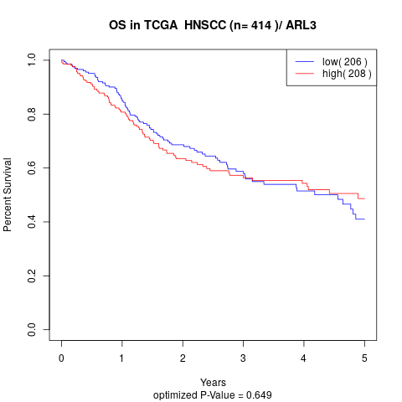

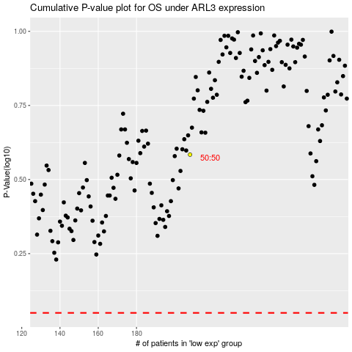

 |  |  |  |  |  | cases_OS | p_OS | rank | exp
 |  |  |  |  |  |  | cases_RFS | p_RFS | rank | exp

