ARL4A _multivariate
Reported by Tex Li-Hsing Chi. tex@gate.sinica.edu.tw 2019-08-21

Table 2. The clinicopathological features of HNSCC cohort and ARL4A expression. (Chi square test)
Cutoff at -0.348 (49.8%)
 |  | ARL4A expression |  | ARL4A expression |  | (Optimised)
 | Features | Low | (%) | High | (%) | Case no | P-value | Remark | Matthews
Gender | Female | 149 | 35.9 | 157 | 37.8 | 415 | 0.4848 | 0 | 0
2 | Male | 58 | 14 | 51 | 12.3
Age at diagnosis | <=65y | 133 | 32 | 141 | 34 | 415 | 0.5111 | 0 | 0
4 | >65y | 74 | 17.8 | 67 | 16.1
Clinical T Status | T1+T2 | 86 | 20.7 | 63 | 15.2 | 415 | 0.0221 | 1 | 0
6 | T3+T4 | 121 | 29.2 | 145 | 34.9
Clinical N Status | N0 | 111 | 26.7 | 105 | 25.3 | 415 | 0.5875 | 0 | 0
8 | N1-3 | 96 | 23.1 | 103 | 24.8
Clinical M Status | M0 | 206 | 49.6 | 206 | 49.6 | 415 | 1 | 0 | 0
10 | M1 | 1 | 0.2 | 2 | 0.5
Clinical Stage | Stage I+II | 61 | 14.7 | 41 | 9.9 | 415 | 0.0282 | 1 | 0
12 | Stage III+IV | 146 | 35.2 | 167 | 40.2
Surgical Margin status | Negative | 164 | 39.5 | 154 | 37.1 | 415 | 0.2462 | 0 | 0
14 | Positive | 43 | 10.4 | 54 | 13
Tobacco Exposure | Low | 87 | 21 | 74 | 17.8 | 415 | 0.1911 | 0 | 0
16 | High | 120 | 28.9 | 134 | 32.3

Table 3. Univariate/Multivariate Cox's proportional hazards regression analyses on OS time of ARL4A gene expression in HNSCC

 |  | Univariate |  |  |  | Multivariate
 | Features | HR | CI95%(L) | CI95%(H) | P-value | HR | CI95%(L) | CI95%(H) | P-value
1 | Female | 1 |  |  |  | 1
Gender | Male | 1.157 | 0.843 | 1.587 | 0.367 | 1.203 | 0.861 | 1.681 | 0.278
11 | <=65y | 1 |  |  |  | 1
Age at diagnosis | >65y | 1.329 | 0.99 | 1.784 | 0.058 | 1.387 | 1.02 | 1.886 | 0.037
12 | T1+T2 | 1 |  |  |  | 1
Clinical T Status | T3+T4 | 1.409 | 1.028 | 1.931 | 0.033 | 2.224 | 1.175 | 4.208 | 0.014
13 | N0 | 1 |  |  |  | 1
Clinical N Status | N1-3 | 1.185 | 0.89 | 1.577 | 0.246 | 1.249 | 0.875 | 1.782 | 0.221
14 | M0 | 1 |  |  |  | 1
Clinical M Status | M1 | 4.097 | 1.009 | 16.644 | 0.049 | 9.542 | 2.081 | 43.752 | 0.004
15 | Stage I+II | 1 |  |  |  | 1
Clinical Stage | Stage III+IV | 1.245 | 0.882 | 1.759 | 0.213 | 0.51 | 0.237 | 1.095 | 0.084
16 | Negative | 1 |  |  |  | 1
Surgical Margin status | Positive | 1.591 | 1.155 | 2.191 | 0.004 | 1.674 | 1.212 | 2.313 | 0.002
17 | Low | 1 |  |  |  | 1
Tobacco Exposure | High | 1.364 | 1.008 | 1.844 | 0.044 | 1.467 | 1.064 | 2.023 | 0.019
18 | Low | 1 |  |  |  | 1
RNAseq(z-score) | High | 0.961 | 0.722 | 1.28 | 0.786 | 0.889 | 0.664 | 1.191 | 0.431

Table 4. Univariate/Multivariate Cox's proportional hazards regression analyses on RFS time of ARL4A gene expression in HNSCC

 |  | Univariate |  |  |  | Multivariate
 | Features | HR | CI95%(L) | CI95%(H) | P-value | HR | CI95%(L) | CI95%(H) | P-value
1 | Female | 1 |  |  |  | 1
Gender | Male | 1.157 | 0.843 | 1.587 | 0.367 | 1.203 | 0.861 | 1.681 | 0.278
11 | <=65y | 1 |  |  |  | 1
Age at diagnosis | >65y | 1.329 | 0.99 | 1.784 | 0.058 | 1.387 | 1.02 | 1.886 | 0.037
12 | T1+T2 | 1 |  |  |  | 1
Clinical T Status | T3+T4 | 1.409 | 1.028 | 1.931 | 0.033 | 2.224 | 1.175 | 4.208 | 0.014
13 | N0 | 1 |  |  |  | 1
Clinical N Status | N1-3 | 1.185 | 0.89 | 1.577 | 0.246 | 1.249 | 0.875 | 1.782 | 0.221
14 | M0 | 1 |  |  |  | 1
Clinical M Status | M1 | 4.097 | 1.009 | 16.644 | 0.049 | 9.542 | 2.081 | 43.752 | 0.004
15 | Stage I+II | 1 |  |  |  | 1
Clinical Stage | Stage III+IV | 1.245 | 0.882 | 1.759 | 0.213 | 0.51 | 0.237 | 1.095 | 0.084
16 | Negative | 1 |  |  |  | 1
Surgical Margin status | Positive | 1.591 | 1.155 | 2.191 | 0.004 | 1.674 | 1.212 | 2.313 | 0.002
17 | Low | 1 |  |  |  | 1
Tobacco Exposure | High | 1.364 | 1.008 | 1.844 | 0.044 | 1.467 | 1.064 | 2.023 | 0.019
18 | Low | 1 |  |  |  | 1
RNAseq(z-score) | High | 0.961 | 0.722 | 1.28 | 0.786 | 0.889 | 0.664 | 1.191 | 0.431

Kaplan-Meier survival estimate: Cutoff at -0.348 (49.8%)



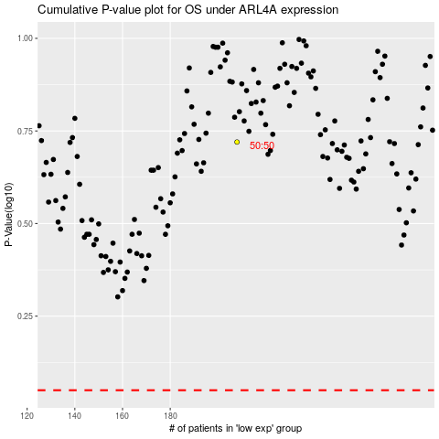

 |  |  |  |  |  | cases_OS | p_OS | rank | exp
 |  |  |  |  |  |  | cases_RFS | p_RFS | rank | exp

