ARL4C _multivariate
Reported by Tex Li-Hsing Chi. tex@gate.sinica.edu.tw 2019-08-21

Table 2. The clinicopathological features of HNSCC cohort and ARL4C expression. (Chi square test)
Cutoff at -0.149 (50.0%)
 |  | ARL4C expression |  | ARL4C expression |  | (Optimised)
 | Features | Low | (%) | High | (%) | Case no | P-value | Remark | Matthews
Gender | Female | 150 | 36.1 | 156 | 37.6 | 415 | 0.6344 | 0 | 0
2 | Male | 57 | 13.7 | 52 | 12.5
Age at diagnosis | <=65y | 138 | 33.3 | 136 | 32.8 | 415 | 0.8634 | 0 | 0
4 | >65y | 69 | 16.6 | 72 | 17.3
Clinical T Status | T1+T2 | 64 | 15.4 | 85 | 20.5 | 415 | 0.0445 | 1 | 0
6 | T3+T4 | 143 | 34.5 | 123 | 29.6
Clinical N Status | N0 | 115 | 27.7 | 101 | 24.3 | 415 | 0.184 | 1 | 0
8 | N1-3 | 92 | 22.2 | 107 | 25.8
Clinical M Status | M0 | 204 | 49.2 | 208 | 50.1 | 415 | 0.1232 | 0 | 0
10 | M1 | 3 | 0.7 | 0 | 0
Clinical Stage | Stage I+II | 43 | 10.4 | 59 | 14.2 | 415 | 0.0925 | 0 | 0
12 | Stage III+IV | 164 | 39.5 | 149 | 35.9
Surgical Margin status | Negative | 163 | 39.3 | 155 | 37.3 | 415 | 0.3537 | 0 | 0
14 | Positive | 44 | 10.6 | 53 | 12.8
Tobacco Exposure | Low | 77 | 18.6 | 84 | 20.2 | 415 | 0.5459 | 0 | 0
16 | High | 130 | 31.3 | 124 | 29.9

Table 3. Univariate/Multivariate Cox's proportional hazards regression analyses on OS time of ARL4C gene expression in HNSCC

 |  | Univariate |  |  |  | Multivariate
 | Features | HR | CI95%(L) | CI95%(H) | P-value | HR | CI95%(L) | CI95%(H) | P-value
1 | Female | 1 |  |  |  | 1
Gender | Male | 1.157 | 0.843 | 1.587 | 0.367 | 1.216 | 0.868 | 1.705 | 0.255
11 | <=65y | 1 |  |  |  | 1
Age at diagnosis | >65y | 1.329 | 0.99 | 1.784 | 0.058 | 1.385 | 1.018 | 1.884 | 0.038
12 | T1+T2 | 1 |  |  |  | 1
Clinical T Status | T3+T4 | 1.409 | 1.028 | 1.931 | 0.033 | 2.21 | 1.169 | 4.179 | 0.015
13 | N0 | 1 |  |  |  | 1
Clinical N Status | N1-3 | 1.185 | 0.89 | 1.577 | 0.246 | 1.229 | 0.86 | 1.757 | 0.258
14 | M0 | 1 |  |  |  | 1
Clinical M Status | M1 | 4.097 | 1.009 | 16.644 | 0.049 | 9.826 | 2.122 | 45.502 | 0.003
15 | Stage I+II | 1 |  |  |  | 1
Clinical Stage | Stage III+IV | 1.245 | 0.882 | 1.759 | 0.213 | 0.51 | 0.237 | 1.096 | 0.085
16 | Negative | 1 |  |  |  | 1
Surgical Margin status | Positive | 1.591 | 1.155 | 2.191 | 0.004 | 1.657 | 1.197 | 2.293 | 0.002
17 | Low | 1 |  |  |  | 1
Tobacco Exposure | High | 1.364 | 1.008 | 1.844 | 0.044 | 1.451 | 1.054 | 1.999 | 0.023
18 | Low | 1 |  |  |  | 1
RNAseq(z-score) | High | 1.064 | 0.799 | 1.417 | 0.672 | 1.077 | 0.801 | 1.449 | 0.623

Table 4. Univariate/Multivariate Cox's proportional hazards regression analyses on RFS time of ARL4C gene expression in HNSCC

 |  | Univariate |  |  |  | Multivariate
 | Features | HR | CI95%(L) | CI95%(H) | P-value | HR | CI95%(L) | CI95%(H) | P-value
1 | Female | 1 |  |  |  | 1
Gender | Male | 1.157 | 0.843 | 1.587 | 0.367 | 1.216 | 0.868 | 1.705 | 0.255
11 | <=65y | 1 |  |  |  | 1
Age at diagnosis | >65y | 1.329 | 0.99 | 1.784 | 0.058 | 1.385 | 1.018 | 1.884 | 0.038
12 | T1+T2 | 1 |  |  |  | 1
Clinical T Status | T3+T4 | 1.409 | 1.028 | 1.931 | 0.033 | 2.21 | 1.169 | 4.179 | 0.015
13 | N0 | 1 |  |  |  | 1
Clinical N Status | N1-3 | 1.185 | 0.89 | 1.577 | 0.246 | 1.229 | 0.86 | 1.757 | 0.258
14 | M0 | 1 |  |  |  | 1
Clinical M Status | M1 | 4.097 | 1.009 | 16.644 | 0.049 | 9.826 | 2.122 | 45.502 | 0.003
15 | Stage I+II | 1 |  |  |  | 1
Clinical Stage | Stage III+IV | 1.245 | 0.882 | 1.759 | 0.213 | 0.51 | 0.237 | 1.096 | 0.085
16 | Negative | 1 |  |  |  | 1
Surgical Margin status | Positive | 1.591 | 1.155 | 2.191 | 0.004 | 1.657 | 1.197 | 2.293 | 0.002
17 | Low | 1 |  |  |  | 1
Tobacco Exposure | High | 1.364 | 1.008 | 1.844 | 0.044 | 1.451 | 1.054 | 1.999 | 0.023
18 | Low | 1 |  |  |  | 1
RNAseq(z-score) | High | 1.064 | 0.799 | 1.417 | 0.672 | 1.077 | 0.801 | 1.449 | 0.623

Kaplan-Meier survival estimate: Cutoff at -0.149 (50.0%)



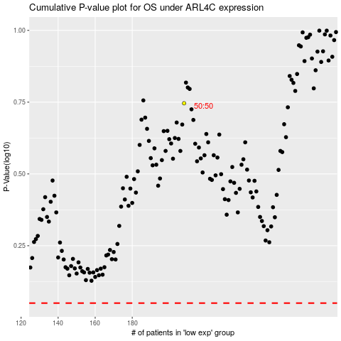

 |  |  |  |  |  | cases_OS | p_OS | rank | exp
 |  |  |  |  |  |  | cases_RFS | p_RFS | rank | exp

