ARL5B _multivariate
Reported by Tex Li-Hsing Chi. tex@gate.sinica.edu.tw 2019-08-21

Table 2. The clinicopathological features of HNSCC cohort and ARL5B expression. (Chi square test)
Cutoff at 0.318 (69.6%)
 |  | ARL5B expression |  | ARL5B expression |  | (Optimised)
 | Features | Low | (%) | High | (%) | Case no | P-value | Remark | Matthews
Gender | Female | 216 | 52 | 90 | 21.7 | 415 | 0.5594 | 0 | 0
2 | Male | 73 | 17.6 | 36 | 8.7
Age at diagnosis | <=65y | 193 | 46.5 | 81 | 19.5 | 415 | 0.7032 | 0 | 0
4 | >65y | 96 | 23.1 | 45 | 10.8
Clinical T Status | T1+T2 | 101 | 24.3 | 48 | 11.6 | 415 | 0.6148 | 0 | 0
6 | T3+T4 | 188 | 45.3 | 78 | 18.8
Clinical N Status | N0 | 142 | 34.2 | 74 | 17.8 | 415 | 0.0906 | 0 | 0
8 | N1-3 | 147 | 35.4 | 52 | 12.5
Clinical M Status | M0 | 286 | 68.9 | 126 | 30.4 | 415 | 0.5566 | 0 | 0
10 | M1 | 3 | 0.7 | 0 | 0
Clinical Stage | Stage I+II | 66 | 15.9 | 36 | 8.7 | 415 | 0.2612 | 0 | 0
12 | Stage III+IV | 223 | 53.7 | 90 | 21.7
Surgical Margin status | Negative | 219 | 52.8 | 99 | 23.9 | 415 | 0.6142 | 0 | 0
14 | Positive | 70 | 16.9 | 27 | 6.5
Tobacco Exposure | Low | 117 | 28.2 | 44 | 10.6 | 415 | 0.3244 | 0 | 0
16 | High | 172 | 41.4 | 82 | 19.8

Table 3. Univariate/Multivariate Cox's proportional hazards regression analyses on OS time of ARL5B gene expression in HNSCC

 |  | Univariate |  |  |  | Multivariate
 | Features | HR | CI95%(L) | CI95%(H) | P-value | HR | CI95%(L) | CI95%(H) | P-value
1 | Female | 1 |  |  |  | 1
Gender | Male | 1.157 | 0.843 | 1.587 | 0.367 | 1.224 | 0.875 | 1.712 | 0.238
11 | <=65y | 1 |  |  |  | 1
Age at diagnosis | >65y | 1.329 | 0.99 | 1.784 | 0.058 | 1.383 | 1.017 | 1.88 | 0.038
12 | T1+T2 | 1 |  |  |  | 1
Clinical T Status | T3+T4 | 1.409 | 1.028 | 1.931 | 0.033 | 2.179 | 1.153 | 4.118 | 0.016
13 | N0 | 1 |  |  |  | 1
Clinical N Status | N1-3 | 1.185 | 0.89 | 1.577 | 0.246 | 1.194 | 0.835 | 1.706 | 0.332
14 | M0 | 1 |  |  |  | 1
Clinical M Status | M1 | 4.097 | 1.009 | 16.644 | 0.049 | 8.609 | 1.874 | 39.543 | 0.006
15 | Stage I+II | 1 |  |  |  | 1
Clinical Stage | Stage III+IV | 1.245 | 0.882 | 1.759 | 0.213 | 0.522 | 0.243 | 1.12 | 0.095
16 | Negative | 1 |  |  |  | 1
Surgical Margin status | Positive | 1.591 | 1.155 | 2.191 | 0.004 | 1.645 | 1.19 | 2.272 | 0.003
17 | Low | 1 |  |  |  | 1
Tobacco Exposure | High | 1.364 | 1.008 | 1.844 | 0.044 | 1.469 | 1.066 | 2.025 | 0.019
18 | Low | 1 |  |  |  | 1
RNAseq(z-score) | High | 0.692 | 0.498 | 0.962 | 0.029 | 0.713 | 0.512 | 0.995 | 0.046

Table 4. Univariate/Multivariate Cox's proportional hazards regression analyses on RFS time of ARL5B gene expression in HNSCC

 |  | Univariate |  |  |  | Multivariate
 | Features | HR | CI95%(L) | CI95%(H) | P-value | HR | CI95%(L) | CI95%(H) | P-value
1 | Female | 1 |  |  |  | 1
Gender | Male | 1.157 | 0.843 | 1.587 | 0.367 | 1.224 | 0.875 | 1.712 | 0.238
11 | <=65y | 1 |  |  |  | 1
Age at diagnosis | >65y | 1.329 | 0.99 | 1.784 | 0.058 | 1.383 | 1.017 | 1.88 | 0.038
12 | T1+T2 | 1 |  |  |  | 1
Clinical T Status | T3+T4 | 1.409 | 1.028 | 1.931 | 0.033 | 2.179 | 1.153 | 4.118 | 0.016
13 | N0 | 1 |  |  |  | 1
Clinical N Status | N1-3 | 1.185 | 0.89 | 1.577 | 0.246 | 1.194 | 0.835 | 1.706 | 0.332
14 | M0 | 1 |  |  |  | 1
Clinical M Status | M1 | 4.097 | 1.009 | 16.644 | 0.049 | 8.609 | 1.874 | 39.543 | 0.006
15 | Stage I+II | 1 |  |  |  | 1
Clinical Stage | Stage III+IV | 1.245 | 0.882 | 1.759 | 0.213 | 0.522 | 0.243 | 1.12 | 0.095
16 | Negative | 1 |  |  |  | 1
Surgical Margin status | Positive | 1.591 | 1.155 | 2.191 | 0.004 | 1.645 | 1.19 | 2.272 | 0.003
17 | Low | 1 |  |  |  | 1
Tobacco Exposure | High | 1.364 | 1.008 | 1.844 | 0.044 | 1.469 | 1.066 | 2.025 | 0.019
18 | Low | 1 |  |  |  | 1
RNAseq(z-score) | High | 0.692 | 0.498 | 0.962 | 0.029 | 0.713 | 0.512 | 0.995 | 0.046

Kaplan-Meier survival estimate: Cutoff at 0.318 (69.6%)



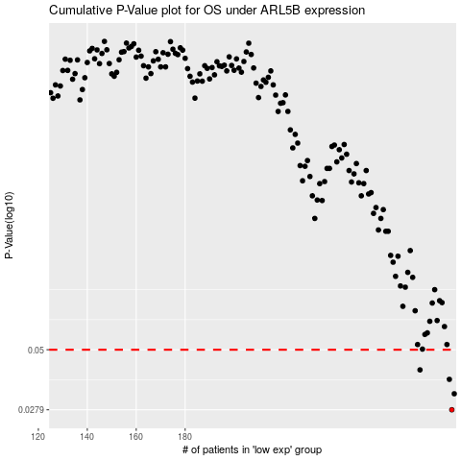

 |  |  |  |  |  | cases_OS | p_OS | rank | exp
 |  |  |  |  |  | 289 | 0.0279 | 310 | 0.31801518544
 |  |  |  |  |  | 290 | 0.0326 | 53 | 0.32221415545
 |  |  |  |  |  | 288 | 0.0375 | 137 | 0.31727071095
 |  |  |  |  |  | 276 | 0.0411 | 233 | 0.22939779473
 |  |  |  |  |  |  | cases_RFS | p_RFS | rank | exp
 |  |  |  |  |  |  | 288 | 0.0279 | 137 | 0.31727071095
 |  |  |  |  |  |  | 289 | 0.0326 | 310 | 0.31801518544
 |  |  |  |  |  |  | 287 | 0.0375 | 191 | 0.30857438585
 |  |  |  |  |  |  | 275 | 0.0411 | 404 | 0.22633134862

