ARL6IP5 _multivariate
Reported by Tex Li-Hsing Chi. tex@gate.sinica.edu.tw 2019-08-21

Table 2. The clinicopathological features of HNSCC cohort and ARL6IP5 expression. (Chi square test)
Cutoff at -0.307 (50.0%)
 |  | ARL6IP5 expression |  | ARL6IP5 expression |  | (Optimised)
 | Features | Low | (%) | High | (%) | Case no | P-value | Remark | Matthews
Gender | Female | 167 | 40.2 | 139 | 33.5 | 415 | 0.002 | 1 | 0
2 | Male | 40 | 9.6 | 69 | 16.6
Age at diagnosis | <=65y | 140 | 33.7 | 134 | 32.3 | 415 | 0.5574 | 0 | 0
4 | >65y | 67 | 16.1 | 74 | 17.8
Clinical T Status | T1+T2 | 59 | 14.2 | 90 | 21.7 | 415 | 0.0024 | 1 | 0
6 | T3+T4 | 148 | 35.7 | 118 | 28.4
Clinical N Status | N0 | 110 | 26.5 | 106 | 25.5 | 415 | 0.7294 | 0 | 0
8 | N1-3 | 97 | 23.4 | 102 | 24.6
Clinical M Status | M0 | 204 | 49.2 | 208 | 50.1 | 415 | 0.1232 | 0 | 0
10 | M1 | 3 | 0.7 | 0 | 0
Clinical Stage | Stage I+II | 39 | 9.4 | 63 | 15.2 | 415 | 0.0095 | 1 | 0
12 | Stage III+IV | 168 | 40.5 | 145 | 34.9
Surgical Margin status | Negative | 161 | 38.8 | 157 | 37.8 | 415 | 0.6429 | 0 | 0
14 | Positive | 46 | 11.1 | 51 | 12.3
Tobacco Exposure | Low | 66 | 15.9 | 95 | 22.9 | 415 | 0.0048 | 1 | 0
16 | High | 141 | 34 | 113 | 27.2

Table 3. Univariate/Multivariate Cox's proportional hazards regression analyses on OS time of ARL6IP5 gene expression in HNSCC

 |  | Univariate |  |  |  | Multivariate
 | Features | HR | CI95%(L) | CI95%(H) | P-value | HR | CI95%(L) | CI95%(H) | P-value
1 | Female | 1 |  |  |  | 1
Gender | Male | 1.157 | 0.843 | 1.587 | 0.367 | 1.185 | 0.848 | 1.656 | 0.321
11 | <=65y | 1 |  |  |  | 1
Age at diagnosis | >65y | 1.329 | 0.99 | 1.784 | 0.058 | 1.4 | 1.03 | 1.905 | 0.032
12 | T1+T2 | 1 |  |  |  | 1
Clinical T Status | T3+T4 | 1.409 | 1.028 | 1.931 | 0.033 | 2.236 | 1.181 | 4.233 | 0.013
13 | N0 | 1 |  |  |  | 1
Clinical N Status | N1-3 | 1.185 | 0.89 | 1.577 | 0.246 | 1.227 | 0.859 | 1.752 | 0.262
14 | M0 | 1 |  |  |  | 1
Clinical M Status | M1 | 4.097 | 1.009 | 16.644 | 0.049 | 10.147 | 2.191 | 46.999 | 0.003
15 | Stage I+II | 1 |  |  |  | 1
Clinical Stage | Stage III+IV | 1.245 | 0.882 | 1.759 | 0.213 | 0.514 | 0.239 | 1.104 | 0.088
16 | Negative | 1 |  |  |  | 1
Surgical Margin status | Positive | 1.591 | 1.155 | 2.191 | 0.004 | 1.661 | 1.202 | 2.296 | 0.002
17 | Low | 1 |  |  |  | 1
Tobacco Exposure | High | 1.364 | 1.008 | 1.844 | 0.044 | 1.469 | 1.066 | 2.024 | 0.019
18 | Low | 1 |  |  |  | 1
RNAseq(z-score) | High | 1.052 | 0.789 | 1.401 | 0.731 | 1.139 | 0.845 | 1.536 | 0.392

Table 4. Univariate/Multivariate Cox's proportional hazards regression analyses on RFS time of ARL6IP5 gene expression in HNSCC

 |  | Univariate |  |  |  | Multivariate
 | Features | HR | CI95%(L) | CI95%(H) | P-value | HR | CI95%(L) | CI95%(H) | P-value
1 | Female | 1 |  |  |  | 1
Gender | Male | 1.157 | 0.843 | 1.587 | 0.367 | 1.185 | 0.848 | 1.656 | 0.321
11 | <=65y | 1 |  |  |  | 1
Age at diagnosis | >65y | 1.329 | 0.99 | 1.784 | 0.058 | 1.4 | 1.03 | 1.905 | 0.032
12 | T1+T2 | 1 |  |  |  | 1
Clinical T Status | T3+T4 | 1.409 | 1.028 | 1.931 | 0.033 | 2.236 | 1.181 | 4.233 | 0.013
13 | N0 | 1 |  |  |  | 1
Clinical N Status | N1-3 | 1.185 | 0.89 | 1.577 | 0.246 | 1.227 | 0.859 | 1.752 | 0.262
14 | M0 | 1 |  |  |  | 1
Clinical M Status | M1 | 4.097 | 1.009 | 16.644 | 0.049 | 10.147 | 2.191 | 46.999 | 0.003
15 | Stage I+II | 1 |  |  |  | 1
Clinical Stage | Stage III+IV | 1.245 | 0.882 | 1.759 | 0.213 | 0.514 | 0.239 | 1.104 | 0.088
16 | Negative | 1 |  |  |  | 1
Surgical Margin status | Positive | 1.591 | 1.155 | 2.191 | 0.004 | 1.661 | 1.202 | 2.296 | 0.002
17 | Low | 1 |  |  |  | 1
Tobacco Exposure | High | 1.364 | 1.008 | 1.844 | 0.044 | 1.469 | 1.066 | 2.024 | 0.019
18 | Low | 1 |  |  |  | 1
RNAseq(z-score) | High | 1.052 | 0.789 | 1.401 | 0.731 | 1.139 | 0.845 | 1.536 | 0.392

Kaplan-Meier survival estimate: Cutoff at -0.307 (50.0%)



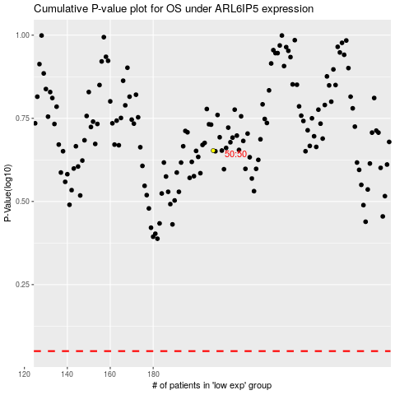

 |  |  |  |  |  | cases_OS | p_OS | rank | exp
 |  |  |  |  |  |  | cases_RFS | p_RFS | rank | exp

