ARL6IP6 _multivariate
Reported by Tex Li-Hsing Chi. tex@gate.sinica.edu.tw 2019-08-21

Table 2. The clinicopathological features of HNSCC cohort and ARL6IP6 expression. (Chi square test)
Cutoff at -0.076 (49.8%)
 |  | ARL6IP6 expression |  | ARL6IP6 expression |  | (Optimised)
 | Features | Low | (%) | High | (%) | Case no | P-value | Remark | Matthews
Gender | Female | 142 | 34.2 | 164 | 39.5 | 415 | 0.0238 | 1 | 0
2 | Male | 65 | 15.7 | 44 | 10.6
Age at diagnosis | <=65y | 127 | 30.6 | 147 | 35.4 | 415 | 0.0573 | 0 | 0
4 | >65y | 80 | 19.3 | 61 | 14.7
Clinical T Status | T1+T2 | 72 | 17.3 | 77 | 18.6 | 415 | 0.7095 | 0 | 0
6 | T3+T4 | 135 | 32.5 | 131 | 31.6
Clinical N Status | N0 | 112 | 27 | 104 | 25.1 | 415 | 0.4599 | 0 | 0
8 | N1-3 | 95 | 22.9 | 104 | 25.1
Clinical M Status | M0 | 204 | 49.2 | 208 | 50.1 | 415 | 0.1232 | 0 | 0
10 | M1 | 3 | 0.7 | 0 | 0
Clinical Stage | Stage I+II | 49 | 11.8 | 53 | 12.8 | 415 | 0.7535 | 0 | 0
12 | Stage III+IV | 158 | 38.1 | 155 | 37.3
Surgical Margin status | Negative | 167 | 40.2 | 151 | 36.4 | 415 | 0.0632 | 0 | 0
14 | Positive | 40 | 9.6 | 57 | 13.7
Tobacco Exposure | Low | 96 | 23.1 | 65 | 15.7 | 415 | 0.0018 | 1 | 0
16 | High | 111 | 26.7 | 143 | 34.5

Table 3. Univariate/Multivariate Cox's proportional hazards regression analyses on OS time of ARL6IP6 gene expression in HNSCC

 |  | Univariate |  |  |  | Multivariate
 | Features | HR | CI95%(L) | CI95%(H) | P-value | HR | CI95%(L) | CI95%(H) | P-value
1 | Female | 1 |  |  |  | 1
Gender | Male | 1.157 | 0.843 | 1.587 | 0.367 | 1.209 | 0.865 | 1.69 | 0.267
11 | <=65y | 1 |  |  |  | 1
Age at diagnosis | >65y | 1.329 | 0.99 | 1.784 | 0.058 | 1.402 | 1.03 | 1.908 | 0.032
12 | T1+T2 | 1 |  |  |  | 1
Clinical T Status | T3+T4 | 1.409 | 1.028 | 1.931 | 0.033 | 2.212 | 1.169 | 4.184 | 0.015
13 | N0 | 1 |  |  |  | 1
Clinical N Status | N1-3 | 1.185 | 0.89 | 1.577 | 0.246 | 1.243 | 0.871 | 1.774 | 0.231
14 | M0 | 1 |  |  |  | 1
Clinical M Status | M1 | 4.097 | 1.009 | 16.644 | 0.049 | 9.914 | 2.142 | 45.899 | 0.003
15 | Stage I+II | 1 |  |  |  | 1
Clinical Stage | Stage III+IV | 1.245 | 0.882 | 1.759 | 0.213 | 0.5 | 0.233 | 1.075 | 0.076
16 | Negative | 1 |  |  |  | 1
Surgical Margin status | Positive | 1.591 | 1.155 | 2.191 | 0.004 | 1.665 | 1.205 | 2.302 | 0.002
17 | Low | 1 |  |  |  | 1
Tobacco Exposure | High | 1.364 | 1.008 | 1.844 | 0.044 | 1.434 | 1.038 | 1.982 | 0.029
18 | Low | 1 |  |  |  | 1
RNAseq(z-score) | High | 1.104 | 0.827 | 1.474 | 0.502 | 1.096 | 0.814 | 1.475 | 0.546

Table 4. Univariate/Multivariate Cox's proportional hazards regression analyses on RFS time of ARL6IP6 gene expression in HNSCC

 |  | Univariate |  |  |  | Multivariate
 | Features | HR | CI95%(L) | CI95%(H) | P-value | HR | CI95%(L) | CI95%(H) | P-value
1 | Female | 1 |  |  |  | 1
Gender | Male | 1.157 | 0.843 | 1.587 | 0.367 | 1.209 | 0.865 | 1.69 | 0.267
11 | <=65y | 1 |  |  |  | 1
Age at diagnosis | >65y | 1.329 | 0.99 | 1.784 | 0.058 | 1.402 | 1.03 | 1.908 | 0.032
12 | T1+T2 | 1 |  |  |  | 1
Clinical T Status | T3+T4 | 1.409 | 1.028 | 1.931 | 0.033 | 2.212 | 1.169 | 4.184 | 0.015
13 | N0 | 1 |  |  |  | 1
Clinical N Status | N1-3 | 1.185 | 0.89 | 1.577 | 0.246 | 1.243 | 0.871 | 1.774 | 0.231
14 | M0 | 1 |  |  |  | 1
Clinical M Status | M1 | 4.097 | 1.009 | 16.644 | 0.049 | 9.914 | 2.142 | 45.899 | 0.003
15 | Stage I+II | 1 |  |  |  | 1
Clinical Stage | Stage III+IV | 1.245 | 0.882 | 1.759 | 0.213 | 0.5 | 0.233 | 1.075 | 0.076
16 | Negative | 1 |  |  |  | 1
Surgical Margin status | Positive | 1.591 | 1.155 | 2.191 | 0.004 | 1.665 | 1.205 | 2.302 | 0.002
17 | Low | 1 |  |  |  | 1
Tobacco Exposure | High | 1.364 | 1.008 | 1.844 | 0.044 | 1.434 | 1.038 | 1.982 | 0.029
18 | Low | 1 |  |  |  | 1
RNAseq(z-score) | High | 1.104 | 0.827 | 1.474 | 0.502 | 1.096 | 0.814 | 1.475 | 0.546

Kaplan-Meier survival estimate: Cutoff at -0.076 (49.8%)



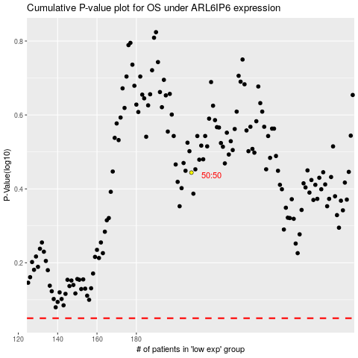

 |  |  |  |  |  | cases_OS | p_OS | rank | exp
 |  |  |  |  |  |  | cases_RFS | p_RFS | rank | exp

