ARL8B _multivariate
Reported by Tex Li-Hsing Chi. tex@gate.sinica.edu.tw 2019-08-21

Table 2. The clinicopathological features of HNSCC cohort and ARL8B expression. (Chi square test)
Cutoff at -0.203 (49.8%)
 |  | ARL8B expression |  | ARL8B expression |  | (Optimised)
 | Features | Low | (%) | High | (%) | Case no | P-value | Remark | Matthews
Gender | Female | 168 | 40.5 | 138 | 33.3 | 415 | 9e-04 | 1 | 0
2 | Male | 39 | 9.4 | 70 | 16.9
Age at diagnosis | <=65y | 146 | 35.2 | 128 | 30.8 | 415 | 0.0672 | 0 | 0
4 | >65y | 61 | 14.7 | 80 | 19.3
Clinical T Status | T1+T2 | 83 | 20 | 66 | 15.9 | 415 | 0.0941 | 0 | 0
6 | T3+T4 | 124 | 29.9 | 142 | 34.2
Clinical N Status | N0 | 109 | 26.3 | 107 | 25.8 | 415 | 0.8812 | 0 | 0
8 | N1-3 | 98 | 23.6 | 101 | 24.3
Clinical M Status | M0 | 205 | 49.4 | 207 | 49.9 | 415 | 0.6232 | 0 | 0
10 | M1 | 2 | 0.5 | 1 | 0.2
Clinical Stage | Stage I+II | 56 | 13.5 | 46 | 11.1 | 415 | 0.2918 | 0 | 0
12 | Stage III+IV | 151 | 36.4 | 162 | 39
Surgical Margin status | Negative | 169 | 40.7 | 149 | 35.9 | 415 | 0.0201 | 1 | 0
14 | Positive | 38 | 9.2 | 59 | 14.2
Tobacco Exposure | Low | 73 | 17.6 | 88 | 21.2 | 415 | 0.1587 | 0 | 0
16 | High | 134 | 32.3 | 120 | 28.9

Table 3. Univariate/Multivariate Cox's proportional hazards regression analyses on OS time of ARL8B gene expression in HNSCC

 |  | Univariate |  |  |  | Multivariate
 | Features | HR | CI95%(L) | CI95%(H) | P-value | HR | CI95%(L) | CI95%(H) | P-value
1 | Female | 1 |  |  |  | 1
Gender | Male | 1.157 | 0.843 | 1.587 | 0.367 | 1.189 | 0.845 | 1.674 | 0.321
11 | <=65y | 1 |  |  |  | 1
Age at diagnosis | >65y | 1.329 | 0.99 | 1.784 | 0.058 | 1.389 | 1.021 | 1.888 | 0.036
12 | T1+T2 | 1 |  |  |  | 1
Clinical T Status | T3+T4 | 1.409 | 1.028 | 1.931 | 0.033 | 2.197 | 1.162 | 4.156 | 0.015
13 | N0 | 1 |  |  |  | 1
Clinical N Status | N1-3 | 1.185 | 0.89 | 1.577 | 0.246 | 1.242 | 0.871 | 1.773 | 0.232
14 | M0 | 1 |  |  |  | 1
Clinical M Status | M1 | 4.097 | 1.009 | 16.644 | 0.049 | 9.486 | 2.067 | 43.531 | 0.004
15 | Stage I+II | 1 |  |  |  | 1
Clinical Stage | Stage III+IV | 1.245 | 0.882 | 1.759 | 0.213 | 0.504 | 0.235 | 1.083 | 0.079
16 | Negative | 1 |  |  |  | 1
Surgical Margin status | Positive | 1.591 | 1.155 | 2.191 | 0.004 | 1.669 | 1.208 | 2.307 | 0.002
17 | Low | 1 |  |  |  | 1
Tobacco Exposure | High | 1.364 | 1.008 | 1.844 | 0.044 | 1.451 | 1.053 | 1.999 | 0.023
18 | Low | 1 |  |  |  | 1
RNAseq(z-score) | High | 1.111 | 0.833 | 1.48 | 0.474 | 1.045 | 0.777 | 1.405 | 0.773

Table 4. Univariate/Multivariate Cox's proportional hazards regression analyses on RFS time of ARL8B gene expression in HNSCC

 |  | Univariate |  |  |  | Multivariate
 | Features | HR | CI95%(L) | CI95%(H) | P-value | HR | CI95%(L) | CI95%(H) | P-value
1 | Female | 1 |  |  |  | 1
Gender | Male | 1.157 | 0.843 | 1.587 | 0.367 | 1.189 | 0.845 | 1.674 | 0.321
11 | <=65y | 1 |  |  |  | 1
Age at diagnosis | >65y | 1.329 | 0.99 | 1.784 | 0.058 | 1.389 | 1.021 | 1.888 | 0.036
12 | T1+T2 | 1 |  |  |  | 1
Clinical T Status | T3+T4 | 1.409 | 1.028 | 1.931 | 0.033 | 2.197 | 1.162 | 4.156 | 0.015
13 | N0 | 1 |  |  |  | 1
Clinical N Status | N1-3 | 1.185 | 0.89 | 1.577 | 0.246 | 1.242 | 0.871 | 1.773 | 0.232
14 | M0 | 1 |  |  |  | 1
Clinical M Status | M1 | 4.097 | 1.009 | 16.644 | 0.049 | 9.486 | 2.067 | 43.531 | 0.004
15 | Stage I+II | 1 |  |  |  | 1
Clinical Stage | Stage III+IV | 1.245 | 0.882 | 1.759 | 0.213 | 0.504 | 0.235 | 1.083 | 0.079
16 | Negative | 1 |  |  |  | 1
Surgical Margin status | Positive | 1.591 | 1.155 | 2.191 | 0.004 | 1.669 | 1.208 | 2.307 | 0.002
17 | Low | 1 |  |  |  | 1
Tobacco Exposure | High | 1.364 | 1.008 | 1.844 | 0.044 | 1.451 | 1.053 | 1.999 | 0.023
18 | Low | 1 |  |  |  | 1
RNAseq(z-score) | High | 1.111 | 0.833 | 1.48 | 0.474 | 1.045 | 0.777 | 1.405 | 0.773

Kaplan-Meier survival estimate: Cutoff at -0.203 (49.8%)



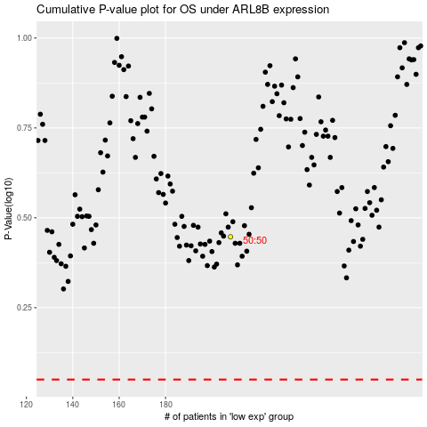

 |  |  |  |  |  | cases_OS | p_OS | rank | exp
 |  |  |  |  |  |  | cases_RFS | p_RFS | rank | exp

