ARMC7 _multivariate
Reported by Tex Li-Hsing Chi. tex@gate.sinica.edu.tw 2019-08-21

Table 2. The clinicopathological features of HNSCC cohort and ARMC7 expression. (Chi square test)
Cutoff at -0.199 (49.8%)
 |  | ARMC7 expression |  | ARMC7 expression |  | (Optimised)
 | Features | Low | (%) | High | (%) | Case no | P-value | Remark | Matthews
Gender | Female | 134 | 32.3 | 172 | 41.4 | 415 | 1e-04 | 1 | 0
2 | Male | 73 | 17.6 | 36 | 8.7
Age at diagnosis | <=65y | 135 | 32.5 | 139 | 33.5 | 415 | 0.8084 | 0 | 0
4 | >65y | 72 | 17.3 | 69 | 16.6
Clinical T Status | T1+T2 | 72 | 17.3 | 77 | 18.6 | 415 | 0.7095 | 0 | 0
6 | T3+T4 | 135 | 32.5 | 131 | 31.6
Clinical N Status | N0 | 107 | 25.8 | 109 | 26.3 | 415 | 0.9624 | 0 | 0
8 | N1-3 | 100 | 24.1 | 99 | 23.9
Clinical M Status | M0 | 206 | 49.6 | 206 | 49.6 | 415 | 1 | 0 | 0
10 | M1 | 1 | 0.2 | 2 | 0.5
Clinical Stage | Stage I+II | 53 | 12.8 | 49 | 11.8 | 415 | 0.7113 | 0 | 0
12 | Stage III+IV | 154 | 37.1 | 159 | 38.3
Surgical Margin status | Negative | 157 | 37.8 | 161 | 38.8 | 415 | 0.729 | 0 | 0
14 | Positive | 50 | 12 | 47 | 11.3
Tobacco Exposure | Low | 92 | 22.2 | 69 | 16.6 | 415 | 0.0206 | 1 | 0
16 | High | 115 | 27.7 | 139 | 33.5

Table 3. Univariate/Multivariate Cox's proportional hazards regression analyses on OS time of ARMC7 gene expression in HNSCC

 |  | Univariate |  |  |  | Multivariate
 | Features | HR | CI95%(L) | CI95%(H) | P-value | HR | CI95%(L) | CI95%(H) | P-value
1 | Female | 1 |  |  |  | 1
Gender | Male | 1.157 | 0.843 | 1.587 | 0.367 | 1.13 | 0.8 | 1.595 | 0.487
11 | <=65y | 1 |  |  |  | 1
Age at diagnosis | >65y | 1.329 | 0.99 | 1.784 | 0.058 | 1.41 | 1.037 | 1.917 | 0.029
12 | T1+T2 | 1 |  |  |  | 1
Clinical T Status | T3+T4 | 1.409 | 1.028 | 1.931 | 0.033 | 2.171 | 1.148 | 4.108 | 0.017
13 | N0 | 1 |  |  |  | 1
Clinical N Status | N1-3 | 1.185 | 0.89 | 1.577 | 0.246 | 1.243 | 0.871 | 1.774 | 0.23
14 | M0 | 1 |  |  |  | 1
Clinical M Status | M1 | 4.097 | 1.009 | 16.644 | 0.049 | 9.76 | 2.127 | 44.781 | 0.003
15 | Stage I+II | 1 |  |  |  | 1
Clinical Stage | Stage III+IV | 1.245 | 0.882 | 1.759 | 0.213 | 0.514 | 0.239 | 1.105 | 0.088
16 | Negative | 1 |  |  |  | 1
Surgical Margin status | Positive | 1.591 | 1.155 | 2.191 | 0.004 | 1.647 | 1.192 | 2.277 | 0.003
17 | Low | 1 |  |  |  | 1
Tobacco Exposure | High | 1.364 | 1.008 | 1.844 | 0.044 | 1.481 | 1.074 | 2.043 | 0.017
18 | Low | 1 |  |  |  | 1
RNAseq(z-score) | High | 0.815 | 0.611 | 1.086 | 0.162 | 0.805 | 0.596 | 1.089 | 0.159

Table 4. Univariate/Multivariate Cox's proportional hazards regression analyses on RFS time of ARMC7 gene expression in HNSCC

 |  | Univariate |  |  |  | Multivariate
 | Features | HR | CI95%(L) | CI95%(H) | P-value | HR | CI95%(L) | CI95%(H) | P-value
1 | Female | 1 |  |  |  | 1
Gender | Male | 1.157 | 0.843 | 1.587 | 0.367 | 1.13 | 0.8 | 1.595 | 0.487
11 | <=65y | 1 |  |  |  | 1
Age at diagnosis | >65y | 1.329 | 0.99 | 1.784 | 0.058 | 1.41 | 1.037 | 1.917 | 0.029
12 | T1+T2 | 1 |  |  |  | 1
Clinical T Status | T3+T4 | 1.409 | 1.028 | 1.931 | 0.033 | 2.171 | 1.148 | 4.108 | 0.017
13 | N0 | 1 |  |  |  | 1
Clinical N Status | N1-3 | 1.185 | 0.89 | 1.577 | 0.246 | 1.243 | 0.871 | 1.774 | 0.23
14 | M0 | 1 |  |  |  | 1
Clinical M Status | M1 | 4.097 | 1.009 | 16.644 | 0.049 | 9.76 | 2.127 | 44.781 | 0.003
15 | Stage I+II | 1 |  |  |  | 1
Clinical Stage | Stage III+IV | 1.245 | 0.882 | 1.759 | 0.213 | 0.514 | 0.239 | 1.105 | 0.088
16 | Negative | 1 |  |  |  | 1
Surgical Margin status | Positive | 1.591 | 1.155 | 2.191 | 0.004 | 1.647 | 1.192 | 2.277 | 0.003
17 | Low | 1 |  |  |  | 1
Tobacco Exposure | High | 1.364 | 1.008 | 1.844 | 0.044 | 1.481 | 1.074 | 2.043 | 0.017
18 | Low | 1 |  |  |  | 1
RNAseq(z-score) | High | 0.815 | 0.611 | 1.086 | 0.162 | 0.805 | 0.596 | 1.089 | 0.159

Kaplan-Meier survival estimate: Cutoff at -0.199 (49.8%)



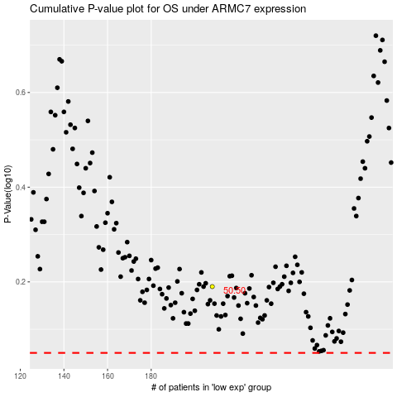

 |  |  |  |  |  | cases_OS | p_OS | rank | exp
 |  |  |  |  |  |  | cases_RFS | p_RFS | rank | exp

