ARMC9 _multivariate
Reported by Tex Li-Hsing Chi. tex@gate.sinica.edu.tw 2019-08-21

Table 2. The clinicopathological features of HNSCC cohort and ARMC9 expression. (Chi square test)
Cutoff at -0.148 (50.0%)
 |  | ARMC9 expression |  | ARMC9 expression |  | (Optimised)
 | Features | Low | (%) | High | (%) | Case no | P-value | Remark | Matthews
Gender | Female | 145 | 34.9 | 161 | 38.8 | 415 | 0.1116 | 0 | 0
2 | Male | 62 | 14.9 | 47 | 11.3
Age at diagnosis | <=65y | 131 | 31.6 | 143 | 34.5 | 415 | 0.2839 | 0 | 0
4 | >65y | 76 | 18.3 | 65 | 15.7
Clinical T Status | T1+T2 | 75 | 18.1 | 74 | 17.8 | 415 | 0.9707 | 0 | 0
6 | T3+T4 | 132 | 31.8 | 134 | 32.3
Clinical N Status | N0 | 118 | 28.4 | 98 | 23.6 | 415 | 0.0551 | 1 | 0
8 | N1-3 | 89 | 21.4 | 110 | 26.5
Clinical M Status | M0 | 204 | 49.2 | 208 | 50.1 | 415 | 0.1232 | 0 | 0
10 | M1 | 3 | 0.7 | 0 | 0
Clinical Stage | Stage I+II | 51 | 12.3 | 51 | 12.3 | 415 | 1 | 0 | 0
12 | Stage III+IV | 156 | 37.6 | 157 | 37.8
Surgical Margin status | Negative | 158 | 38.1 | 160 | 38.6 | 415 | 0.9081 | 0 | 0
14 | Positive | 49 | 11.8 | 48 | 11.6
Tobacco Exposure | Low | 89 | 21.4 | 72 | 17.3 | 415 | 0.0872 | 0 | 0
16 | High | 118 | 28.4 | 136 | 32.8

Table 3. Univariate/Multivariate Cox's proportional hazards regression analyses on OS time of ARMC9 gene expression in HNSCC

 |  | Univariate |  |  |  | Multivariate
 | Features | HR | CI95%(L) | CI95%(H) | P-value | HR | CI95%(L) | CI95%(H) | P-value
1 | Female | 1 |  |  |  | 1
Gender | Male | 1.157 | 0.843 | 1.587 | 0.367 | 1.243 | 0.887 | 1.74 | 0.207
11 | <=65y | 1 |  |  |  | 1
Age at diagnosis | >65y | 1.329 | 0.99 | 1.784 | 0.058 | 1.391 | 1.023 | 1.891 | 0.035
12 | T1+T2 | 1 |  |  |  | 1
Clinical T Status | T3+T4 | 1.409 | 1.028 | 1.931 | 0.033 | 2.185 | 1.156 | 4.129 | 0.016
13 | N0 | 1 |  |  |  | 1
Clinical N Status | N1-3 | 1.185 | 0.89 | 1.577 | 0.246 | 1.198 | 0.837 | 1.715 | 0.324
14 | M0 | 1 |  |  |  | 1
Clinical M Status | M1 | 4.097 | 1.009 | 16.644 | 0.049 | 10.714 | 2.312 | 49.665 | 0.002
15 | Stage I+II | 1 |  |  |  | 1
Clinical Stage | Stage III+IV | 1.245 | 0.882 | 1.759 | 0.213 | 0.516 | 0.24 | 1.108 | 0.09
16 | Negative | 1 |  |  |  | 1
Surgical Margin status | Positive | 1.591 | 1.155 | 2.191 | 0.004 | 1.698 | 1.228 | 2.348 | 0.001
17 | Low | 1 |  |  |  | 1
Tobacco Exposure | High | 1.364 | 1.008 | 1.844 | 0.044 | 1.43 | 1.038 | 1.97 | 0.029
18 | Low | 1 |  |  |  | 1
RNAseq(z-score) | High | 1.195 | 0.895 | 1.595 | 0.228 | 1.246 | 0.924 | 1.68 | 0.149

Table 4. Univariate/Multivariate Cox's proportional hazards regression analyses on RFS time of ARMC9 gene expression in HNSCC

 |  | Univariate |  |  |  | Multivariate
 | Features | HR | CI95%(L) | CI95%(H) | P-value | HR | CI95%(L) | CI95%(H) | P-value
1 | Female | 1 |  |  |  | 1
Gender | Male | 1.157 | 0.843 | 1.587 | 0.367 | 1.243 | 0.887 | 1.74 | 0.207
11 | <=65y | 1 |  |  |  | 1
Age at diagnosis | >65y | 1.329 | 0.99 | 1.784 | 0.058 | 1.391 | 1.023 | 1.891 | 0.035
12 | T1+T2 | 1 |  |  |  | 1
Clinical T Status | T3+T4 | 1.409 | 1.028 | 1.931 | 0.033 | 2.185 | 1.156 | 4.129 | 0.016
13 | N0 | 1 |  |  |  | 1
Clinical N Status | N1-3 | 1.185 | 0.89 | 1.577 | 0.246 | 1.198 | 0.837 | 1.715 | 0.324
14 | M0 | 1 |  |  |  | 1
Clinical M Status | M1 | 4.097 | 1.009 | 16.644 | 0.049 | 10.714 | 2.312 | 49.665 | 0.002
15 | Stage I+II | 1 |  |  |  | 1
Clinical Stage | Stage III+IV | 1.245 | 0.882 | 1.759 | 0.213 | 0.516 | 0.24 | 1.108 | 0.09
16 | Negative | 1 |  |  |  | 1
Surgical Margin status | Positive | 1.591 | 1.155 | 2.191 | 0.004 | 1.698 | 1.228 | 2.348 | 0.001
17 | Low | 1 |  |  |  | 1
Tobacco Exposure | High | 1.364 | 1.008 | 1.844 | 0.044 | 1.43 | 1.038 | 1.97 | 0.029
18 | Low | 1 |  |  |  | 1
RNAseq(z-score) | High | 1.195 | 0.895 | 1.595 | 0.228 | 1.246 | 0.924 | 1.68 | 0.149

Kaplan-Meier survival estimate: Cutoff at -0.148 (50.0%)



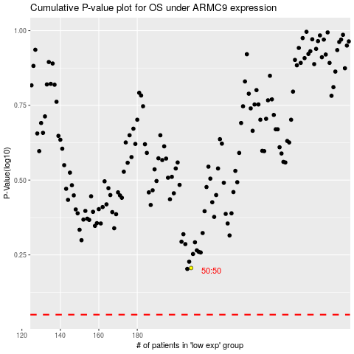

 |  |  |  |  |  | cases_OS | p_OS | rank | exp
 |  |  |  |  |  |  | cases_RFS | p_RFS | rank | exp

