ARMCX5 _multivariate
Reported by Tex Li-Hsing Chi. tex@gate.sinica.edu.tw 2019-08-21

Table 2. The clinicopathological features of HNSCC cohort and ARMCX5 expression. (Chi square test)
Cutoff at -0.253 (49.8%)
 |  | ARMCX5 expression |  | ARMCX5 expression |  | (Optimised)
 | Features | Low | (%) | High | (%) | Case no | P-value | Remark | Matthews
Gender | Female | 142 | 34.2 | 164 | 39.5 | 415 | 0.0238 | 1 | 0
2 | Male | 65 | 15.7 | 44 | 10.6
Age at diagnosis | <=65y | 127 | 30.6 | 147 | 35.4 | 415 | 0.0573 | 0 | 0
4 | >65y | 80 | 19.3 | 61 | 14.7
Clinical T Status | T1+T2 | 80 | 19.3 | 69 | 16.6 | 415 | 0.2891 | 0 | 0
6 | T3+T4 | 127 | 30.6 | 139 | 33.5
Clinical N Status | N0 | 104 | 25.1 | 112 | 27 | 415 | 0.5243 | 0 | 0
8 | N1-3 | 103 | 24.8 | 96 | 23.1
Clinical M Status | M0 | 205 | 49.4 | 207 | 49.9 | 415 | 0.6232 | 0 | 0
10 | M1 | 2 | 0.5 | 1 | 0.2
Clinical Stage | Stage I+II | 57 | 13.7 | 45 | 10.8 | 415 | 0.1998 | 0 | 0
12 | Stage III+IV | 150 | 36.1 | 163 | 39.3
Surgical Margin status | Negative | 164 | 39.5 | 154 | 37.1 | 415 | 0.2462 | 0 | 0
14 | Positive | 43 | 10.4 | 54 | 13
Tobacco Exposure | Low | 92 | 22.2 | 69 | 16.6 | 415 | 0.0206 | 1 | 0
16 | High | 115 | 27.7 | 139 | 33.5

Table 3. Univariate/Multivariate Cox's proportional hazards regression analyses on OS time of ARMCX5 gene expression in HNSCC

 |  | Univariate |  |  |  | Multivariate
 | Features | HR | CI95%(L) | CI95%(H) | P-value | HR | CI95%(L) | CI95%(H) | P-value
1 | Female | 1 |  |  |  | 1
Gender | Male | 1.157 | 0.843 | 1.587 | 0.367 | 1.23 | 0.879 | 1.72 | 0.227
11 | <=65y | 1 |  |  |  | 1
Age at diagnosis | >65y | 1.329 | 0.99 | 1.784 | 0.058 | 1.421 | 1.044 | 1.935 | 0.025
12 | T1+T2 | 1 |  |  |  | 1
Clinical T Status | T3+T4 | 1.409 | 1.028 | 1.931 | 0.033 | 2.229 | 1.179 | 4.217 | 0.014
13 | N0 | 1 |  |  |  | 1
Clinical N Status | N1-3 | 1.185 | 0.89 | 1.577 | 0.246 | 1.305 | 0.908 | 1.875 | 0.15
14 | M0 | 1 |  |  |  | 1
Clinical M Status | M1 | 4.097 | 1.009 | 16.644 | 0.049 | 10.117 | 2.2 | 46.534 | 0.003
15 | Stage I+II | 1 |  |  |  | 1
Clinical Stage | Stage III+IV | 1.245 | 0.882 | 1.759 | 0.213 | 0.468 | 0.217 | 1.013 | 0.054
16 | Negative | 1 |  |  |  | 1
Surgical Margin status | Positive | 1.591 | 1.155 | 2.191 | 0.004 | 1.647 | 1.191 | 2.276 | 0.003
17 | Low | 1 |  |  |  | 1
Tobacco Exposure | High | 1.364 | 1.008 | 1.844 | 0.044 | 1.435 | 1.042 | 1.976 | 0.027
18 | Low | 1 |  |  |  | 1
RNAseq(z-score) | High | 1.207 | 0.903 | 1.612 | 0.203 | 1.242 | 0.916 | 1.682 | 0.162

Table 4. Univariate/Multivariate Cox's proportional hazards regression analyses on RFS time of ARMCX5 gene expression in HNSCC

 |  | Univariate |  |  |  | Multivariate
 | Features | HR | CI95%(L) | CI95%(H) | P-value | HR | CI95%(L) | CI95%(H) | P-value
1 | Female | 1 |  |  |  | 1
Gender | Male | 1.157 | 0.843 | 1.587 | 0.367 | 1.23 | 0.879 | 1.72 | 0.227
11 | <=65y | 1 |  |  |  | 1
Age at diagnosis | >65y | 1.329 | 0.99 | 1.784 | 0.058 | 1.421 | 1.044 | 1.935 | 0.025
12 | T1+T2 | 1 |  |  |  | 1
Clinical T Status | T3+T4 | 1.409 | 1.028 | 1.931 | 0.033 | 2.229 | 1.179 | 4.217 | 0.014
13 | N0 | 1 |  |  |  | 1
Clinical N Status | N1-3 | 1.185 | 0.89 | 1.577 | 0.246 | 1.305 | 0.908 | 1.875 | 0.15
14 | M0 | 1 |  |  |  | 1
Clinical M Status | M1 | 4.097 | 1.009 | 16.644 | 0.049 | 10.117 | 2.2 | 46.534 | 0.003
15 | Stage I+II | 1 |  |  |  | 1
Clinical Stage | Stage III+IV | 1.245 | 0.882 | 1.759 | 0.213 | 0.468 | 0.217 | 1.013 | 0.054
16 | Negative | 1 |  |  |  | 1
Surgical Margin status | Positive | 1.591 | 1.155 | 2.191 | 0.004 | 1.647 | 1.191 | 2.276 | 0.003
17 | Low | 1 |  |  |  | 1
Tobacco Exposure | High | 1.364 | 1.008 | 1.844 | 0.044 | 1.435 | 1.042 | 1.976 | 0.027
18 | Low | 1 |  |  |  | 1
RNAseq(z-score) | High | 1.207 | 0.903 | 1.612 | 0.203 | 1.242 | 0.916 | 1.682 | 0.162

Kaplan-Meier survival estimate: Cutoff at -0.253 (49.8%)



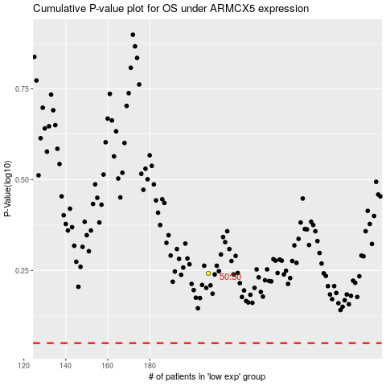

 |  |  |  |  |  | cases_OS | p_OS | rank | exp
 |  |  |  |  |  |  | cases_RFS | p_RFS | rank | exp

