ARMCX6 _multivariate
Reported by Tex Li-Hsing Chi. tex@gate.sinica.edu.tw 2019-08-21

Table 2. The clinicopathological features of HNSCC cohort and ARMCX6 expression. (Chi square test)
Cutoff at -0.186 (49.8%)
 |  | ARMCX6 expression |  | ARMCX6 expression |  | (Optimised)
 | Features | Low | (%) | High | (%) | Case no | P-value | Remark | Matthews
Gender | Female | 132 | 31.8 | 174 | 41.9 | 415 | 0 | 1 | 0
2 | Male | 75 | 18.1 | 34 | 8.2
Age at diagnosis | <=65y | 124 | 29.9 | 150 | 36.1 | 415 | 0.0116 | 1 | 0
4 | >65y | 83 | 20 | 58 | 14
Clinical T Status | T1+T2 | 84 | 20.2 | 65 | 15.7 | 415 | 0.0603 | 0 | 0
6 | T3+T4 | 123 | 29.6 | 143 | 34.5
Clinical N Status | N0 | 109 | 26.3 | 107 | 25.8 | 415 | 0.8812 | 0 | 0
8 | N1-3 | 98 | 23.6 | 101 | 24.3
Clinical M Status | M0 | 204 | 49.2 | 208 | 50.1 | 415 | 0.1232 | 0 | 0
10 | M1 | 3 | 0.7 | 0 | 0
Clinical Stage | Stage I+II | 61 | 14.7 | 41 | 9.9 | 415 | 0.0282 | 1 | 0
12 | Stage III+IV | 146 | 35.2 | 167 | 40.2
Surgical Margin status | Negative | 161 | 38.8 | 157 | 37.8 | 415 | 0.6429 | 0 | 0
14 | Positive | 46 | 11.1 | 51 | 12.3
Tobacco Exposure | Low | 98 | 23.6 | 63 | 15.2 | 415 | 4e-04 | 1 | 0
16 | High | 109 | 26.3 | 145 | 34.9

Table 3. Univariate/Multivariate Cox's proportional hazards regression analyses on OS time of ARMCX6 gene expression in HNSCC

 |  | Univariate |  |  |  | Multivariate
 | Features | HR | CI95%(L) | CI95%(H) | P-value | HR | CI95%(L) | CI95%(H) | P-value
1 | Female | 1 |  |  |  | 1
Gender | Male | 1.157 | 0.843 | 1.587 | 0.367 | 1.205 | 0.857 | 1.695 | 0.282
11 | <=65y | 1 |  |  |  | 1
Age at diagnosis | >65y | 1.329 | 0.99 | 1.784 | 0.058 | 1.392 | 1.024 | 1.892 | 0.035
12 | T1+T2 | 1 |  |  |  | 1
Clinical T Status | T3+T4 | 1.409 | 1.028 | 1.931 | 0.033 | 2.205 | 1.166 | 4.172 | 0.015
13 | N0 | 1 |  |  |  | 1
Clinical N Status | N1-3 | 1.185 | 0.89 | 1.577 | 0.246 | 1.243 | 0.87 | 1.776 | 0.233
14 | M0 | 1 |  |  |  | 1
Clinical M Status | M1 | 4.097 | 1.009 | 16.644 | 0.049 | 9.495 | 2.045 | 44.072 | 0.004
15 | Stage I+II | 1 |  |  |  | 1
Clinical Stage | Stage III+IV | 1.245 | 0.882 | 1.759 | 0.213 | 0.502 | 0.233 | 1.084 | 0.079
16 | Negative | 1 |  |  |  | 1
Surgical Margin status | Positive | 1.591 | 1.155 | 2.191 | 0.004 | 1.673 | 1.21 | 2.313 | 0.002
17 | Low | 1 |  |  |  | 1
Tobacco Exposure | High | 1.364 | 1.008 | 1.844 | 0.044 | 1.45 | 1.049 | 2.004 | 0.025
18 | Low | 1 |  |  |  | 1
RNAseq(z-score) | High | 0.986 | 0.74 | 1.315 | 0.926 | 1.015 | 0.747 | 1.379 | 0.926

Table 4. Univariate/Multivariate Cox's proportional hazards regression analyses on RFS time of ARMCX6 gene expression in HNSCC

 |  | Univariate |  |  |  | Multivariate
 | Features | HR | CI95%(L) | CI95%(H) | P-value | HR | CI95%(L) | CI95%(H) | P-value
1 | Female | 1 |  |  |  | 1
Gender | Male | 1.157 | 0.843 | 1.587 | 0.367 | 1.205 | 0.857 | 1.695 | 0.282
11 | <=65y | 1 |  |  |  | 1
Age at diagnosis | >65y | 1.329 | 0.99 | 1.784 | 0.058 | 1.392 | 1.024 | 1.892 | 0.035
12 | T1+T2 | 1 |  |  |  | 1
Clinical T Status | T3+T4 | 1.409 | 1.028 | 1.931 | 0.033 | 2.205 | 1.166 | 4.172 | 0.015
13 | N0 | 1 |  |  |  | 1
Clinical N Status | N1-3 | 1.185 | 0.89 | 1.577 | 0.246 | 1.243 | 0.87 | 1.776 | 0.233
14 | M0 | 1 |  |  |  | 1
Clinical M Status | M1 | 4.097 | 1.009 | 16.644 | 0.049 | 9.495 | 2.045 | 44.072 | 0.004
15 | Stage I+II | 1 |  |  |  | 1
Clinical Stage | Stage III+IV | 1.245 | 0.882 | 1.759 | 0.213 | 0.502 | 0.233 | 1.084 | 0.079
16 | Negative | 1 |  |  |  | 1
Surgical Margin status | Positive | 1.591 | 1.155 | 2.191 | 0.004 | 1.673 | 1.21 | 2.313 | 0.002
17 | Low | 1 |  |  |  | 1
Tobacco Exposure | High | 1.364 | 1.008 | 1.844 | 0.044 | 1.45 | 1.049 | 2.004 | 0.025
18 | Low | 1 |  |  |  | 1
RNAseq(z-score) | High | 0.986 | 0.74 | 1.315 | 0.926 | 1.015 | 0.747 | 1.379 | 0.926

Kaplan-Meier survival estimate: Cutoff at -0.186 (49.8%)



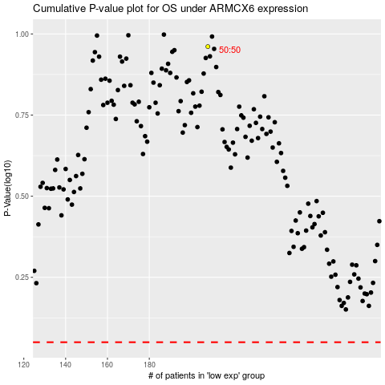

 |  |  |  |  |  | cases_OS | p_OS | rank | exp
 |  |  |  |  |  |  | cases_RFS | p_RFS | rank | exp

