ARNTL _multivariate
Reported by Tex Li-Hsing Chi. tex@gate.sinica.edu.tw 2019-08-21

Table 2. The clinicopathological features of HNSCC cohort and ARNTL expression. (Chi square test)
Cutoff at -0.183 (49.8%)
 |  | ARNTL expression |  | ARNTL expression |  | (Optimised)
 | Features | Low | (%) | High | (%) | Case no | P-value | Remark | Matthews
Gender | Female | 145 | 34.9 | 161 | 38.8 | 415 | 0.1116 | 0 | 0
2 | Male | 62 | 14.9 | 47 | 11.3
Age at diagnosis | <=65y | 132 | 31.8 | 142 | 34.2 | 415 | 0.3874 | 0 | 0
4 | >65y | 75 | 18.1 | 66 | 15.9
Clinical T Status | T1+T2 | 82 | 19.8 | 67 | 16.1 | 415 | 0.1417 | 0 | 0
6 | T3+T4 | 125 | 30.1 | 141 | 34
Clinical N Status | N0 | 113 | 27.2 | 103 | 24.8 | 415 | 0.3495 | 1 | 0
8 | N1-3 | 94 | 22.7 | 105 | 25.3
Clinical M Status | M0 | 205 | 49.4 | 207 | 49.9 | 415 | 0.6232 | 0 | 0
10 | M1 | 2 | 0.5 | 1 | 0.2
Clinical Stage | Stage I+II | 59 | 14.2 | 43 | 10.4 | 415 | 0.0822 | 0 | 0
12 | Stage III+IV | 148 | 35.7 | 165 | 39.8
Surgical Margin status | Negative | 156 | 37.6 | 162 | 39 | 415 | 0.5636 | 0 | 0
14 | Positive | 51 | 12.3 | 46 | 11.1
Tobacco Exposure | Low | 91 | 21.9 | 70 | 16.9 | 415 | 0.0346 | 1 | 0
16 | High | 116 | 28 | 138 | 33.3

Table 3. Univariate/Multivariate Cox's proportional hazards regression analyses on OS time of ARNTL gene expression in HNSCC

 |  | Univariate |  |  |  | Multivariate
 | Features | HR | CI95%(L) | CI95%(H) | P-value | HR | CI95%(L) | CI95%(H) | P-value
1 | Female | 1 |  |  |  | 1
Gender | Male | 1.157 | 0.843 | 1.587 | 0.367 | 1.236 | 0.882 | 1.731 | 0.219
11 | <=65y | 1 |  |  |  | 1
Age at diagnosis | >65y | 1.329 | 0.99 | 1.784 | 0.058 | 1.411 | 1.037 | 1.92 | 0.029
12 | T1+T2 | 1 |  |  |  | 1
Clinical T Status | T3+T4 | 1.409 | 1.028 | 1.931 | 0.033 | 2.19 | 1.158 | 4.142 | 0.016
13 | N0 | 1 |  |  |  | 1
Clinical N Status | N1-3 | 1.185 | 0.89 | 1.577 | 0.246 | 1.25 | 0.875 | 1.784 | 0.22
14 | M0 | 1 |  |  |  | 1
Clinical M Status | M1 | 4.097 | 1.009 | 16.644 | 0.049 | 9.618 | 2.097 | 44.117 | 0.004
15 | Stage I+II | 1 |  |  |  | 1
Clinical Stage | Stage III+IV | 1.245 | 0.882 | 1.759 | 0.213 | 0.495 | 0.23 | 1.064 | 0.072
16 | Negative | 1 |  |  |  | 1
Surgical Margin status | Positive | 1.591 | 1.155 | 2.191 | 0.004 | 1.678 | 1.214 | 2.32 | 0.002
17 | Low | 1 |  |  |  | 1
Tobacco Exposure | High | 1.364 | 1.008 | 1.844 | 0.044 | 1.439 | 1.044 | 1.984 | 0.026
18 | Low | 1 |  |  |  | 1
RNAseq(z-score) | High | 1.172 | 0.879 | 1.562 | 0.28 | 1.2 | 0.892 | 1.614 | 0.228

Table 4. Univariate/Multivariate Cox's proportional hazards regression analyses on RFS time of ARNTL gene expression in HNSCC

 |  | Univariate |  |  |  | Multivariate
 | Features | HR | CI95%(L) | CI95%(H) | P-value | HR | CI95%(L) | CI95%(H) | P-value
1 | Female | 1 |  |  |  | 1
Gender | Male | 1.157 | 0.843 | 1.587 | 0.367 | 1.236 | 0.882 | 1.731 | 0.219
11 | <=65y | 1 |  |  |  | 1
Age at diagnosis | >65y | 1.329 | 0.99 | 1.784 | 0.058 | 1.411 | 1.037 | 1.92 | 0.029
12 | T1+T2 | 1 |  |  |  | 1
Clinical T Status | T3+T4 | 1.409 | 1.028 | 1.931 | 0.033 | 2.19 | 1.158 | 4.142 | 0.016
13 | N0 | 1 |  |  |  | 1
Clinical N Status | N1-3 | 1.185 | 0.89 | 1.577 | 0.246 | 1.25 | 0.875 | 1.784 | 0.22
14 | M0 | 1 |  |  |  | 1
Clinical M Status | M1 | 4.097 | 1.009 | 16.644 | 0.049 | 9.618 | 2.097 | 44.117 | 0.004
15 | Stage I+II | 1 |  |  |  | 1
Clinical Stage | Stage III+IV | 1.245 | 0.882 | 1.759 | 0.213 | 0.495 | 0.23 | 1.064 | 0.072
16 | Negative | 1 |  |  |  | 1
Surgical Margin status | Positive | 1.591 | 1.155 | 2.191 | 0.004 | 1.678 | 1.214 | 2.32 | 0.002
17 | Low | 1 |  |  |  | 1
Tobacco Exposure | High | 1.364 | 1.008 | 1.844 | 0.044 | 1.439 | 1.044 | 1.984 | 0.026
18 | Low | 1 |  |  |  | 1
RNAseq(z-score) | High | 1.172 | 0.879 | 1.562 | 0.28 | 1.2 | 0.892 | 1.614 | 0.228

Kaplan-Meier survival estimate: Cutoff at -0.183 (49.8%)



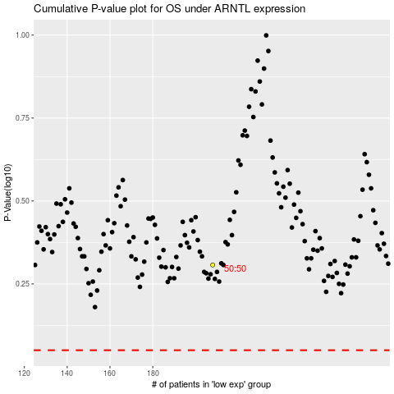

 |  |  |  |  |  | cases_OS | p_OS | rank | exp
 |  |  |  |  |  |  | cases_RFS | p_RFS | rank | exp

