ARNTL2 _multivariate
Reported by Tex Li-Hsing Chi. tex@gate.sinica.edu.tw 2019-08-21

Table 2. The clinicopathological features of HNSCC cohort and ARNTL2 expression. (Chi square test)
Cutoff at -0.084 (50.0%)
 |  | ARNTL2 expression |  | ARNTL2 expression |  | (Optimised)
 | Features | Low | (%) | High | (%) | Case no | P-value | Remark | Matthews
Gender | Female | 154 | 37.1 | 152 | 36.6 | 415 | 0.8463 | 0 | 0
2 | Male | 53 | 12.8 | 56 | 13.5
Age at diagnosis | <=65y | 141 | 34 | 133 | 32 | 415 | 0.4272 | 0 | 0
4 | >65y | 66 | 15.9 | 75 | 18.1
Clinical T Status | T1+T2 | 85 | 20.5 | 64 | 15.4 | 415 | 0.0372 | 1 | 0
6 | T3+T4 | 122 | 29.4 | 144 | 34.7
Clinical N Status | N0 | 111 | 26.7 | 105 | 25.3 | 415 | 0.5875 | 0 | 0
8 | N1-3 | 96 | 23.1 | 103 | 24.8
Clinical M Status | M0 | 206 | 49.6 | 206 | 49.6 | 415 | 1 | 0 | 0
10 | M1 | 1 | 0.2 | 2 | 0.5
Clinical Stage | Stage I+II | 56 | 13.5 | 46 | 11.1 | 415 | 0.2918 | 0 | 0
12 | Stage III+IV | 151 | 36.4 | 162 | 39
Surgical Margin status | Negative | 152 | 36.6 | 166 | 40 | 415 | 0.1329 | 0 | 0
14 | Positive | 55 | 13.3 | 42 | 10.1
Tobacco Exposure | Low | 82 | 19.8 | 79 | 19 | 415 | 0.763 | 0 | 0
16 | High | 125 | 30.1 | 129 | 31.1

Table 3. Univariate/Multivariate Cox's proportional hazards regression analyses on OS time of ARNTL2 gene expression in HNSCC

 |  | Univariate |  |  |  | Multivariate
 | Features | HR | CI95%(L) | CI95%(H) | P-value | HR | CI95%(L) | CI95%(H) | P-value
1 | Female | 1 |  |  |  | 1
Gender | Male | 1.157 | 0.843 | 1.587 | 0.367 | 1.205 | 0.863 | 1.683 | 0.274
11 | <=65y | 1 |  |  |  | 1
Age at diagnosis | >65y | 1.329 | 0.99 | 1.784 | 0.058 | 1.39 | 1.023 | 1.889 | 0.035
12 | T1+T2 | 1 |  |  |  | 1
Clinical T Status | T3+T4 | 1.409 | 1.028 | 1.931 | 0.033 | 2.194 | 1.16 | 4.148 | 0.016
13 | N0 | 1 |  |  |  | 1
Clinical N Status | N1-3 | 1.185 | 0.89 | 1.577 | 0.246 | 1.246 | 0.873 | 1.778 | 0.226
14 | M0 | 1 |  |  |  | 1
Clinical M Status | M1 | 4.097 | 1.009 | 16.644 | 0.049 | 9.319 | 2.032 | 42.725 | 0.004
15 | Stage I+II | 1 |  |  |  | 1
Clinical Stage | Stage III+IV | 1.245 | 0.882 | 1.759 | 0.213 | 0.502 | 0.234 | 1.078 | 0.077
16 | Negative | 1 |  |  |  | 1
Surgical Margin status | Positive | 1.591 | 1.155 | 2.191 | 0.004 | 1.695 | 1.223 | 2.348 | 0.002
17 | Low | 1 |  |  |  | 1
Tobacco Exposure | High | 1.364 | 1.008 | 1.844 | 0.044 | 1.45 | 1.052 | 1.999 | 0.023
18 | Low | 1 |  |  |  | 1
RNAseq(z-score) | High | 1.086 | 0.814 | 1.449 | 0.576 | 1.107 | 0.826 | 1.482 | 0.497

Table 4. Univariate/Multivariate Cox's proportional hazards regression analyses on RFS time of ARNTL2 gene expression in HNSCC

 |  | Univariate |  |  |  | Multivariate
 | Features | HR | CI95%(L) | CI95%(H) | P-value | HR | CI95%(L) | CI95%(H) | P-value
1 | Female | 1 |  |  |  | 1
Gender | Male | 1.157 | 0.843 | 1.587 | 0.367 | 1.205 | 0.863 | 1.683 | 0.274
11 | <=65y | 1 |  |  |  | 1
Age at diagnosis | >65y | 1.329 | 0.99 | 1.784 | 0.058 | 1.39 | 1.023 | 1.889 | 0.035
12 | T1+T2 | 1 |  |  |  | 1
Clinical T Status | T3+T4 | 1.409 | 1.028 | 1.931 | 0.033 | 2.194 | 1.16 | 4.148 | 0.016
13 | N0 | 1 |  |  |  | 1
Clinical N Status | N1-3 | 1.185 | 0.89 | 1.577 | 0.246 | 1.246 | 0.873 | 1.778 | 0.226
14 | M0 | 1 |  |  |  | 1
Clinical M Status | M1 | 4.097 | 1.009 | 16.644 | 0.049 | 9.319 | 2.032 | 42.725 | 0.004
15 | Stage I+II | 1 |  |  |  | 1
Clinical Stage | Stage III+IV | 1.245 | 0.882 | 1.759 | 0.213 | 0.502 | 0.234 | 1.078 | 0.077
16 | Negative | 1 |  |  |  | 1
Surgical Margin status | Positive | 1.591 | 1.155 | 2.191 | 0.004 | 1.695 | 1.223 | 2.348 | 0.002
17 | Low | 1 |  |  |  | 1
Tobacco Exposure | High | 1.364 | 1.008 | 1.844 | 0.044 | 1.45 | 1.052 | 1.999 | 0.023
18 | Low | 1 |  |  |  | 1
RNAseq(z-score) | High | 1.086 | 0.814 | 1.449 | 0.576 | 1.107 | 0.826 | 1.482 | 0.497

Kaplan-Meier survival estimate: Cutoff at -0.084 (50.0%)



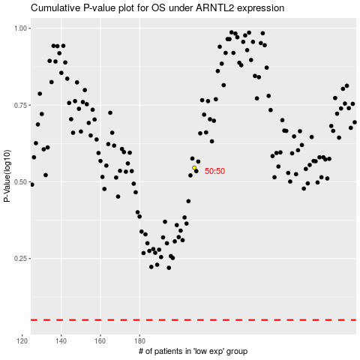

 |  |  |  |  |  | cases_OS | p_OS | rank | exp
 |  |  |  |  |  |  | cases_RFS | p_RFS | rank | exp

