ARPC5L _multivariate
Reported by Tex Li-Hsing Chi. tex@gate.sinica.edu.tw 2019-08-21

Table 2. The clinicopathological features of HNSCC cohort and ARPC5L expression. (Chi square test)
Cutoff at -0.227 (50.0%)
 |  | ARPC5L expression |  | ARPC5L expression |  | (Optimised)
 | Features | Low | (%) | High | (%) | Case no | P-value | Remark | Matthews
Gender | Female | 158 | 38.1 | 148 | 35.7 | 415 | 0.2774 | 0 | 0
2 | Male | 49 | 11.8 | 60 | 14.5
Age at diagnosis | <=65y | 141 | 34 | 133 | 32 | 415 | 0.4272 | 0 | 0
4 | >65y | 66 | 15.9 | 75 | 18.1
Clinical T Status | T1+T2 | 80 | 19.3 | 69 | 16.6 | 415 | 0.2891 | 0 | 0
6 | T3+T4 | 127 | 30.6 | 139 | 33.5
Clinical N Status | N0 | 109 | 26.3 | 107 | 25.8 | 415 | 0.8812 | 0 | 0
8 | N1-3 | 98 | 23.6 | 101 | 24.3
Clinical M Status | M0 | 207 | 49.9 | 205 | 49.4 | 415 | 0.2482 | 0 | 0
10 | M1 | 0 | 0 | 3 | 0.7
Clinical Stage | Stage I+II | 55 | 13.3 | 47 | 11.3 | 415 | 0.4087 | 0 | 0
12 | Stage III+IV | 152 | 36.6 | 161 | 38.8
Surgical Margin status | Negative | 162 | 39 | 156 | 37.6 | 415 | 0.4867 | 0 | 0
14 | Positive | 45 | 10.8 | 52 | 12.5
Tobacco Exposure | Low | 78 | 18.8 | 83 | 20 | 415 | 0.6873 | 0 | 0
16 | High | 129 | 31.1 | 125 | 30.1

Table 3. Univariate/Multivariate Cox's proportional hazards regression analyses on OS time of ARPC5L gene expression in HNSCC

 |  | Univariate |  |  |  | Multivariate
 | Features | HR | CI95%(L) | CI95%(H) | P-value | HR | CI95%(L) | CI95%(H) | P-value
1 | Female | 1 |  |  |  | 1
Gender | Male | 1.157 | 0.843 | 1.587 | 0.367 | 1.215 | 0.867 | 1.703 | 0.259
11 | <=65y | 1 |  |  |  | 1
Age at diagnosis | >65y | 1.329 | 0.99 | 1.784 | 0.058 | 1.4 | 1.029 | 1.905 | 0.032
12 | T1+T2 | 1 |  |  |  | 1
Clinical T Status | T3+T4 | 1.409 | 1.028 | 1.931 | 0.033 | 2.208 | 1.168 | 4.175 | 0.015
13 | N0 | 1 |  |  |  | 1
Clinical N Status | N1-3 | 1.185 | 0.89 | 1.577 | 0.246 | 1.236 | 0.866 | 1.764 | 0.243
14 | M0 | 1 |  |  |  | 1
Clinical M Status | M1 | 4.097 | 1.009 | 16.644 | 0.049 | 9.797 | 2.114 | 45.407 | 0.004
15 | Stage I+II | 1 |  |  |  | 1
Clinical Stage | Stage III+IV | 1.245 | 0.882 | 1.759 | 0.213 | 0.508 | 0.236 | 1.09 | 0.082
16 | Negative | 1 |  |  |  | 1
Surgical Margin status | Positive | 1.591 | 1.155 | 2.191 | 0.004 | 1.683 | 1.216 | 2.328 | 0.002
17 | Low | 1 |  |  |  | 1
Tobacco Exposure | High | 1.364 | 1.008 | 1.844 | 0.044 | 1.456 | 1.057 | 2.006 | 0.021
18 | Low | 1 |  |  |  | 1
RNAseq(z-score) | High | 1.055 | 0.791 | 1.406 | 0.716 | 0.935 | 0.696 | 1.258 | 0.659

Table 4. Univariate/Multivariate Cox's proportional hazards regression analyses on RFS time of ARPC5L gene expression in HNSCC

 |  | Univariate |  |  |  | Multivariate
 | Features | HR | CI95%(L) | CI95%(H) | P-value | HR | CI95%(L) | CI95%(H) | P-value
1 | Female | 1 |  |  |  | 1
Gender | Male | 1.157 | 0.843 | 1.587 | 0.367 | 1.215 | 0.867 | 1.703 | 0.259
11 | <=65y | 1 |  |  |  | 1
Age at diagnosis | >65y | 1.329 | 0.99 | 1.784 | 0.058 | 1.4 | 1.029 | 1.905 | 0.032
12 | T1+T2 | 1 |  |  |  | 1
Clinical T Status | T3+T4 | 1.409 | 1.028 | 1.931 | 0.033 | 2.208 | 1.168 | 4.175 | 0.015
13 | N0 | 1 |  |  |  | 1
Clinical N Status | N1-3 | 1.185 | 0.89 | 1.577 | 0.246 | 1.236 | 0.866 | 1.764 | 0.243
14 | M0 | 1 |  |  |  | 1
Clinical M Status | M1 | 4.097 | 1.009 | 16.644 | 0.049 | 9.797 | 2.114 | 45.407 | 0.004
15 | Stage I+II | 1 |  |  |  | 1
Clinical Stage | Stage III+IV | 1.245 | 0.882 | 1.759 | 0.213 | 0.508 | 0.236 | 1.09 | 0.082
16 | Negative | 1 |  |  |  | 1
Surgical Margin status | Positive | 1.591 | 1.155 | 2.191 | 0.004 | 1.683 | 1.216 | 2.328 | 0.002
17 | Low | 1 |  |  |  | 1
Tobacco Exposure | High | 1.364 | 1.008 | 1.844 | 0.044 | 1.456 | 1.057 | 2.006 | 0.021
18 | Low | 1 |  |  |  | 1
RNAseq(z-score) | High | 1.055 | 0.791 | 1.406 | 0.716 | 0.935 | 0.696 | 1.258 | 0.659

Kaplan-Meier survival estimate: Cutoff at -0.227 (50.0%)



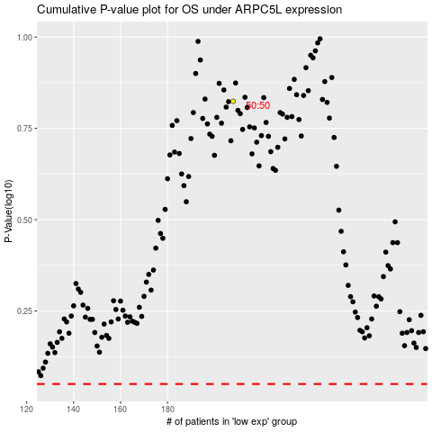

 |  |  |  |  |  | cases_OS | p_OS | rank | exp
 |  |  |  |  |  |  | cases_RFS | p_RFS | rank | exp

